Sheet
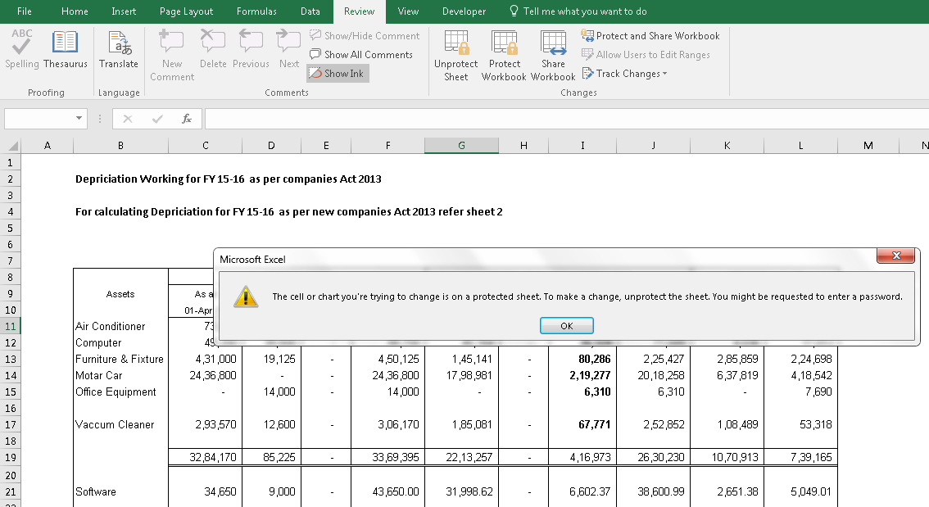
How to Protect Excel Sheet & Cells |  | Compiled By: Akhilesh Tiwari

--> | Select Cell or Range
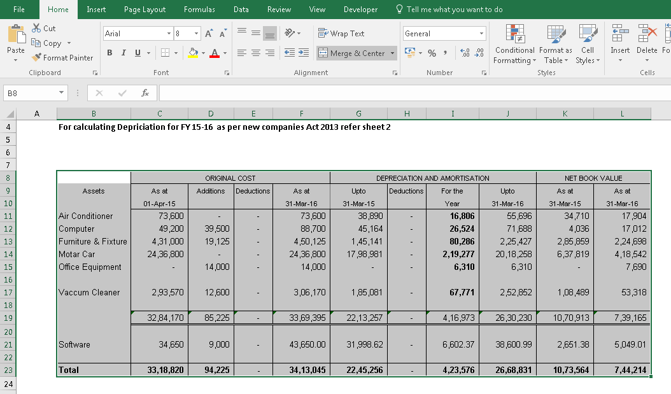

--> | Click on Home --> Alignment setting

--> | Click on Protection Tab
--> | Tick on Locked (to lock)
--> | Tick on Hidden (to hide the formula after locked)
--> | Click OK

--> | Click on Review --> Protect Sheet
--> | Put required password to Lock

--> | Reenter password to confirm

--> | Done

--> | Now, the Selected cell or range is protected

