Sheet1
Standardise number of digits in Account codes

Question
Account code |  |  | Task:-
1 |  |  | I retrive those value which are starting from 1
23
12354
2
45
23548
456987
123

Account code |  |  | Ans:- | convert the number format to Text format
1
23
12354
2
45
23548
456987
123

Solution
Step 1 | Select A18 to A25

Step 2 | Then Text to column

 | Either Using |  | ALT+A+E

 | or | Data |  | Text to Column

Step 3 :- | Then new window will appear i.e Convert text to column wizard- Step 1 of 3 |  |  |  |  | Click on Next

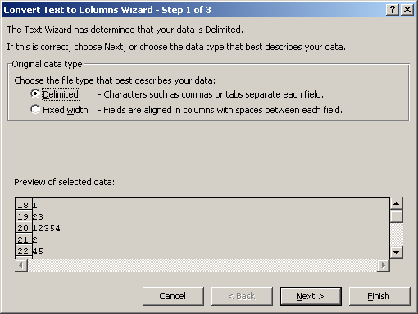

Step 4:- | After that next window is Convert text to column wizard- Step 2 of 3 |  |  |  | Click on Next

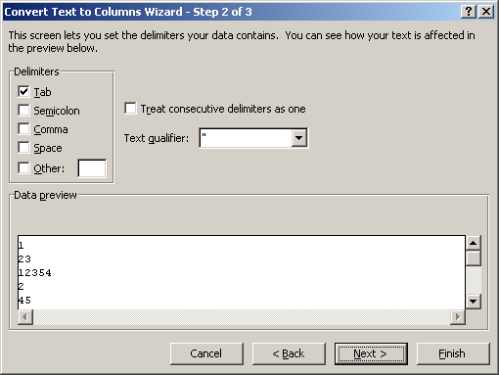

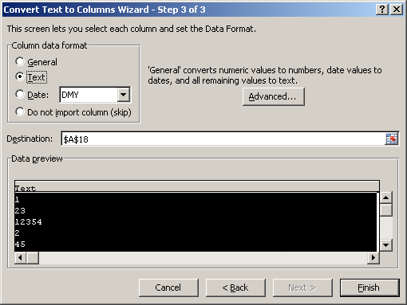
Step 5 | After that next window is Convert text to column wizard- Step 3 of 3. |  |  |  | Now check on Text and click on Finish.
 |  |  |  |  | Now your data convert into text.
 |  |  |  |  | use text filter for getting result.

