Procedture
In today’s complex working environment Microsoft Excel has emerged as an important tool for all the professionals

One day training session on excel can help professionals to work efficiently , prepare various management

The most valuable element for all the working group has been "TIME". People are very busy today and to make use of the knowledge gained throughout their career life.

Training can be conducted at corporate house in a group of 5 - 10 employees on holiday.

Online Class facility is also available.

Spare a holiday and make use of the knowledge and skills the entire working life.

Customer specific reports and information solutions are also provided in excel on demand.

Contact Person | CA. Hitesh Bansal
 | +919871733977
 | cahiteshbansal@rediffmail.com

Procedture

Pivot Table Setting | By doing this You can refer pivot table value in formula as normal cell used

CLICK HERE FOR OPENING OF BASE FILE FOR WORKING
For Working Sheet

Base File
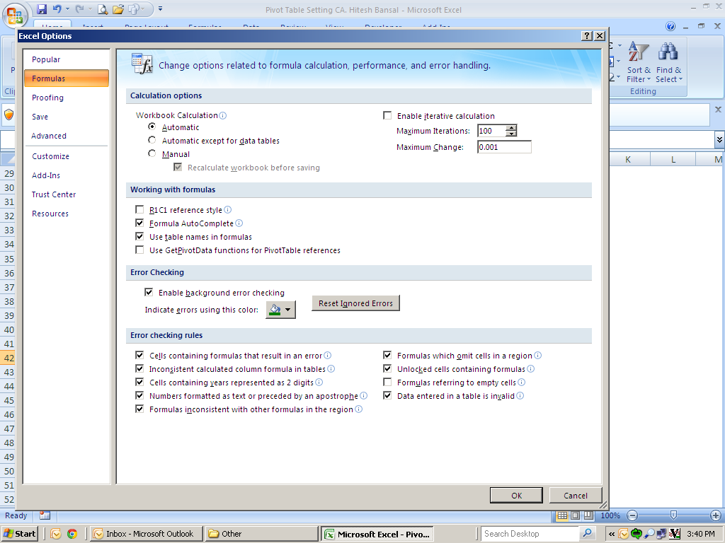
BACK
 | Month
Product | Jan-13 | Feb-13 | Mar-13 | Apr-13 | May-13
Samsung | 319 | 186 | 475 | 486 | 160
Nokia | 267 | 364 | 348 | 166 | 277
Sony | 359 | 428 | 287 | 367 | 159
LG | 437 | 147 | 260 | 286 | 194
BlackBerry | 387 | 357 | 453 | 425 | 239
Micromax | 183 | 104 | 171 | 214 | 318

Task to do | We have calculate % of change for every month from previous month i.e for feb with Jan and so on.
 | Refer yellow color Data

Problem | When we Drag pivot table data in formula , it will not move automatically.See yellow color Data.
 | Values
Row Labels | Sum of Jan-13 | Sum of Feb-13 | Sum of Mar-13 | Sum of Apr-13 | Sum of May-13 | % of Feb over Jan | % of March over Feb | % of Apr over Mar | % of May over April
BlackBerry | 387.00 | 357.00 | 453.00 | 425.00 | 239.00 | 92% | 92% | 92% | 92%
LG | 437.00 | 147.00 | 260.00 | 286.00 | 194.00 | 92% | 92% | 92% | 92%
Micromax | 183.00 | 104.00 | 171.00 | 214.00 | 318.00 | 92% | 92% | 92% | 92%
Nokia | 267.00 | 364.00 | 348.00 | 166.00 | 277.00 | 92% | 92% | 92% | 92%
Samsung | 319.00 | 186.00 | 475.00 | 486.00 | 160.00 | 92% | 92% | 92% | 92%
Sony | 359.00 | 428.00 | 287.00 | 367.00 | 159.00 | 92% | 92% | 92% | 92%
Grand Total | 1,952.00 | 1,586.00 | 1,994.00 | 1,944.00 | 1,347.00

Solution | For doing this use below mention setting and you find the solution.See green color Data.
 | Values
Row Labels | Sum of Jan-13 | Sum of Feb-13 | Sum of Mar-13 | Sum of Apr-13 | Sum of May-13 | % of Feb over Jan | % of March over Feb | % of Apr over Mar | % of May over April
BlackBerry | 387 | 357 | 453 | 425 | 239 | 92% | 127% | 94% | 56%
LG | 437 | 147 | 260 | 286 | 194 | 34% | 177% | 110% | 68%
Micromax | 183 | 104 | 171 | 214 | 318 | 57% | 164% | 125% | 149%
Nokia | 267 | 364 | 348 | 166 | 277 | 136% | 96% | 48% | 167%
Samsung | 319 | 186 | 475 | 486 | 160 | 58% | 255% | 102% | 33%
Sony | 359 | 428 | 287 | 367 | 159 | 119% | 67% | 128% | 43%
Grand Total | 1952 | 1586 | 1994 | 1944 | 1347

Setting
Click on Office Button

Then click on Excel option

Then choose formula tab in left hand side.

After that unchecked on use Get pivot Data funtions for pivot table references in working with formulas tab.

