Sheet1
Little help with formula we often use
If everytime we need to select a range of cells for using any formula than we can instead of range give that range a name
and use that name instead of range in any formula
ex:
Simple formula |  |  | 3 | 5 | 6 | 7 | 8
 | 232 |  | 3 | 5 | 6 | 7 | 8 | CA CS Prakash Somani (A helping Hand)
 |  |  | 3 | 5 | 6 | 7 | 8 | A helping hand
If I give a name to range G5:K12 say prakash |  |  | 3 | 5 | 6 | 7 | 8 | Happy excelling
The formula goes like this |  |  | 3 | 5 | 6 | 7 | 8 | Always green for you
 | 232 |  | 3 | 5 | 6 | 7 | 8 | Etc etc
 |  |  | 3 | 5 | 6 | 7 | 8
 |  |  | 3 | 5 | 6 | 7 | 8

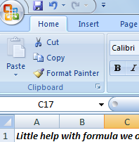
 |  |  |  |  |  |  |  | Write to me for any help :
How to give a name to a range
 | 1 | Select the range for which you want to give a name
 | 2 | type any name at this location
 | 3 | press enter
 | 4 | you are ready to use the range with this name
 | 5 | the major benefit of this is the range will not change even though you copy the formula to other cells

