21-22
 |  |  |  | Figures for F.Y. 21-22 |  |  |  | Figures as per P.Y. Audited Financial Statement | Applicability
Sr. No. | Name of Company | Nature of Company | Small Company | Paid up Capital | Reserves & Surplus | Total Revenue | Total Borrowings from Bank & FIs | Turnover | CARO, 2020 | IFCR | Cash Flow
1 | XYZ PVT LTD | Pvt Ltd | No | 5,000,000 | 5,000,000 | 100,000,000 | 250,000,000 | 500,000,000 | Y | Y | Y
2 | ABC LTD | Ltd | No | NA |  |  |  |  | Y | Y | Y
3 | DDC PVT LTD | Pvt Ltd | No | 20,000,001 | 5,000,000,000 | 5,000,000,000 | 5,000,000,000 | 200,000,000 | Y | Y | Y
4 |  |  | No |  |  |  |  |  | Y | Y | Y
5 |  |  | No |  |  |  |  |  | Y | Y | Y
6 |  |  | No |  |  |  |  |  | Y | Y | Y
7 |  |  | No |  |  |  |  |  | Y | Y | Y
8 |  |  | No |  |  |  |  |  | Y | Y | Y
9 |  |  | No |  |  |  |  |  | Y | Y | Y
10 |  |  | No |  |  |  |  |  | Y | Y | Y
11 |  |  | No |  |  |  |  |  | Y | Y | Y
12 |  |  | No |  |  |  |  |  | Y | Y | Y
13 |  |  | No |  |  |  |  |  | Y | Y | Y
14 |  |  | No |  |  |  |  |  | Y | Y | Y
15 |  |  | No |  |  |  |  |  | Y | Y | Y
16 |  |  | No |  |  |  |  |  | Y | Y | Y
17 |  |  | No |  |  |  |  |  | Y | Y | Y
18 |  |  | No |  |  |  |  |  | Y | Y | Y
19 |  |  | No |  |  |  |  |  | Y | Y | Y
20 |  |  | No |  |  |  |  |  | Y | Y | Y

Notes
1 | CARO, 2020 not apply to Private Companies on following conditions:
(i) | A private company which is not holding or subsidiary company of a public company, | &
(ii) | Paid up capital and Reserve and Surplus doe not exceed (<=) Rs. 1 crore as on the balance sheet date | & |  | It may also be noted that in case a company is covered under the definition of small company, it will remain exempted from the applicability of the Order even if it falls under any of the criteria specified for private company.
(iii) | total borrowing doe not exceed (<=) Rs. 1 crore from any bank and financial institution at any point of time during the financial year | &
(iv) | total revenue as disclosed in Scheduled III to the Companies Act, 2013 (including revenue from discontinuing operations) doe not exceed (<=) Rs. 10 crore during the financial year. | &
 | ----> If Any of the above condition is not met then CARO wil be applicable

2 | Internal Financial Control (IFC) not apply to Private Companies on following conditions:
I | which is a one person company or a small company; | or
II | which has
(i) | turnover less than (<) Rs. 50 crores as per latest audited financial statements | &
(ii) | total borrowing less than (<) Rs. 25 crore from any bank and financial institution at any point of time during the financial year
 | ----> If Any of the above condition is not met then IFC wil be applicable

3 | Cash Flow (As-3) not apply to Private / Unlisted Public Companies on following conditions:
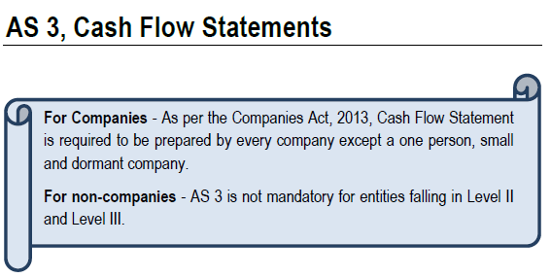
 |  | https://taxguru.in/company-law/applicability-cash-flow-statement-private-companies-companies-act-2013.html

 | Small Company:-
 | According to section 2(85), Small company means a company, other than public company whose

 | (i) Paid up share capital of which does not exceed fifty lakh / 2 Crore rupees or such higher amount as may me prescribed which shall be not be more than ten crore rupees. | &
 | (ii) Turnover of which as per profit and loss account for the immediately preceding financial year does not exceed two / 20 Crore rupees or such higher amount as may be prescribed which shall not be more than one hundred crore rupees.

