LIST
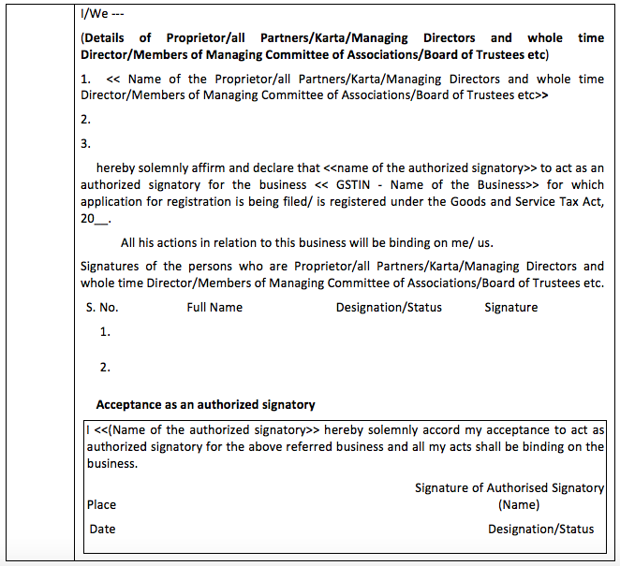
Documents Required for GST Registration in India

Photographs (wherever specified in the Application Form)

1. Proprietary Concern – Proprietor
2. Partnership Firm / LLP – Managing/Authorized/Designated Partners (personal details of all partners is to be submitted but photos of only ten partners including that of Managing Partner is to be submitted)
3. HUF – Karta
4. Company – Managing Director or the Authorised Person
5. Trust – Managing Trustee
6. Association of Person or Body of Individual –Members of Managing Committee (personal details of all members is to be submitted but photos of only ten members including that of Chairman is to be submitted)
7. Local Authority – CEO or his equivalent
8. Statutory Body – CEO or his equivalent
9. Others – Person in Charge

Constitution of Taxpayer:

Partnership Deed in case of Partnership Firm, Registration Certificate/Proof of Constitution in case of Society, Trust, Club, Government Department, Association of Person or Body of Individual, Local Authority, Statutory Body and Others etc.

Proof of Principal/Additional Place of Business:

(a) For Own premises – Any document in support of the ownership of the premises like Latest Property Tax Receipt or Municipal Khata copy or copy of Electricity Bill.

(b) For Rented or Leased premises – A copy of the valid Rent / Lease Agreement with any document in support of the ownership of the premises of the Lessor like Latest Property Tax Receipt or Municipal Khata copy or copy of Electricity Bill.

(c) For premises not covered in (a) & (b) above – A copy of the Consent Letter with any document in support of the ownership of the premises of the Consenter like Municipal Khata copy or Electricity Bill copy. For shared properties also, the same documents may be uploaded.

Bank Account Related Proof

Scanned copy of the first page of Bank passbook / one page of Bank Statemen

Opening page of the Bank Passbook held in the name of the Proprietor / Business Concern – containing the Account No., Name of the Account Holder, MICR and IFSC and Branch details.

Authorization Form:-

For each Authorised Signatory mentioned in the application form, Authorization or copy of Resolution of the Managing Committee or Board of Directors to be filed in the following format:

Declaration for Authorised Signatory (Separate for each signatory)

Declaration for Authorised Signatory

Instruction for filling Application for New Registration

1. Enter Name of taxpayer as recorded on PAN of the Business. In case of Proprietorship concern, enter name of proprietor at Legal Name and mention PAN of the proprietor. PAN shall be verified with Income Tax database
2. Provide Email Id and Mobile Number of primary authorized signatory for verification and future communication which will be verified through One Time Passwords to be sent separately, before filling up Part-B of the application.
3. Applicant need to upload scanned copy of the declaration signed by the Proprietor/all Partners/Karta/Managing Directors and whole time Director/Members of Managing Committee of Associations/Board of Trustees etc. in case the business declares a person as Authorised Signatory.

