Notes
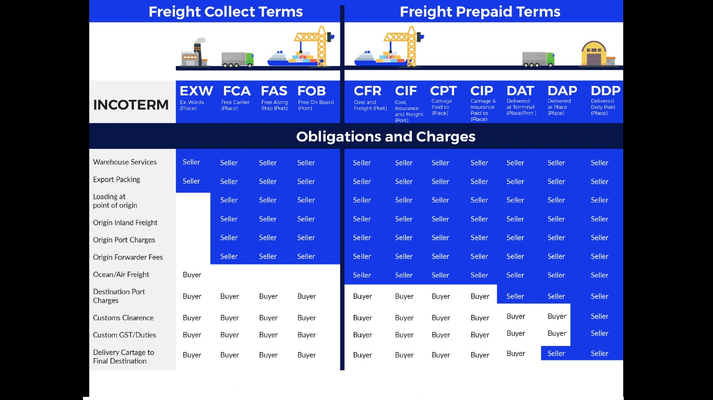
 | Custom Duty on Import
 | Date of BILL OF ENTRY filed
 | OR
 | Date of clearance of Goods from warehouse, whichever is earlier

 | Process of Goods sold by Merchant Exporter
 | A manufacturer can sold goods to merchant exporter at concessional rate @ 0.10% on Tax Invoice, ie.Deemed Export.
 | If the merchant Exporter sends/Exports goods directly out of India

 | Goods should be exported within 90 days of Tax Invoice of manufacturer.

 | GSTIN & Tax Invoice of Supplier/manufacturer should mention on shipping Bill

 | Exporter must be register with export promotion council

 | Exporter must provide a copy of order of procuring goods at concessional rate to the area of the Jurdictional officer of the registered supplier with purchase order copy.

 | Incase goods procured/purchased from various places/manufacturers/warehouse, exporter must give receipt of Tax Invoice of WareHoiuse also to the Jurdictional officer

 | After export shipment, exporter will give shipping Bill & export Invoice & proof of EGM(export general manifest) to the supplier/manufacturer & the Jurdictional officer

 | Note:- ARE-1 & CT-3 under excise has been removed under GST

 | Documents required for LUT-Letter of undertaking
1 | GST RFD-11 online on GST website
2 | LUT PDF form
3 | GST registration certificate- REG-6
4 | Boards resolution with ID proof
5 | Copy of IEC certificate
6 | Company Incorporation certificate or Partnership deed
7 | Declaration on stamp paper (ie. Company didn`t any fraud, & not have any duty liability of Rs 2.5 crore
8 | PAN Copy
9 | ID proof of two witness with self attested

 | Refund on Export Under GST

1 | If export with IGST
 | Paid GST (Output GST on export-ITC of GSt)
 | IGST on export Rs-25000
 | ITC on GST- Rs-20000
 | GST paid (25000-20000) RS-5000
 | But Exporter can apply for full refund of Rs-25000
 | No refund on ITC .

2 | If export with LUT - SEC-42 of GST
 | Ex- Export sales Rs-100000
 | Total sales Rs-200000
 | And, ITC- Rs-20000
 | Refund= | 100000 | x 20000
 |  | 200000
 | = | RS10000

 | Refund= | Turnover of Zero rated supply of goods & services |  |  |  |  | x Total ITC- ITC under rule 4A & 4B
 |  | Total turnover-Exempted supply
 |  | Note- rule 4A/4B is Deemed export ,i.e. Export through merchant exporter at concessional rate @ 0.10%

 | Supply to nepal,bhutan & SEZ are zero rated

 | Types of Shipping Bill--
 | 1)Printed on white paper- No export Duty, no DBK
 | 2)Printed on Yellow paper-Export Duty+cess
 | 3)Printed on Green paper-Export Duty or LUT & DBK
 | 4)Printed on Yellow paper(BOND)- Kept in warehouse for export
 | 5)Printed on Blue paper-Export uinder DEPB scheme

 | Types of Bill of Lading
1 | Clean BL
2 | Transshipment BL |  | ie. Export to vietnam through srilanka
3 | Combined BL |  | i.e export from Delhi to china , which includes ICD -land Dock clearance - delhi dock to mumbai dock & mumbai dock to china
4 | received from shipment BL
5 | Onboard shipped BL
6 | Chartared party BL

 | Foreign Exchange Fluctuation

1 | In case of export |  |  |  |  |  |  | Example
 | exchange rate on export Invoice( should be on the date of filing BL) |  |  |  |  |  |  | Rs 70
 | Date of LC money Reliasation |  |  |  |  |  |  | Rs 68
 | Foreign Exchange Fluctuation Loss |  |  |  |  |  |  | Rs 2

2 | Incase of Import
 | Exchange rate on Filing Bill of Entry for Home Consumption or Warehouse |  |  |  |  |  |  | Rs 70
 | Exchange rate on Invoice send by exporter |  |  |  |  |  |  | Rs68
 | Foreign Exchange Fluctuation gain |  |  |  |  |  |  | Rs 2

 |  |  |  |  |  |  |  | WAREHOUSE |  | (An assessee store goods at wareHouse upto 90 days on Import without payment of duty)

 |  |  | ASSESSEE |  |  |  |  |  |  |  | EOU
 |  |  | If storing of goods above 90 days
 |  |  | at warehouse , then Intrest @ 15% p.a.on Duty

 |  |  |  |  |  |  |  |  |  | Inputs , spares & consumables |  | capital goods
 |  |  |  |  |  |  |  |  |  | storing above 3 years |  | storing above 5 years
 |  |  |  |  |  |  |  |  |  | Intrest @ 15 p.a on Duty |  | Intrest @ 15 p.a on Duty

 |  | Ex-
 |  | Date of filing Bill of Entry for WareHouse |  |  |  | 4/1/2019
 |  | Due Date of paymnet of duty |  |  |  | 6/30/2019 | ie. After 90 days
 |  | Custom Duty Paid |  |  |  | 10/13/2019 | ie. Filed Bill of Entry for Clearance from wareHouse

 |  | So Delayed |  |  |  | 105 days
 |  | Intrest = | Rs 200000 | x | 15 | x | 105
 |  |  |  |  | 100 |  | 365

 |  | BE(Bill of entry) types |  |  |  | Colour
 | 1 | Bill of Entry for Home Consumption |  |  |  | White | 1 | Original | For Customs
 | 2 | Bill of Entry for WareHouse |  |  |  | yellow | 2 | Duplicate | For Customs
 | 3 | Bill of Entry for Clearance from wareHouse |  |  |  | Green | 3 | Triplicate | For Importer
 |  |  |  |  |  |  | 4 | Extra Copy | For Submitting in LC issuing bank , so that Issuing bank order advising bank to release LC money to exporter

