Form 10-IEA FY 2023-24
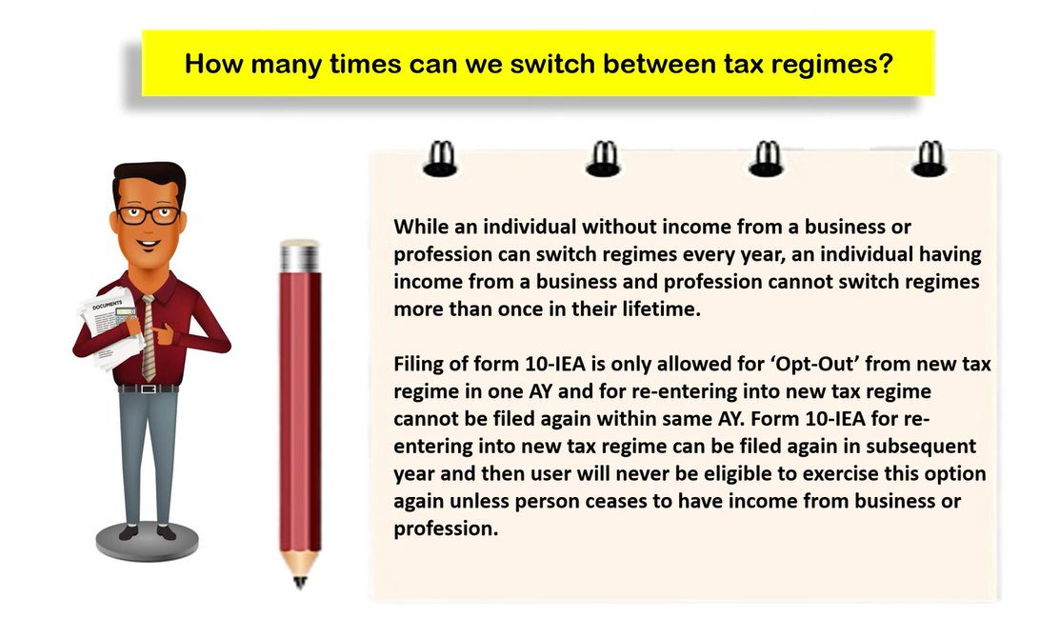
1[FORM No. 10-IEA [See rule 21AGA] Application for exercise of option under clause (i) of sub-section (6) of section 115BAC or withdrawal of option under the proviso to sub-section (6) of section 115BAC of the Income-tax Act, 1961
 | To,
 | The Assessing Officer
 | Ahmedabad, Gujarat
 |  |  |  |  | (To Be Filed Before Filing of ITR)
 |  |  |  | (Applicable to Those Whom Want to Opt OLD REGIME)
Sl.No.
1 | Name | NILESH H GAJJAR
2 | PAN | XXXXX-1234-X
3 | Status of the person referred to in sub-section(1A) of section 115BAC | INDIVIDUAL
4 | Assessment year for which the form is being furnished | AY 2024-25
5 | Whether opting out of or re-entering the regime provided under sub- section (1A) of section 115BAC | Opting Out / Re-Entering
6 | If re-entering as per inputs in 5, provide details of the option exercised earlier. |  | Date of exercising the option for opting out under clause (i) of sub- section (6) of section 115BAC in Form No. 10IEA | First assessment year for which the option was exercised.
 |  |  | 31/07/2024 | 2023-24
7 | Whether having any Unit in International Financial Services Centre (IFSC), as referred to in sub- section (1A) of section 80LA ( if re- entering as per row 5) | Yes / No
1. Inserted by IT (Tenth Amdt.) Rules, 2023, w.e.f. 21-6-2023.
8 | If yes in 7, provide details regarding Units in IFSC: (Add number of columns depending on number of Units) |  |  | Unit 1 | Unit 2 | Unit 3
 |  |  | (1) | (2) | (3) | (4)
 |  |  | Name of Unit
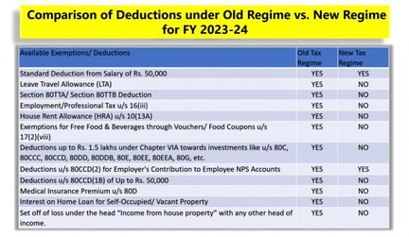
 |  |  | Address of Unit
 |  |  | Nature of activities undertaken in Unit

Undertaking I NILESH H GAJJAR (Name in full and in block letters) having PAN XXXXX-1234-X son/daughter/wife of H P GAJJAR (in case of individual) do hereby declare that to the best of my knowledge and belief what is stated in the Form above is correct and complete. I further declare that I am furnishing such statement in my capacity as INDIVIDUAL / HUF (designation) and that I am competent to make this declaration and furnish this Form. I further declare that the person referred to at serial no. 1 having PAN at serial no. 2 has income under the head “Profits and gains from business or profession” during the assessment year referred to at serial no. 4.

Yours Faithfully,

Signature : |  | ___________________________________________________________________________

Name: |  | ___________________________________________________________________________

Designation: |  | ___________________________________________________________________________

Address: |  | ___________________________________________________________________________

*Signature of the person competent to verify the return of income of the Individual/ HUF / association of persons (other than a co-operative society)/body of individuals, whether incorporated or not/ an artificial juridical person referred to in sub-clause (vii) of clause (31) of section 2 in accordance with the provisions of section 140 of the Act. Note: For status of the person one of the following codes to be selected:

Sl.No. |  | Code
(i) | Individual | 1
(ii) | Hindu Undivided Family (HUF) | 2
(iii) | association of persons (other than a co-operative society) | 3
(iv) | Body of individuals, whether incorporated or not | 4
(v) | An artificial juridical person referred to in sub-clause (vii) of clause (31) of section 2 of the Act | 5]. | Prepared By : Nilesh H Gajjar I Rohan's Tax Services I nilesh.h.gajjar@gmail.com

