RATES
Ca Final - Prashant Gajendra pandey

 |  | TDS

 |  | Due date for payment |  | 07th of the following month
 |  | Int rate if tds deducted but not paid |  | 1.50% | Interest liability will accrue from the date tds is deducted till the date it is paid. | part of month is considered as full month.
 |  | Int rate if tds not deducted . |  | 1% | Interest liability will accrue from the time expense was booked or purchase was booked.
 |  | Return |  | Quarterly (15th of the 4th Month)

 |  | TDS U/s 31

 |  | Due date for payment |  | 07th of the following month, CHALLAN PAYMENT THROUGH FORM NO.405
 |  | Int rate if tds deducted but not paid |  | 1.50% | Interest liability will accrue from the date tds is deducted till the date it is paid.
 |  | Int rate if tds not deducted . |  | 1% | Interest liability will accrue from the time expense was booked or purchase was booked.
 |  | Return |  | Six monthly, Before end of the 7th month

>>>> | WCT @ 4% is to be deducted if the dealer is registerd dealer and @ 5% if the dealer is unregisterd dealer .
>>>> | If PAN remains unquoted then deduction will take @ 20%.
>>>> | WCT is deductible if the transaction existing is of Rs.500000/- or more.

 |  | SERVICE TAX

 |  | Due date for payment |  | 05th of the following Quarter for firms and LLP, whereas 05th of the following month in case of Company
 |  | Return |  | Six monthly , i.e on 25th of the seventh month

 |  | If payment is delayed u/s 68, interest is levied at a rate not less then 10% and not more then exceeding at the rate of 36%.
 |  | if payment is delayed u/s 68, interest is levied at a rate not less then 10% and not more then exceeding at the rate of 36%, interest shall be charged at the minimum of 10% and not exceeding more then 24% u/s 73B
 |  | If turnover of assesse is upto Rs.60lakhs such assesse is liable to pay interest at the rate of 15%
 |  | If refund is received after 3 months interest at the rate of not less then 5% and not exceeding 30%, in normal case 6% simple interest shall be levied

 | Point of taxation refers to payment of service tax on accrual basis

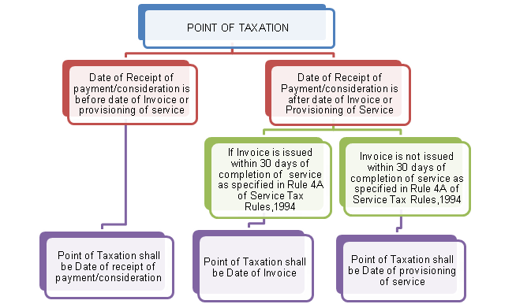

 |  | MVAT

 |  | Due date for payment |  | 21st of the following month
 |  | Interest rate if payment of MVAT delayed |  | 1.5% p.m , therefore 15% p.a , and part of month is considered as full month
 |  | Return |  | Quarterly , before 30th of the next month

 |  | Professional Tax

 |  | Due date for payment |  | If liability is less then Rs.50000 then pay yearly or else ?
 |  | Interest rate if payment of PT delayed
 |  | Return

 | Tax Liability | Periodicity | Months of salary to be covered |  | Due Date
1 | Less than Rs. 50,000 in previous year. | Annual | March of the previous year and April to February of the current year |  | 31st March
2 | Rs. 50,000/- or more in previous year | Monthly | Salary of previous month |  | End of the month for which return is filed.
3 | In case of first year of registration | Monthly | Salary of previous month |  | End of the month for which return is filed

 | Profession Tax Penalties

 | - Delays in obtaining Enrollment , a penalty of Rs. 2/per day and for Registration, a penalty of Rs. 5/- per day.
 | - Providing false information regarding enrollment – Penalty of 3 times of tax amount.
 | - Non-payment or late payment of profession tax – Penalty is equal to 10% of the amount of tax to be imposed.
 | - Late filing of Returns – Penalty of Rs. 300 per return.

 | Profession tax are exempted in the following cases.

 | 1. Senior Citizen above 65 years age is tax exempt. |  |  |  | Now 60 years of age.
 | 2. Person suffering from permanent physical disability.
 | 3. Parent of a child suffering from physically disability.
 | 4. Parent of a mentally retarded child.

TDS
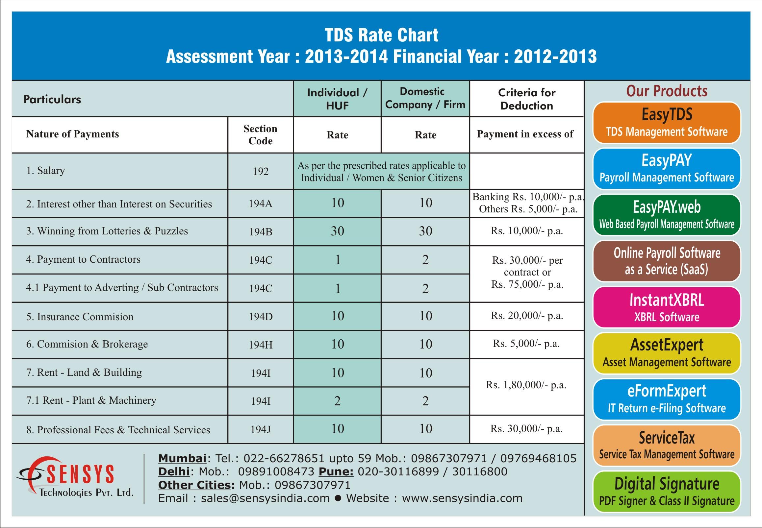
TDS CHART

