Analysis
ANALYSIS OF INVESTMENTS U/S 80C OF THE INCOME TAX ACT AND OTHER INVESTMENTS

COMPARISON STATEMENT SHOWING THE RESULTS OF INVESTING Rs. 100,000/- EVERY YEAR FOR 15 YEARS IN VARIOUS INVESTMENTS

A) Investment of Rs. 100,000/- is made consistently every year for 15 years
B) The test to decide which the better Investment is to see how much wealth you would have after 15 years

SLNO | Name of the Investment |  | Features | Rate of Return pa | Interest Compounded | Wealth in Hand after 15 years |  | Interest Earned/Accrued/Increase in Prices | Tax Deducted /paid on Interest/ Others | Tax Savings | Wealth + Tax Savings | Ranking

I | Public Provident Fund Account |  | See below | 8.80% | Annually | 3,144,701 |  | 1,644,701 | 0 | 943,410 | 4,088,111 | 4
II | National Savings Certificate VIII Issue |  | See below | 8.00% | Semi Annually | 2,973,601 |  | 1,473,601 | 0 | 832,638 | 3,806,239 | 5
III | 5 Year Tax Saver Fixed Deposits |  | See below | 9.25% | Quarterly | 2,830,424 |  | 1,702,736 | 372,311 | 450,000 | 3,280,424 | 7
IV | Post Office Time Deposit |  | See below | 8.50% | Quarterly | 2,676,169 |  | 1,506,506 | 330,337 | 450,000 | 3,126,169 | 10
V | New Pension Scheme/National Pension Scheme |  | See below | 3 Tier Scheme | NA | 3,353,818 |  | 1,965,512 | 111,693 | 450,000 | 3,803,818 | 6
VI | Kisan Vikas Patra (K.V.P) |  | See below | 8.40% | Annually | 2,575,583 |  | 1,536,547 | 460,964 | 0 | 2,575,583 | 14
VII | Investment in Gold |  | See below | Price Rise | NA | 6,264,416 |  | 4,764,416 | 0 | 0 | 6,264,416 | 1
VIII | Senior Citizen Savings Scheme (SCSS) |  | See below | 9.00% | Quarterly | 2,777,822 |  | 1,635,849 | 358,027 | 450,000 | 3,227,822 | 9
IX | Company Deposits |  | See below | 10.34% | Quarterly | 3,025,428 |  | 1,981,551 | 456,123 | 0 | 3,025,428 | 12
X | Deposit With National Housing Bank |  | See below | 9.25% | Quarterly | 2,830,424 |  | 1,702,736 | 372,311 | 450,000 | 3,280,424 | 7
XI | NABARD Bonds |  | See below | 8.25% | Annually | 2,580,251 |  | 1,384,354 | 304,103 | 450,000 | 3,030,251 | 11
XII | Housing Loan |  | See below | Price Rise | NA | 3,760,050 |  | 2,260,050 | 0 | 449,982 | 4,210,032 | 3
XIII | Life Insurance |  | See below | 6.00% | Annually | 2,231,063 |  | 864,403 | 133,340 | 709,321 | 2,940,384 | 13
XIV | Shares & Index Funds |  | See below | Price Rise | NA | 3,812,114 |  | 2,312,114 | 0 | 693,634 | 4,505,748 | 2
Note
1 | Tax Savings on Accruals on Gold and House are not considered since they attract Capital Gains tax at the time of Sale
2 | Tax Savings on Increase in the Price of Shares is recognised since it does not attract Capital Gains tax at the time of Sale

I. | Public Provident Fund Account
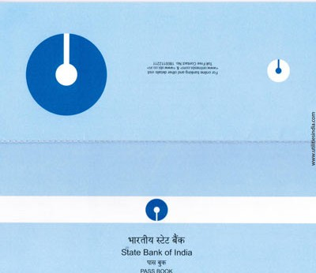
 | Features

1 | Reasonable Return
2 | Tax Free Interest (EEE Regime)
3 | Safety
4 | Retirement Planning Tool
5 | Compound Interest
6 | No Wealth Tax
7 | Deduction upto Rs. 100,000/- U/s 80C of Income tax Act
8 | Long Term Investment
9 | Equivalent to 12.5% Interest if a person is in the 30% tax bracket
10 | Investment can be made in Spouse Name
11 | Minor Child & Parent: Combined Contribution cannot exceed Rs. 100,000/-
12 | Ideal for Childs Education needs. Better than any Child plan of Insurers
13 | Account Opening can be made at Head Post Offices or Designated Nationalized Banks
14 | Account term is 15 years + 5 years extension
PPF ACCOUNT IS IMMUNE FROM ATTACHMENTS. IT CANNOT BE ATTACHED BY A COURT OF LAW IN SETTLEMENT OF DEBTS
15 | Joint Accounts are not permitted
16 | Investment can be made in multiples of 500 Rs. Either Lumpsum or Installment. Installment cannot exceed 12 a year.
17 | Interest Rate on PPF is 8.8% Compounded annually

18 | Interest is allowed at the lowest balance at the credit of account between close of 5th day and end of the month
19 | PPF account is immune from attachement.
20 | In PPF date of realisation of cheque is taken as the date of Deposit
21 | PPF a/c cannot be kept as security in any bank
22 | Form A has to be filled to open a PPF Account

 | Assumptions

1 | Rs. 100,000/- is invested in the beginning of each year for 15 years
2 | Investment is made at 8.8% compounded annually
3 | Tax Savings is on Interest earned on PPF & 80C Benefit on the assumption that it would otherwise be taxable @30%

TABLE SHOWING INVESTMENT IN PPF ACCOUNT OVER 15 YEARS

INVESTMENT IN PPF & INTEREST THEREON IS COMPLETELY TAX FREE. (EEE REGIME)
 |  |  |  | Tax Savings
 |  | 8.80% |  | 30% Slab
SLNo | Investment | Interest | Balance | On Interest | On 80C | TOTAL
1 | 100,000 | 8,800 | 108,800 | 2,640 | 30,000 | 32,640
2 | 100,000 | 18,374 | 227,174 | 5,512 | 30,000 | 35,512
3 | 100,000 | 28,791 | 355,966 | 8,637 | 30,000 | 38,637
4 | 100,000 | 40,125 | 496,091 | 12,037 | 30,000 | 42,037

5 | 100,000 | 52,456 | 648,547 | 15,737 | 30,000 | 45,737
6 | 100,000 | 65,872 | 814,419 | 19,762 | 30,000 | 49,762
7 | 100,000 | 80,469 | 994,888 | 24,141 | 30,000 | 54,141
8 | 100,000 | 96,350 | 1,191,238 | 28,905 | 30,000 | 58,905
9 | 100,000 | 113,629 | 1,404,867 | 34,089 | 30,000 | 64,089
10 | 100,000 | 132,428 | 1,637,295 | 39,728 | 30,000 | 69,728
11 | 100,000 | 152,882 | 1,890,177 | 45,865 | 30,000 | 75,865
12 | 100,000 | 175,136 | 2,165,313 | 52,541 | 30,000 | 82,541
13 | 100,000 | 199,348 | 2,464,660 | 59,804 | 30,000 | 89,804
14 | 100,000 | 225,690 | 2,790,350 | 67,707 | 30,000 | 97,707
15 | 100,000 | 254,351 | 3,144,701 | 76,305 | 30,000 | 106,305
 | 1,500,000 | 1,644,701 |  | 493,410 | 450,000 | 943,410

II. | National Savings Certificate VIII Issue
 | Features
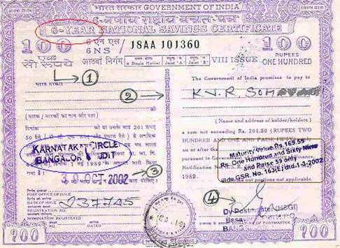
1 | Scheme Specially Designed for Government Employees, businessmen and other salaried assessees
2 | No maximum limit for Investment
3 | No TDS
4 | Certificates can be kept as collateral security to get loan from banks
5 | Investment upto Rs. 100,000/- INR qualifies for rebate U/s 80C of IT Act
6 | Trusts & HUF cannot Invest
7 | Rate of Interest is 8% compounded semi annually. Effective yearly rate is 8.16% compounded annually
8 | Maturity period of NSC is 6 years

 | Assumptions
1 | Every year (i.e for 15 years) Investment is made in NSC of Rs. 100,000 VIII Issue
2 | Investment made in 9th year will get matured at the end of 14th year
3 | Investment made from 11th year onwards will not be matured and hence only accrued interest is considered
4 | Interest received in the year of maturity is taxabe as it is not deemed to be reinvested
5 | Tax Savings on Investment is taken @30% of Rs. 100,000/-
6 | Tax Savings on Interest in taken at 30% from Interest earned from year 1 to year 5 as Accrued Interest is deemed to be reinvested
7 | 6th year Interest in taxable as it is not deemed to be reinvested
NSC WAS STARTED WITH THE IDEA TO PROMOTE SAVINGS AMONG THE MIDDLE CLASS
8 | Tax Benefit for NSC Interest is given even though Total Investment in NSC cannot exceed Rs 100,000/- (Suitable Changes in Investment Portfolio to be made to avail exemption)


NSC VIII Issue Interest Table
 |  | 8.16% |  | Tax Savings
Year | Investment | Interest % | Interest | On Interest | On Investment | TOTAL
1 | 100,000 | 8.160% | 8,160 | 2,448 | 30,000 | 32,448
2 |  | 8.826% | 8,826 | 2,648 |  | 2,648
3 |  | 9.546% | 9,546 | 2,864 |  | 2,864
4 |  | 10.325% | 10,325 | 3,098 |  | 3,098
5 |  | 11.168% | 11,168 | 3,350 |  | 3,350
6 |  | 12.079% | 12,079

 | 100,000 |  | 60,103 | 14,407 | 30,000 | 44,407

STATEMENT SHOWING INVESTMENT MADE IN NSC OVER A PERIOD OF 15 YEARS

 |  | INTEREST EARNED FROM 1ST YEAR TO 6TH YEAR
 | Investment | 1st year | 2nd year | 3rd year | 4th year | 5th year | 6th year | Total Interest | Maturity Proceeds Reinvested | Status | Tax Savings on Investment | Tax Savings on Interest
Year |  | 8.160% | 8.826% | 9.546% | 10.325% | 11.168% | 12.079% |  | Year
1 | 100,000 | 8,160 | 8,826 | 9,546 | 10,325 | 11,168 | 12,079 | 60,103 | 7 | Matured | 30,000 | 14,407
2 | 100,000 | 8,160 | 8,826 | 9,546 | 10,325 | 11,168 | 12,079 | 60,103 | 8 | Matured | 30,000 | 14,407
3 | 100,000 | 8,160 | 8,826 | 9,546 | 10,325 | 11,168 | 12,079 | 60,103 | 9 | Matured | 30,000 | 14,407
4 | 100,000 | 8,160 | 8,826 | 9,546 | 10,325 | 11,168 | 12,079 | 60,103 | 10 | Matured | 30,000 | 14,407
5 | 100,000 | 8,160 | 8,826 | 9,546 | 10,325 | 11,168 | 12,079 | 60,103 | 11 | Matured | 30,000 | 14,407
6 | 100,000 | 8,160 | 8,826 | 9,546 | 10,325 | 11,168 | 12,079 | 60,103 | 12 | Matured | 30,000 | 14,407
7 | 260,103 | 21,224 | 22,956 | 24,830 | 26,856 | 29,047 | 31,417 | 156,330 | 13 | Matured | 30,000 | 37,474
8 | 260,103 | 21,224 | 22,956 | 24,830 | 26,856 | 29,047 | 31,417 | 156,330 | 14 | Matured | 30,000 | 37,474
9 | 260,103 | 21,224 | 22,956 | 24,830 | 26,856 | 29,047 | 31,417 | 156,330 | 15 | Matured | 30,000 | 37,474
10 | 260,103 | 21,224 | 22,956 | 24,830 | 26,856 | 29,047 | 31,417 | 156,330 | 16 | Matured to be reinvested | 30,000 | 37,474
11 | 260,103 | 21,224 | 22,956 | 24,830 | 26,856 | 29,047 | 31,417 | 156,330 | 17 | Running | 30,000 | 37,474
12 | 260,103 | 21,224 | 22,956 | 24,830 | 26,856 | 29,047 | 31,417 | 156,330 | 18 | Running | 30,000 | 28,760
13 | 516,434 | 42,141 | 45,580 | 49,299 | 53,322 | 57,673 | 62,379 | 310,393 | 19 | Running | 30,000 | 41,106
14 | 516,434 | 42,141 | 45,580 | 49,299 | 53,322 | 57,673 | 62,379 | 310,393 | 20 | Running | 30,000 | 26,316
15 | 516,434 | 42,141 | 45,580 | 49,299 | 53,322 | 57,673 | 62,379 | 310,393 | 21 | Running | 30,000 | 12,642
 | 3,709,920 | 302,729 | 327,432 | 354,151 | 383,049 | 414,306 | 448,114 | 2,229,782 |  |  | 450,000 | 382,638

 | Summary at the End of 15 years

1 | Investment at hand: Unmatured NSC (Year 11 to 15) |  |  |  | 2,069,507
2 | Proceeds in Bank of Matured NSC of year 10 yet to be Reinvested |  |  |  | 416,434
3 | Accrued Interest on NSC till date (Unmatured- Marked yellow) |  |  |  | 487,660
4 | Total Interest Earned till date |  |  |  | 985,941
5 | Interest yet to Accrue |  |  |  | 756,180
6 | Tax Savings till date |  |  |  | 832,638

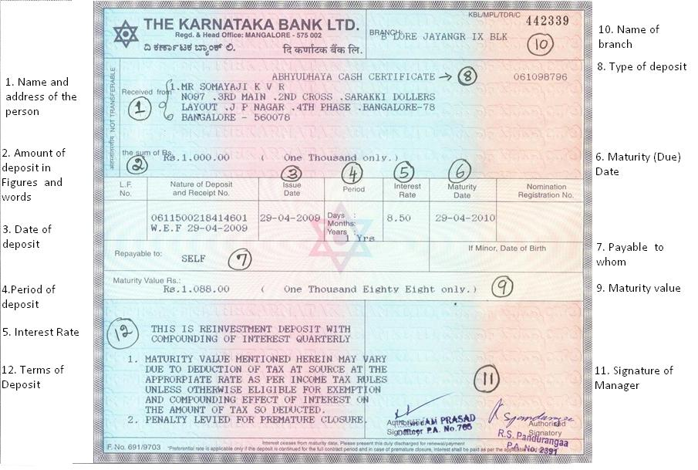
III | 5 Year Tax Saver Fixed Deposits

 | Features
1 | Resident Individuals and HUF can invest
2 | Tenure - 5 years (Lock in Period)
3 | In case of Joint holders of FD, deduction U/s 80C is available only to first account holder
4 | Rate of Interest is as per prevailing rates i.e 9.25% for Ordinary citizen and 9.75% for Senior Citizen
5 | Monthly or quarterly interest payout options
6 | Other than Payout option available: i.e Interest is compounded every quarter
7 | TDS is deducted at applicable rates i.e 10% for Interest payable or reinvested if it is over Rs. 10,000 per customer per branch
8 | Since It is compounded every quarter effective interest rate will be 9.575% compounded per annum
9 | Interest received is fully taxable

 | SOURCE: http://www.hdfcbank.com/personal/product/productdetails/5-year-tax-saving-fixed-deposit/gts8miow

STATEMENT SHOWING INVESTMENT MADE IN TAX SAVER FD OVER A PERIOD OF 15 YEARS

 |  | 9.575% | 10.492% | 11.496% | 12.597% | 13.803%
Year | Investment | 1 | 2 | 3 | 4 | 5 | Total | Reinvestment year | Status | Reinvestment Amount (before tax) | Tax on Interest@30% | Reinvestment Amount after tax | Tax Savings on Investment
1 | 100,000 | 9,575 | 10,492 | 11,496 | 12,597 | 13,803 | 57,964 | 6 | Matured | 157,964 | 17,389 | 140,575 | 30,000
2 | 100,000 | 9,575 | 10,492 | 11,496 | 12,597 | 13,803 | 57,964 | 7 | Matured | 157,964 | 17,389 | 140,575 | 30,000
3 | 100,000 | 9,575 | 10,492 | 11,496 | 12,597 | 13,803 | 57,964 | 8 | Matured | 157,964 | 17,389 | 140,575 | 30,000
4 | 100,000 | 9,575 | 10,492 | 11,496 | 12,597 | 13,803 | 57,964 | 9 | Matured | 157,964 | 17,389 | 140,575 | 30,000
5 | 100,000 | 9,575 | 10,492 | 11,496 | 12,597 | 13,803 | 57,964 | 10 | Matured | 157,964 | 17,389 | 140,575 | 30,000
6 | 240,575 | 23,035 | 25,241 | 27,657 | 30,306 | 33,207 | 139,446 | 11 | Matured | 380,021 | 41,834 | 338,187 | 30,000
7 | 240,575 | 23,035 | 25,241 | 27,657 | 30,306 | 33,207 | 139,446 | 12 | Matured | 380,021 | 41,834 | 338,187 | 30,000
8 | 240,575 | 23,035 | 25,241 | 27,657 | 30,306 | 33,207 | 139,446 | 13 | Matured | 380,021 | 41,834 | 338,187 | 30,000
9 | 240,575 | 23,035 | 25,241 | 27,657 | 30,306 | 33,207 | 139,446 | 14 | Matured | 380,021 | 41,834 | 338,187 | 30,000
10 | 240,575 | 23,035 | 25,241 | 27,657 | 30,306 | 33,207 | 139,446 | 15 | Matured | 380,021 | 41,834 | 338,187 | 30,000
11 | 438,187 | 41,956 | 45,974 | 50,376 | 55,199 | 60,484 | 253,989 | 16 | Matured | 692,176 | 76,197 | 615,979 | 30,000
12 | 438,187 | 41,956 | 45,974 | 50,376 | 55,199 | 60,484 | 253,989 | 17 | Running |  |  |  | 30,000
13 | 438,187 | 41,956 | 45,974 | 50,376 | 55,199 | 60,484 | 253,989 | 18 | Running |  |  |  | 30,000
14 | 438,187 | 41,956 | 45,974 | 50,376 | 55,199 | 60,484 | 253,989 | 19 | Running |  |  |  | 30,000
15 | 438,187 | 41,956 | 45,974 | 50,376 | 55,199 | 60,484 | 253,989 | 20 | Running |  |  |  | 30,000
 | 3,893,807 | 372,832 | 408,531 | 447,648 | 490,510 | 537,476 | 2,256,996 |  |  | 3,382,098 | 372,311 | 3,009,787 | 450,000

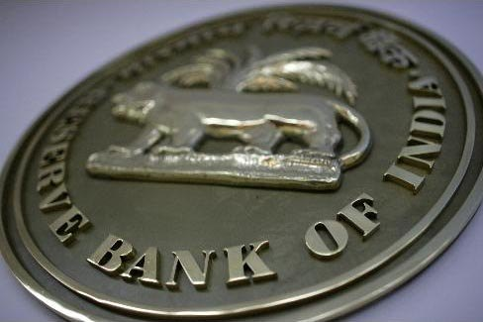
 | Summary at the End of 15 years

1 | Investment at hand: Unmatured FD (Year 12 to 15) |  |  |  |  | 1,752,747
2 | Proceeds in Bank of Matured FD of year 11 yet to be Reinvested |  |  |  |  | 615,979
3 | Accrued Interest on FD till date (Unmatured- Marked yellow) |  |  |  |  | 461,697
4 | Total Interest Earned till date (Marked in Green) |  |  |  |  | 1,241,038
5 | Interest yet to Accrue |  |  |  |  | 554,261
6 | Tax Savings till date |  |  |  |  | 450,000

IV | Post Office Time Deposit

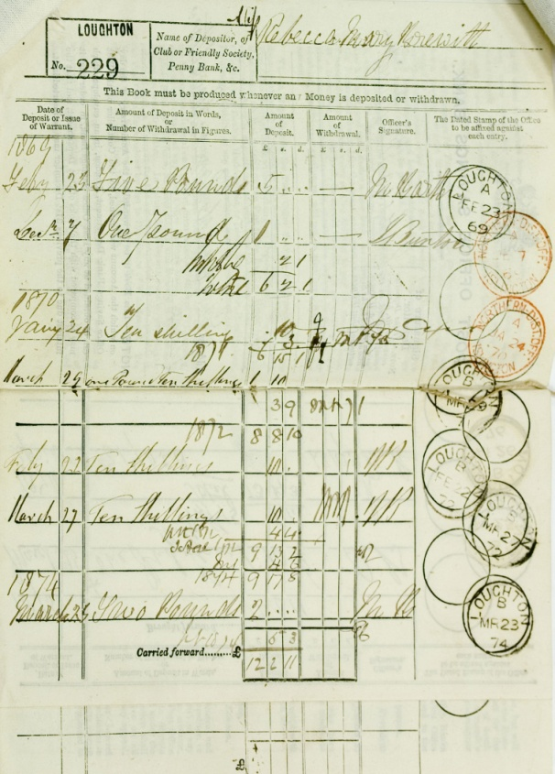
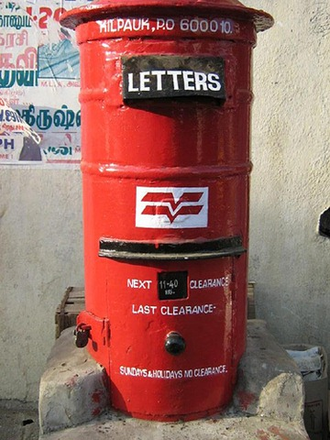
 | Features
1 | An adult singly or Jointly or on behalf of minor can open an account
2 | Minimum Investment Rs. 200/-. Investment should be made in multiples of Rs. 50. No upper limit.
3 | 1 to 5 years maturity periods
4 | Period | Interest Rate
 |  | upto 30.11.2011 | w.e.f. 01.12.2011 | w.e.f. 01.04.2012
 | One Year | 6.25% | 7.70% | 8.20%
 | Two years | 6.50% | 7.80% | 8.30%
 | Three years | 7.25% | 8.00% | 8.40%
 | Five Years | 7.50% | 8.30% | 8.50%

5 | Interest is calculated on quarterly compounding basis paid annually to POSB A/c
6 | 80C benefit is available for deposits
7 | Interest is taxable

 | SOURCE : http://finotax.com/itp/potd.htm

 | Assumptions
1 | POTD is kept for a period of 5 years and every year 100,000/- is invested

 |  | 8.775% | 9.545% | 10.383% | 11.294% | 12.285%
Year | Investment | 1 | 2 | 3 | 4 | 5 | Total | Reinvestment year | Status | Reinvestment Amount (before tax) | Tax on Interest@30% | Reinvestment Amount after tax | Tax Savings
1 | 100,000 | 8,775 | 9,545 | 10,383 | 11,294 | 12,285 | 52,281 | 6 | Matured | 152,281 | 15,684 | 136,597 | 30,000
2 | 100,000 | 8,775 | 9,545 | 10,383 | 11,294 | 12,285 | 52,281 | 7 | Matured | 152,281 | 15,684 | 136,597 | 30,000
3 | 100,000 | 8,775 | 9,545 | 10,383 | 11,294 | 12,285 | 52,281 | 8 | Matured | 152,281 | 15,684 | 136,597 | 30,000
4 | 100,000 | 8,775 | 9,545 | 10,383 | 11,294 | 12,285 | 52,281 | 9 | Matured | 152,281 | 15,684 | 136,597 | 30,000
5 | 100,000 | 8,775 | 9,545 | 10,383 | 11,294 | 12,285 | 52,281 | 10 | Matured | 152,281 | 15,684 | 136,597 | 30,000
6 | 236,597 | 20,761 | 22,583 | 24,565 | 26,720 | 29,065 | 123,695 | 11 | Matured | 360,292 | 37,108 | 323,183 | 30,000
7 | 236,597 | 20,761 | 22,583 | 24,565 | 26,720 | 29,065 | 123,695 | 12 | Matured | 360,292 | 37,108 | 323,183 | 30,000
8 | 236,597 | 20,761 | 22,583 | 24,565 | 26,720 | 29,065 | 123,695 | 13 | Matured | 360,292 | 37,108 | 323,183 | 30,000
9 | 236,597 | 20,761 | 22,583 | 24,565 | 26,720 | 29,065 | 123,695 | 14 | Matured | 360,292 | 37,108 | 323,183 | 30,000
10 | 236,597 | 20,761 | 22,583 | 24,565 | 26,720 | 29,065 | 123,695 | 15 | Matured | 360,292 | 37,108 | 323,183 | 30,000
11 | 423,183 | 37,134 | 40,393 | 43,937 | 47,793 | 51,987 | 221,244 | 16 | Matured | 644,427 | 66,373 | 578,054 | 30,000
12 | 423,183 | 37,134 | 40,393 | 43,937 | 47,793 | 51,987 | 221,244 | 17 | Running |  |  |  | 30,000
13 | 423,183 | 37,134 | 40,393 | 43,937 | 47,793 | 51,987 | 221,244 | 18 | Running |  |  |  | 30,000
14 | 423,183 | 37,134 | 40,393 | 43,937 | 47,793 | 51,987 | 221,244 | 19 | Running |  |  |  | 30,000
15 | 423,183 | 37,134 | 40,393 | 43,937 | 47,793 | 51,987 | 221,244 | 20 | Running |  |  |  | 30,000
 | 3,798,898 | 333,353 | 362,605 | 394,424 | 429,034 | 466,682 | 1,986,099 |  |  | 3,207,289 | 330,337 | 2,876,952 | 450,000

 | Summary at the End of 15 years

1 | Investment at hand: Unmatured POTD (Year 12 to 15) |  |  |  |  | 1,692,732
2 | Proceeds in Bank of Matured FD of year 11 yet to be Reinvested |  |  |  |  | 578,054
3 | Accrued Interest on FD till date (Unmatured- Marked yellow) |  |  |  |  | 405,383
4 | Tax Savings till date |  |  |  |  | 450,000
5 | Total Interest Earned till date (Marked in Green) |  |  |  |  | 1,101,123
6 | Interest yet to Accrue |  |  |  |  | 479,593

V | New Pension Scheme/National Pension Scheme


 | Features
1 | Defined Contribution based Pension System introduced by Govt of India w.e.f 1st Jan 2004
2 | It offers a wide gamut of Investment options to employees
3 | Individuals can decide where to invest their money
4 | The scheme is structured into 2 tiers
5 | Tier I Account: Does not allow premature withdrawal
6 | Tier II Account: Permits premature withdrawal
7 | NPS of Central Govt Employees are managed by Professional Pension Fund Managers in line with Investment Guidelines of Govt for Non Govt Provident Funds
8 | 22 State/UT have Notified NPS for its employees
9 | NPS is regulated by PFRDA (Pension fund Regulatory and Development Authority
10 | NPS is a voluntary Pension Scheme. But it mandatory for Employees of Central Govt. Any one between 18 to 60 years can invest
11 | For Govt servents, 10% of Basic Salary, DA, DP will be deducted. Employer will make a matching contribution
12 | Tier I is compulsory with contributions from the Govt. Wheras Tier II is Voluntary with no contributions from the central Govt
13 | Pension fund managers will manage three separate schemes, each investing in a different asset class
14 | 1. E Class: Investment would primarily be in Equity market instruments. It would invest in Index funds that replicate the portfolio of either BSE Sensitive index or NSE Nifty 50 index.
15 | 2. G Class: Investment would be in Government securities like GOI bonds and State Govt. bonds
16 | 3. C Class: Investment would be in fixed income securities other than Government Securities

17 | Class | Till the of age 35 years | At age 55 Years
 | E | 50% | 10%
 | C | 30% | 10%
 | G | 20% | 80%

18 | NPS levies extremely low Investment management charge of 0.00010% on net AUM (Asset Under Management)
19 | If subscriber exits before 60 years of age, he/she has to invest 80% of accumulated saving to purchase a life annuity from IRDA regulated life insurer. The remaining 20% may be withdrawn as lump sum. On exit after age 60 years from the pension system, the subscriber would be required to invest at least 40% of pension wealth to purchase an annuity. In case of Government employees, the annuity should provide for pension for the lifetime of the employee and his dependent parents and his spouse at the time of retirement. If subscriber does not exit the system at or before 70 years, account would be closed with the benefits transferred to subscriber in lump sum. If a subscriber dies, the nominee has the option to receive the entire pension wealth as a lump sum.
20 | Employee contribution to NPS qualifies for deduction U/s 80CCD of the IT Act
21 | Employer contribution is to be included in total income, but qualifies for deduction U/s 80CCD of the IT Act.(In this case limit of Rs. 100,000/- U/s 80C does not apply)
22 | Withdrawals from NPS will be taxable as per EET (Exempt Exempt Taxable) Regime. (i.e Contributions & Accruals Exempt, withdrawals taxable)
23 | It Is proposed to bring the NPS under the EEE (Exempt Exempt Exempt Regime under the proposed DTC (Direct Tax Code)

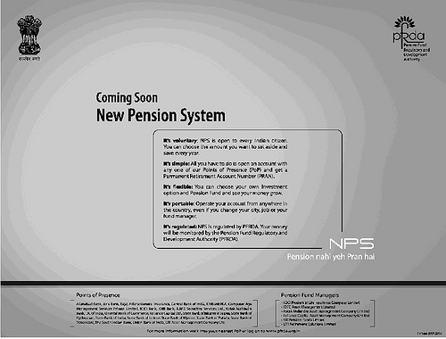
 | SOURCE:
 | http://en.wikipedia.org/wiki/National_Pension_Scheme#Past_investment_returns
 | http://www.investmentkit.com/articles/2011/02/why-not-to-invest-in-new-pension-scheme-nps/
 | http://www.icicibank.com/Personal-Banking/account-deposit/New-Pension-System/pdf/nps_offer.pdf
 | http://www.pankajbatra.com/india/new-pension-scheme-nps-india/

 | http://bse-1991-2000.blogspot.in/p/bse-sensex-historical-prices-in-year_7768.html
 | http://www.bseindia.com/histdata/hindices2.asp

 | Assumptions

1 | Rs.50,000i.e (50% of Rs. 100,000/--is invested every year in Class E i.e in the equity market. The investments are made in index funds that replicate the portfolio of BSE SENSEX
2 | Since predicting the Stock market is difficult, the behaviour of BSE SENSEX is considered of past 15 years
3 | BSE closing rates as at the beginning of the year i.e is 1st Janaury are considered
4 | Dividend Payouts by Companies if any are ignored (As a Contingency for stock market uncertanities)

RETURNS ON "E"CLASS: Investments in Equity Portfolio of BSE Sensitive Index

SLNo | Year | BSE SENSEX at year beginning | 1 | 2 | 3 | 4 | 5 | 6 | 7 | 8 | 9 | 10 | 11 | 12 | 13 | 14 | 15
 |  | BSE SENSEX (Closing Points) | 3,694.62 | 3,060.34 | 5,375.11 | 3,955.08 | 3,246.15 | 3,390.12 | 5,915.47 | 6,679.20 | 9,390.14 | 13,942.24 | 20,300.71 | 9,903.46 | 17,558.73 | 20,561.05 | 15,517.92
1 | 1998 | 3,694.62 | 50,000.00 | 41,416.17 | 72,742.39 | 53,524.86 | 43,930.77 | 45,879.14 | 80,055.19 | 90,390.89 | 127,078.56 | 188,683.00 | 274,733.40 | 134,025.42 | 237,625.66 | 278,256.63 | 210,006.98
2 | 1999 | 3,060.34 |  | 50,000.00 | 87,818.84 | 64,618.31 | 53,035.77 | 55,387.96 | 96,647.27 | 109,125.13 | 153,416.61 | 227,789.07 | 331,674.10 | 161,803.26 | 286,875.48 | 335,927.54 | 253,532.61
3 | 2000 | 5,375.11 |  |  | 50,000.00 | 36,790.69 | 30,196.13 | 31,535.35 | 55,026.50 | 62,130.82 | 87,348.35 | 129,692.60 | 188,839.95 | 92,123.32 | 163,333.68 | 191,261.67 | 144,349.79
4 | 2001 | 3,955.08 |  |  |  | 50,000.00 | 41,037.73 | 42,857.79 | 74,783.19 | 84,438.24 | 118,709.86 | 176,257.37 | 256,640.95 | 125,199.24 | 221,976.93 | 259,932.16 | 196,177.07
5 | 2002 | 3,246.15 |  |  |  |  | 50,000.00 | 52,217.55 | 91,115.17 | 102,878.79 | 144,635.03 | 214,750.40 | 312,689.03 | 152,541.63 | 270,454.69 | 316,699.01 | 239,020.38
6 | 2003 | 3,390.12 |  |  |  |  |  | 50,000.00 | 87,245.73 | 98,509.79 | 138,492.74 | 205,630.48 | 299,409.90 | 146,063.56 | 258,969.15 | 303,249.59 | 228,869.77
7 | 2004 | 5,915.47 |  |  |  |  |  |  | 50,000.00 | 56,455.36 | 79,369.35 | 117,845.58 | 171,590.00 | 83,708.14 | 148,413.65 | 173,790.50 | 131,163.88
8 | 2005 | 6,679.20 |  |  |  |  |  |  |  | 50,000.00 | 70,293.90 | 104,370.58 | 151,969.62 | 74,136.57 | 131,443.36 | 153,918.51 | 116,166.01
9 | 2006 | 9,390.14 |  |  |  |  |  |  |  |  | 50,000.00 | 74,238.72 | 108,095.89 | 52,733.29 | 93,495.57 | 109,482.13 | 82,628.80
10 | 2007 | 13,942.24 |  |  |  |  |  |  |  |  |  | 50,000.00 | 72,802.90 | 35,516.03 | 62,969.54 | 73,736.54 | 55,650.74
11 | 2008 | 20,300.71 |  |  |  |  |  |  |  |  |  |  | 50,000.00 | 24,391.91 | 43,246.59 | 50,641.21 | 38,220.14
12 | 2009 | 9,903.46 |  |  |  |  |  |  |  |  |  |  |  | 50,000.00 | 88,649.47 | 103,807.41 | 78,345.95
13 | 2010 | 17,558.73 |  |  |  |  |  |  |  |  |  |  |  |  | 50,000.00 | 58,549.37 | 44,188.62
14 | 2011 | 20,561.05 |  |  |  |  |  |  |  |  |  |  |  |  |  | 50,000.00 | 37,736.21
15 | 2012 | 15,517.92 |  |  |  |  |  |  |  |  |  |  |  |  |  |  | 50,000.00
 |  |  | 50,000 | 91,416 | 210,561 | 204,934 | 218,200 | 277,878 | 534,873 | 653,929 | 969,344 | 1,489,258 | 2,218,446 | 1,132,242 | 2,057,454 | 2,459,252 | 1,906,057

RETURNS ON "G"CLASS: Investments in GOI Bonds/State Govt Bonds

Assumptions

1 | Rs.20,000/- i.e (20% of Rs. 100,000/-is invested every year in Class G i.e in GOI Bonds/State Govt Bonds
2 | Historically GOI Bonds have had an average return of 8% (GOI 10Y Bond - 1998-2012)
3 | 8% compound Interest is taken on the assumption that

 | SOURCE
 | http://www.tradingeconomics.com/india/government-bond-yield
 | http://www.bloomberg.com/quote/GIND10YR:IND

RETURNS ON "G"CLASS: Investments in GOI Bonds/State Govt Bonds

 |  | 8.000% | 8.702% | 9.466% | 10.296% | 11.200% | 12.182% | 13.251% | 14.414% | 15.679% | 17.055% | 18.552% | 20.179% | 21.950% | 23.876% | 25.972% | Interest
Year | Investment | 1 | 2 | 3 | 4 | 5 | 6 | 7 | 8 | 9 | 10 | 11 | 12 | 13 | 14 | 15 | TOTAL
1 | 20,000 | 1,600 | 1,740 | 1,893 | 2,059 | 2,240 | 2,436 | 2,650 | 2,883 | 3,136 | 3,411 | 3,710 | 4,036 | 4,390 | 4,775 | 5,194 | 46,155
2 | 20,000 |  | 1,600 | 1,740 | 1,893 | 2,059 | 2,240 | 2,436 | 2,650 | 2,883 | 3,136 | 3,411 | 3,710 | 4,036 | 4,390 | 4,775 | 40,961
3 | 20,000 |  |  | 1,600 | 1,740 | 1,893 | 2,059 | 2,240 | 2,436 | 2,650 | 2,883 | 3,136 | 3,411 | 3,710 | 4,036 | 4,390 | 36,185
4 | 20,000 |  |  |  | 1,600 | 1,740 | 1,893 | 2,059 | 2,240 | 2,436 | 2,650 | 2,883 | 3,136 | 3,411 | 3,710 | 4,036 | 31,795
5 | 20,000 |  |  |  |  | 1,600 | 1,740 | 1,893 | 2,059 | 2,240 | 2,436 | 2,650 | 2,883 | 3,136 | 3,411 | 3,710 | 27,760
6 | 20,000 |  |  |  |  |  | 1,600 | 1,740 | 1,893 | 2,059 | 2,240 | 2,436 | 2,650 | 2,883 | 3,136 | 3,411 | 24,049
7 | 20,000 |  |  |  |  |  |  | 1,600 | 1,740 | 1,893 | 2,059 | 2,240 | 2,436 | 2,650 | 2,883 | 3,136 | 20,638
8 | 20,000 |  |  |  |  |  |  |  | 1,600 | 1,740 | 1,893 | 2,059 | 2,240 | 2,436 | 2,650 | 2,883 | 17,502
9 | 20,000 |  |  |  |  |  |  |  |  | 1,600 | 1,740 | 1,893 | 2,059 | 2,240 | 2,436 | 2,650 | 14,619
10 | 20,000 |  |  |  |  |  |  |  |  |  | 1,600 | 1,740 | 1,893 | 2,059 | 2,240 | 2,436 | 11,969
11 | 20,000 |  |  |  |  |  |  |  |  |  |  | 1,600 | 1,740 | 1,893 | 2,059 | 2,240 | 9,533
12 | 20,000 |  |  |  |  |  |  |  |  |  |  |  | 1,600 | 1,740 | 1,893 | 2,059 | 7,293
13 | 20,000 |  |  |  |  |  |  |  |  |  |  |  |  | 1,600 | 1,740 | 1,893 | 5,234
14 | 20,000 |  |  |  |  |  |  |  |  |  |  |  |  |  | 1,600 | 1,740 | 3,340
15 | 20,000 |  |  |  |  |  |  |  |  |  |  |  |  |  |  | 1,600 | 1,600
 | 300,000 | 1,600 | 3,340 | 5,234 | 7,293 | 9,533 | 11,969 | 14,619 | 17,502 | 20,638 | 24,049 | 27,760 | 31,795 | 36,185 | 40,961 | 46,155 | 298,634

RETURNS ON "C"CLASS: Investments in Fixed Income Securities other than Govt Securities

Assumptions

1 | Rs. 30,000 is invested every year in FD in Scheduled Banks
2 | Rate of Interest is as per prevailing rates i.e 9.25% for Ordinary citizen and 9.75% for Senior Citizen
3 | Since It is compounded every quarter effective interest rate will be 9.575% compounded per annum

RETURNS ON "C"CLASS: Investments in Fixed Income Securities other than Govt Securities
 |  | 9.575% | 10.492% | 11.496% | 12.597% | 13.803%
Year | Investment | 1 | 2 | 3 | 4 | 5 | Total | Reinvestment year | Status | Reinvestment Amount (before tax) | Tax on Interest@30% | Reinvestment Amount after tax | Tax Savings on Investment
1 | 30,000 | 2,873 | 3,148 | 3,449 | 3,779 | 4,141 | 17,389 | 6 | Matured | 47,389 | 5,217 | 42,172 | 9,000
2 | 30,000 | 2,873 | 3,148 | 3,449 | 3,779 | 4,141 | 17,389 | 7 | Matured | 47,389 | 5,217 | 42,172 | 9,000
3 | 30,000 | 2,873 | 3,148 | 3,449 | 3,779 | 4,141 | 17,389 | 8 | Matured | 47,389 | 5,217 | 42,172 | 9,000
4 | 30,000 | 2,873 | 3,148 | 3,449 | 3,779 | 4,141 | 17,389 | 9 | Matured | 47,389 | 5,217 | 42,172 | 9,000
5 | 30,000 | 2,873 | 3,148 | 3,449 | 3,779 | 4,141 | 17,389 | 10 | Matured | 47,389 | 5,217 | 42,172 | 9,000
6 | 72,172 | 6,911 | 7,572 | 8,297 | 9,092 | 9,962 | 41,834 | 11 | Matured | 114,006 | 12,550 | 101,456 | 21,652
7 | 72,172 | 6,911 | 7,572 | 8,297 | 9,092 | 9,962 | 41,834 | 12 | Matured | 114,006 | 12,550 | 101,456 | 21,652
8 | 72,172 | 6,911 | 7,572 | 8,297 | 9,092 | 9,962 | 41,834 | 13 | Matured | 114,006 | 12,550 | 101,456 | 21,652
9 | 72,172 | 6,911 | 7,572 | 8,297 | 9,092 | 9,962 | 41,834 | 14 | Matured | 114,006 | 12,550 | 101,456 | 21,652
10 | 72,172 | 6,911 | 7,572 | 8,297 | 9,092 | 9,962 | 41,834 | 15 | Matured | 114,006 | 12,550 | 101,456 | 21,652
11 | 131,456 | 12,587 | 13,792 | 15,113 | 16,560 | 18,145 | 76,197 | 16 | Matured | 207,653 | 22,859 | 184,794 | 30,000
12 | 131,456 | 12,587 | 13,792 | 15,113 | 16,560 | 18,145 | 76,197 | 17 | Running |  |  |  | 30,000
13 | 131,456 | 12,587 | 13,792 | 15,113 | 16,560 | 18,145 | 76,197 | 18 | Running |  |  |  | 30,000
14 | 131,456 | 12,587 | 13,792 | 15,113 | 16,560 | 18,145 | 76,197 | 19 | Running |  |  |  | 30,000
15 | 131,456 | 12,587 | 13,792 | 15,113 | 16,560 | 18,145 | 76,197 | 20 | Running |  |  |  | 30,000
 | 1,168,142 | 111,850 | 122,559 | 134,294 | 147,153 | 161,243 | 677,099 |  |  | 1,014,629 | 111,693 | 902,936 | 303,259

Summary as a result of Investment in NPS

1 | Amount of Wealth in hand after 15 years
a) | In "E" Class |  |  | 1,906,057
b) | In "G" Class |  |  | 598,634
c) | In "C" Class |  |  | 849,127

 |  |  |  | 3,353,818

Disadvantages

1 | It is a Pension Scheme and as such it is not liquid. One cannot withdraw his funds as and one he pleases.
2 | 50% of the funds go into equity Investments and one cannot accurately predict the behavior of the stock market
3 | The returns are dependant on how well the Fund Managers handle your savings.
4 | The corpus accumalated till date is very low and the scheme has not become very popular

VI | Kisan Vikas Patra (K.V.P)

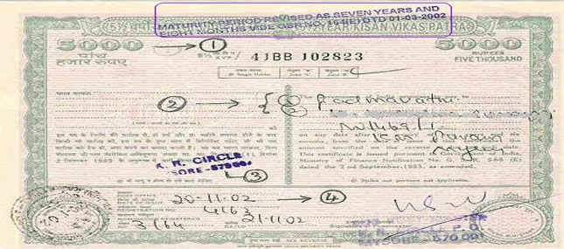
 | Features
1 | It is a Savings Scheme introduced by Govt of India
2 | It doubles the money invested in 8 years and 7 months
3 | It is available in Post offices throughout the country and any citizen of India can invest in it
4 | It can be encashed after 2.5 years from the date of purchase along with Invested amount and accrued interest for the period
5 | It is NOT only for farmers. It means that the revenue mobilised will be used for the welfare schemes for farmers
6 | A adult citizen can buy KVP either in his own name or in the name of his minor child or jointly with another adult
7 | Minimum Investment is Rs. 100/-. There is no upper limit
8 | Interest Accrued on KVP is fully taxable
9 | No TDS at the time of receipt of Interest on maturity
10 | The Interest rate on KVP is 8.40% compounded annually
11 | 80C benefit is not available for KVP

 | SOURCE
 | http://www.kisanvikaspatra.com/

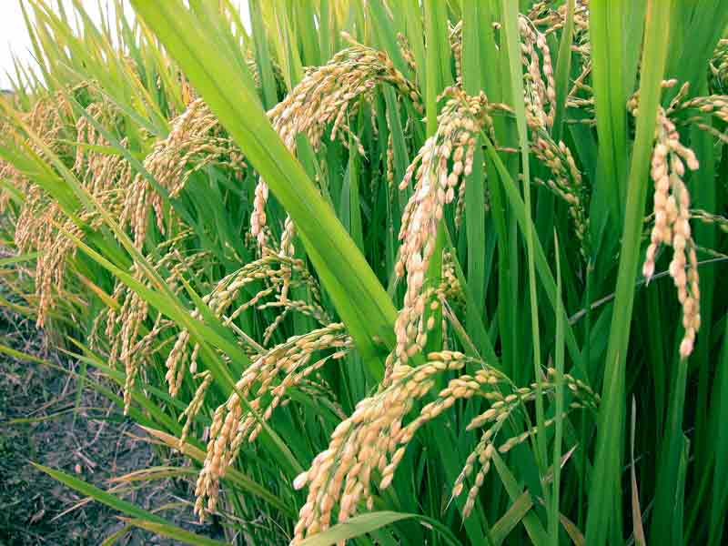
 | Year | Invested Amount (Incl Int) | Interest | Accumalated Balance
 |  |  | 8.40%
 | 1 | 100 | 8 | 108
 | 2 | 108 | 9 | 118
 | 3 | 118 | 10 | 127
 | 4 | 127 | 11 | 138
 | 5 | 138 | 12 | 150
 | 6 | 150 | 13 | 162
 | 7 | 162 | 14 | 176
 | 8 | 176 | 15 | 191
 | 8 years 7 months | 191 | 9 | 200

STATEMENT SHOWING INTEREST EARNED ON KISAN VIKAS PATRA

 |  | 8.400% | 9.106% | 9.870% | 10.700% | 11.598% | 12.573% | 13.629% | 14.774% | 16.015% | 17.360% | 18.818% | 20.399% | 22.112% | 23.970% | 25.983% | Interest
Year | Investment | 1 | 2 | 3 | 4 | 5 | 6 | 7 | 8 | 9 | 10 | 11 | 12 | 13 | 14 | 15 | TOTAL
1 | 100,000 | 8,400 | 9,106 | 9,870 | 10,700 | 11,598 | 12,573 | 13,629 | 14,774 | 16,015 | 17,360 | 18,818 | 20,399 | 22,112 | 23,970 | 25,983 | 235,304
2 | 100,000 |  | 8,400 | 9,106 | 9,870 | 10,700 | 11,598 | 12,573 | 13,629 | 14,774 | 16,015 | 17,360 | 18,818 | 20,399 | 22,112 | 23,970 | 209,321
3 | 100,000 |  |  | 8,400 | 9,106 | 9,870 | 10,700 | 11,598 | 12,573 | 13,629 | 14,774 | 16,015 | 17,360 | 18,818 | 20,399 | 22,112 | 185,352
4 | 100,000 |  |  |  | 8,400 | 9,106 | 9,870 | 10,700 | 11,598 | 12,573 | 13,629 | 14,774 | 16,015 | 17,360 | 18,818 | 20,399 | 163,240
5 | 100,000 |  |  |  |  | 8,400 | 9,106 | 9,870 | 10,700 | 11,598 | 12,573 | 13,629 | 14,774 | 16,015 | 17,360 | 18,818 | 142,841
6 | 100,000 |  |  |  |  |  | 8,400 | 9,106 | 9,870 | 10,700 | 11,598 | 12,573 | 13,629 | 14,774 | 16,015 | 17,360 | 124,023
7 | 100,000 |  |  |  |  |  |  | 8,400 | 9,106 | 9,870 | 10,700 | 11,598 | 12,573 | 13,629 | 14,774 | 16,015 | 106,663
8 | 100,000 |  |  |  |  |  |  |  | 8,400 | 9,106 | 9,870 | 10,700 | 11,598 | 12,573 | 13,629 | 14,774 | 90,649
9 | 100,000 |  |  |  |  |  |  |  |  | 8,400 | 9,106 | 9,870 | 10,700 | 11,598 | 12,573 | 13,629 | 75,875
10 | 100,000 |  |  |  |  |  |  |  |  |  | 8,400 | 9,106 | 9,870 | 10,700 | 11,598 | 12,573 | 62,247
11 | 100,000 |  |  |  |  |  |  |  |  |  |  | 8,400 | 9,106 | 9,870 | 10,700 | 11,598 | 49,674
12 | 100,000 |  |  |  |  |  |  |  |  |  |  |  | 8,400 | 9,106 | 9,870 | 10,700 | 38,076
13 | 100,000 |  |  |  |  |  |  |  |  |  |  |  |  | 8,400 | 9,106 | 9,870 | 27,376
14 | 100,000 |  |  |  |  |  |  |  |  |  |  |  |  |  | 8,400 | 9,106 | 17,506
15 | 100,000 |  |  |  |  |  |  |  |  |  |  |  |  |  |  | 8,400 | 8,400
 | 1,500,000 | 8,400 | 17,506 | 27,376 | 38,076 | 49,674 | 62,247 | 75,875 | 90,649 | 106,663 | 124,023 | 142,841 | 163,240 | 185,352 | 209,321 | 235,304 | 1,536,547

KISAN VIKAS PATRA IS AN INVESTMENT WHICH DOUBLES ITSELF IN 8 YEARS AND 7 MONTHS
 | Summary at the End of 15 years

1 | Investment at hand: |  |  |  |  | 2,575,583
2 | Accrued Interest on KVP |  |  |  |  | 1,536,547
3 | Tax Savings till date* |  |  |  |  | NIL
4 | Tax on Interest Income till Date |  |  |  |  | 460,964

* | 80C Deduction is not available to KVP & Interest Income is fully taxable


VII | Investment in Gold
 | Features
1 | Assumed that Rs. 100,000/- is spent for Buying Gold every year
2 | The rate for Gold is taken for 24 carat gold per gram at the beginning of the year
3 | As predicting the future gold prices is difficult, the trend seen in the past 15 years is considered

 | SOURCE
 | http://goldpricenetwork.com/gold-price-history/?country_id=368&mm=01&yy=1998

SLNo | Year | Gold Prices at year beginning per Gram for 24 carat | Growth in % | 1 | 2 | 3 | 4 | 5 | 6 | 7 | 8 | 9 | 10 | 11 | 12 | 13 | 14 | 15
 |  |  |  | 366.67 | 393.46 | 394.01 | 406.78 | 432.64 | 531.78 | 611.46 | 597.96 | 673.29 | 911.08 | 1,073.16 | 1,396.09 | 1,680.98 | 2,030.53 | 2,670.53
1 | 1998 | 366.67 | - | 100,000.00 | 107,306.30 | 107,456.30 | 110,938.99 | 117,991.65 | 145,029.59 | 166,760.30 | 163,078.52 | 183,622.88 | 248,474.10 | 292,677.34 | 380,748.36 | 458,444.92 | 553,775.87 | 728,319.74
2 | 1999 | 393.46 | 7.31% |  | 100,000.00 | 100,139.79 | 103,385.35 | 109,957.81 | 135,154.78 | 155,405.89 | 151,974.79 | 171,120.32 | 231,555.94 | 272,749.45 | 354,823.87 | 427,230.21 | 516,070.25 | 678,729.73
3 | 2000 | 394.01 | 0.14% |  |  | 100,000.00 | 103,241.03 | 109,804.32 | 134,966.12 | 155,188.95 | 151,762.65 | 170,881.45 | 231,232.71 | 272,368.72 | 354,328.57 | 426,633.84 | 515,349.86 | 677,782.29
4 | 2001 | 406.78 | 3.24% |  |  |  | 100,000.00 | 106,357.24 | 130,729.14 | 150,317.12 | 146,998.38 | 165,516.99 | 223,973.65 | 263,818.28 | 343,205.17 | 413,240.57 | 499,171.54 | 656,504.74
5 | 2002 | 432.64 | 6.36% |  |  |  |  | 100,000.00 | 122,915.13 | 141,332.29 | 138,211.91 | 155,623.61 | 210,586.17 | 248,049.19 | 322,690.92 | 388,540.13 | 469,334.78 | 617,263.78
6 | 2003 | 531.78 | 22.92% |  |  |  |  |  | 100,000.00 | 114,983.64 | 112,445.00 | 126,610.63 | 171,326.49 | 201,805.26 | 262,531.50 | 316,104.40 | 381,836.47 | 502,186.99
7 | 2004 | 611.46 | 14.98% |  |  |  |  |  |  | 100,000.00 | 97,792.17 | 110,111.86 | 149,000.75 | 175,507.80 | 228,320.74 | 274,912.50 | 332,078.96 | 436,746.48
8 | 2005 | 597.96 | -2.21% |  |  |  |  |  |  |  | 100,000.00 | 112,597.83 | 152,364.71 | 179,470.20 | 233,475.48 | 281,119.14 | 339,576.23 | 446,606.80
9 | 2006 | 673.29 | 12.60% |  |  |  |  |  |  |  |  | 100,000.00 | 135,317.62 | 159,390.46 | 207,353.44 | 249,666.56 | 301,583.27 | 396,638.89
10 | 2007 | 911.08 | 35.32% |  |  |  |  |  |  |  |  |  | 100,000.00 | 117,789.88 | 153,234.62 | 184,504.11 | 222,870.66 | 293,116.96
11 | 2008 | 1,073.16 | 17.79% |  |  |  |  |  |  |  |  |  |  | 100,000.00 | 130,091.51 | 156,638.34 | 189,210.37 | 248,847.33
12 | 2009 | 1,396.09 | 30.09% |  |  |  |  |  |  |  |  |  |  |  | 100,000.00 | 120,406.28 | 145,444.06 | 191,286.38
13 | 2010 | 1,680.98 | 20.41% |  |  |  |  |  |  |  |  |  |  |  |  | 100,000.00 | 120,794.42 | 158,867.45
14 | 2011 | 2,030.53 | 20.79% |  |  |  |  |  |  |  |  |  |  |  |  |  | 100,000.00 | 131,518.86
15 | 2012 | 2,670.53 | 31.52% |  |  |  |  |  |  |  |  |  |  |  |  |  |  | 100,000.00
 |  |  |  | 100,000 | 207,306 | 307,596 | 417,565 | 544,111 | 768,795 | 983,988 | 1,062,263 | 1,296,086 | 1,853,832 | 2,283,627 | 3,070,804 | 3,797,441 | 4,687,097 | 6,264,416

Summary at the End of 15 years

Investment at hand: |  |  |  |  | 6,264,416
Tax Savings till date |  |  |  |  | NIL

Disadvantages

1 | There can be no tax Savings for Investment in Gold as there is no 80C benefit
2 | It is a stagnant asset and there will be no accruals in the form of Interest
3 | Since gold is a capital asset, it attracts capital gains tax when it is disposed off
4 | Gold prices are highly unpredictable and as such investment in gold may not be lucrative if the prices go down

VIII | Senior Citizen Savings Scheme (SCSS)


 | Features
1 | Senior Citizens Savings Scheme is a deposit scheme specially meant for elderly citizens
2 | Investment can be made by only those who are above 60 years or 55 years in case of VRS. Defence People can invest at any age
3 | Only Resident Individuals can invest. NRI (non resident Indians), PIO (persons of Indian Origin) and HUF cannot invest
4 | The Senior Citizen’s Savings Scheme has a maturity of 5 years, which is extendable by 3 years.
5 | Interest rate is 9% per annum
6 | The interest is computed and paid out every quarter. That is, the interest is paid out every three months.
7 | 80C benefit is available for Investments made but Interest earned is taxable & TDS is also applicable
8 | Minimum Investment Is Rs. 1000 & maximim is Rs. 15,00,000/-. And investment can be made in multiples of 1000
9 | Account can be opened jointly with Spouse
10 | The SCSS is backed by the Government of India
11 | A Senior Citizen Savings Scheme account can be opened at any designated post office throughout the country.

 | Assumptions
1 | Rs. 100,000/- is invested every year in SCSS
2 | 9% interest paid out every quarter equals 9.308% compounded annually assuming the interest amount is reinvested

 | TABLE SHOWING INVESTMENT IN SENIOR CITIZEN SAVINGS SCHEME

 |  | 9.308% | 10.174% | 11.121% | 12.157% | 13.288%
Year | Investment | 1 | 2 | 3 | 4 | 5 | Total | Reinvestment year | Status | Reinvestment Amount (before tax) | Tax on Interest@30% | Reinvestment Amount after tax | Tax Savings on Investment
1 | 100,000 | 9,308 | 10,174 | 11,121 | 12,157 | 13,288 | 56,049 | 6 | Matured | 156,049 | 16,815 | 139,234 | 30,000
2 | 100,000 | 9,308 | 10,174 | 11,121 | 12,157 | 13,288 | 56,049 | 7 | Matured | 156,049 | 16,815 | 139,234 | 30,000
3 | 100,000 | 9,308 | 10,174 | 11,121 | 12,157 | 13,288 | 56,049 | 8 | Matured | 156,049 | 16,815 | 139,234 | 30,000
4 | 100,000 | 9,308 | 10,174 | 11,121 | 12,157 | 13,288 | 56,049 | 9 | Matured | 156,049 | 16,815 | 139,234 | 30,000
5 | 100,000 | 9,308 | 10,174 | 11,121 | 12,157 | 13,288 | 56,049 | 10 | Matured | 156,049 | 16,815 | 139,234 | 30,000
6 | 239,234 | 22,268 | 24,341 | 26,606 | 29,083 | 31,790 | 134,087 | 11 | Matured | 373,321 | 40,226 | 333,095 | 30,000
7 | 239,234 | 22,268 | 24,341 | 26,606 | 29,083 | 31,790 | 134,087 | 12 | Matured | 373,321 | 40,226 | 333,095 | 30,000
8 | 239,234 | 22,268 | 24,341 | 26,606 | 29,083 | 31,790 | 134,087 | 13 | Matured | 373,321 | 40,226 | 333,095 | 30,000
9 | 239,234 | 22,268 | 24,341 | 26,606 | 29,083 | 31,790 | 134,087 | 14 | Matured | 373,321 | 40,226 | 333,095 | 30,000
10 | 239,234 | 22,268 | 24,341 | 26,606 | 29,083 | 31,790 | 134,087 | 15 | Matured | 373,321 | 40,226 | 333,095 | 30,000
11 | 433,095 | 40,312 | 44,065 | 48,166 | 52,650 | 57,550 | 242,743 | 16 | Matured | 675,838 | 72,823 | 603,015 | 30,000
12 | 433,095 | 40,312 | 44,065 | 48,166 | 52,650 | 57,550 | 242,743 | 17 | Running |  |  |  | 30,000
13 | 433,095 | 40,312 | 44,065 | 48,166 | 52,650 | 57,550 | 242,743 | 18 | Running |  |  |  | 30,000
14 | 433,095 | 40,312 | 44,065 | 48,166 | 52,650 | 57,550 | 242,743 | 19 | Running |  |  |  | 30,000
15 | 433,095 | 40,312 | 44,065 | 48,166 | 52,650 | 57,550 | 242,743 | 20 | Running |  |  |  | 30,000
 | 3,861,645 | 359,442 | 392,899 | 429,470 | 469,445 | 513,141 | 2,164,396 |  |  | 3,322,687 | 358,027 | 2,964,660 | 450,000

 | Summary at the End of 15 years

 | Investment at hand: Unmatured SCSS (Year 12 to 15) |  |  |  |  | 1,732,380
 | Proceeds in Bank of Matured SCSS of year 11 yet to be Reinvested |  |  |  |  | 603,015
 | Accrued Interest on SCSS till date (Unmatured- Marked Green) |  |  |  |  | 442,427
 | Tax Savings till date |  |  |  |  | 450,000
 | Total Interest Earned till date (Marked in Yellow) |  |  |  |  | 1,193,422
 | Interest yet to Accrue |  |  |  |  | 528,547

http://www.raagvamdatt.com/all-you-wanted-to-know-about-senior-citizen-savings-scheme-scss

IX | Company Deposits
 | Features

1 | The deposit placed by investors with companies for a fixed term carrying a prescribed rate of interest is called Company Fixed Deposit. Financial institutions and Non-Banking Finance Companies (NBFCs) also accept such deposits. Deposits thus mobilised are governed by the Companies Act under Section 58A. These deposits are unsecured, i.e., if the company defaults, the investor cannot sell the documents to recover his capital, thus making them a risky investment option.

 | SOURCE

 | http://www.moneycontrol.com/fixed-income/company-deposits/
 | http://www.moneycontrol.com/fixed-income/company-deposits/shriram-transport-finance-shriram-unnati-rates-ST01.html


 | Features
1 | These deposits are completely unsecured
2 | The period varies from less than 1 year to more than 5 years
3 | Interest Rate on these deposits varies from company to company
4 | Interest on these deposits is completely taxable
5 | 80C benefit is not available on these deposits

 | Assumptions
1 | Interest rate on one of the deposit kept for 4 years is 10.34% pa
2 | Interest is compounded quarterly
3 | Effective rate of Interest per annum comes to 10.748%

 |  | 10.748% | 11.903% | 13.183% | 14.599%
Year | Investment | 1 | 2 | 3 | 4 | Total | Reinvestment year | Status | Reinvestment Amount (before tax) | Tax on Interest@30% | Reinvestment Amount after tax
1 | 100,000 | 10,748 | 11,903 | 13,183 | 14,599 | 50,433 | 5 | Matured | 150,433 | 15,130 | 135,303
2 | 100,000 | 10,748 | 11,903 | 13,183 | 14,599 | 50,433 | 6 | Matured | 150,433 | 15,130 | 135,303
3 | 100,000 | 10,748 | 11,903 | 13,183 | 14,599 | 50,433 | 7 | Matured | 150,433 | 15,130 | 135,303
4 | 100,000 | 10,748 | 11,903 | 13,183 | 14,599 | 50,433 | 8 | Matured | 150,433 | 15,130 | 135,303
5 | 235,303 | 25,290 | 28,009 | 31,019 | 34,353 | 118,671 | 9 | Matured | 353,974 | 35,601 | 318,373
6 | 235,303 | 25,290 | 28,009 | 31,019 | 34,353 | 118,671 | 10 | Matured | 353,974 | 35,601 | 318,373
7 | 235,303 | 25,290 | 28,009 | 31,019 | 34,353 | 118,671 | 11 | Matured | 353,974 | 35,601 | 318,373
8 | 235,303 | 25,290 | 28,009 | 31,019 | 34,353 | 118,671 | 12 | Matured | 353,974 | 35,601 | 318,373
9 | 418,373 | 44,967 | 49,800 | 55,152 | 61,080 | 210,999 | 13 | Matured | 629,371 | 63,300 | 566,072
10 | 418,373 | 44,967 | 49,800 | 55,152 | 61,080 | 210,999 | 14 | Matured | 629,371 | 63,300 | 566,072
11 | 418,373 | 44,967 | 49,800 | 55,152 | 61,080 | 210,999 | 15 | Matured | 629,371 | 63,300 | 566,072
12 | 418,373 | 44,967 | 49,800 | 55,152 | 61,080 | 210,999 | 16 | Matured | 629,371 | 63,300 | 566,072
13 | 666,072 | 71,589 | 79,284 | 87,805 | 97,243 | 335,921 | 17 | Running
14 | 666,072 | 71,589 | 79,284 | 87,805 | 97,243 | 335,921 | 18 | Running
15 | 666,072 | 71,589 | 79,284 | 87,805 | 97,243 | 335,921 | 19 | Running
 | 5,012,919 | 538,789 | 596,698 | 660,831 | 731,857 | 2,528,174 |  |  | 4,535,114 | 456,123 | 4,078,991

 | Summary at the End of 15 years

 | Investment at hand: Unmatured Company FD's (Year 13 to 15) |  |  |  |  | 1,998,215
 | Proceeds in Bank of Matured Co. FD's of year 12 yet to be Reinvested |  |  |  |  | 566,072
 | Accrued Interest on C-FD's till date (Marked Yellow) |  |  |  |  | 461,141
 | Tax Savings till date |  |  |  |  | 0
 | Total Interest Earned till date (Marked in Orange) |  |  |  |  | 1,520,410
 | Interest yet to Accrue (Marked in Green) |  |  |  |  | 546,622


X | Deposit With National Housing Bank
 | Features
1 | National Housing Bank is wholly owned by the RBI
2 | NHB SUVRIDDHI (Tax Saving )Term Deposit Scheme fetches interest of 9.25% pa compounded quarterly
3 | The duration of the deposit is 60 months and the effective Interest rate p.a works out to be 9.575%
4 | Minimum of Rs. 10,000 and higher in multiples thereof up to maximum of Rs. 1,00,000/- per financial year.
5 | Individuals and HUF Can deposit
6 | 80C benefit is available for investments in NHB Deposit
7 | Interest on NHB deposit is fully taxable and TDS is applicable U/s 194A of the Income tax act

 | SOURCE
 | http://nhb.org.in/Deposit_Scheme/SALIENT_FEATURES_NHB_SUVRIDDHI.php

 |  | 9.575% | 10.492% | 11.496% | 12.597% | 13.803%
Year | Investment | 1 | 2 | 3 | 4 | 5 | Total | Reinvestment year | Status | Reinvestment Amount (before tax) | Tax on Interest@30% | Reinvestment Amount after tax | Tax Savings on Investment
1 | 100,000 | 9,575 | 10,492 | 11,496 | 12,597 | 13,803 | 57,964 | 6 | Matured | 157,964 | 17,389 | 140,575 | 30,000
2 | 100,000 | 9,575 | 10,492 | 11,496 | 12,597 | 13,803 | 57,964 | 7 | Matured | 157,964 | 17,389 | 140,575 | 30,000
3 | 100,000 | 9,575 | 10,492 | 11,496 | 12,597 | 13,803 | 57,964 | 8 | Matured | 157,964 | 17,389 | 140,575 | 30,000
4 | 100,000 | 9,575 | 10,492 | 11,496 | 12,597 | 13,803 | 57,964 | 9 | Matured | 157,964 | 17,389 | 140,575 | 30,000
5 | 100,000 | 9,575 | 10,492 | 11,496 | 12,597 | 13,803 | 57,964 | 10 | Matured | 157,964 | 17,389 | 140,575 | 30,000
6 | 240,575 | 23,035 | 25,241 | 27,657 | 30,306 | 33,207 | 139,446 | 11 | Matured | 380,021 | 41,834 | 338,187 | 30,000
7 | 240,575 | 23,035 | 25,241 | 27,657 | 30,306 | 33,207 | 139,446 | 12 | Matured | 380,021 | 41,834 | 338,187 | 30,000
8 | 240,575 | 23,035 | 25,241 | 27,657 | 30,306 | 33,207 | 139,446 | 13 | Matured | 380,021 | 41,834 | 338,187 | 30,000
9 | 240,575 | 23,035 | 25,241 | 27,657 | 30,306 | 33,207 | 139,446 | 14 | Matured | 380,021 | 41,834 | 338,187 | 30,000
10 | 240,575 | 23,035 | 25,241 | 27,657 | 30,306 | 33,207 | 139,446 | 15 | Matured | 380,021 | 41,834 | 338,187 | 30,000
11 | 438,187 | 41,956 | 45,974 | 50,376 | 55,199 | 60,484 | 253,989 | 16 | Matured | 692,176 | 76,197 | 615,979 | 30,000
12 | 438,187 | 41,956 | 45,974 | 50,376 | 55,199 | 60,484 | 253,989 | 17 | Running |  |  |  | 30,000
13 | 438,187 | 41,956 | 45,974 | 50,376 | 55,199 | 60,484 | 253,989 | 18 | Running |  |  |  | 30,000
14 | 438,187 | 41,956 | 45,974 | 50,376 | 55,199 | 60,484 | 253,989 | 19 | Running |  |  |  | 30,000
15 | 438,187 | 41,956 | 45,974 | 50,376 | 55,199 | 60,484 | 253,989 | 20 | Running |  |  |  | 30,000
 | 3,893,807 | 372,832 | 408,531 | 447,648 | 490,510 | 537,476 | 2,256,996 |  |  | 3,382,098 | 372,311 | 3,009,787 | 450,000

 | Summary at the End of 15 years

1 | Investment at hand: Unmatured FD (Year 12 to 15) |  |  |  |  | 1,752,747
2 | Proceeds in Bank of Matured FD of year 11 yet to be Reinvested |  |  |  |  | 615,979
3 | Accrued Interest on FD till date (Unmatured- Marked yellow) |  |  |  |  | 461,697
4 | Total Interest Earned till date (Marked in Green) |  |  |  |  | 1,241,038
5 | Interest yet to Accrue |  |  |  |  | 554,261
6 | Tax Savings till date |  |  |  |  | 450,000


XI | NABARD Bonds
 | Features
1 | NABARD stands for National Bank for Agriculture and Rural Development
2 | These Bonds qualify for exemption U/s 80C of the Income tax act
3 | The tenure of the Bonds are 5 years from the date of allotment. The Lock in period is 5 years
4 | The face value of each Bond is 1000/- and the minimum investment is 5 Bonds
5 | Investment can either be held in physical form or in demat form.
6 | Interest rate on NABARD bonds is 8.25% pa and for Senior Citizens it is 8.75% (i.e 50 bps higher)
7 | Interest on NABARD bonds is completely taxable whereas investment made in NABARD bonds qualify for 80C deduction
8 | The interest on NABARD bonds is not compounded thus making it a less preferred investment avenue

 | SOURCE
 | http://www.nabard.org/pdf/RuralBonds_TC.pdf
 | http://www.nabard.org/newsletter/newsletter_jan08.asp

 |  | 8.250% | 8.931% | 9.667% | 10.465% | 11.328%
Year | Investment | 1 | 2 | 3 | 4 | 5 | Total | Reinvestment year | Status | Reinvestment Amount (before tax) | Tax on Interest@30% | Reinvestment Amount after tax | Tax Savings on Investment
1 | 100,000 | 8,250 | 8,931 | 9,667 | 10,465 | 11,328 | 48,641 | 6 | Matured | 148,641 | 14,592 | 134,049 | 30,000
2 | 100,000 | 8,250 | 8,931 | 9,667 | 10,465 | 11,328 | 48,641 | 7 | Matured | 148,641 | 14,592 | 134,049 | 30,000
3 | 100,000 | 8,250 | 8,931 | 9,667 | 10,465 | 11,328 | 48,641 | 8 | Matured | 148,641 | 14,592 | 134,049 | 30,000
4 | 100,000 | 8,250 | 8,931 | 9,667 | 10,465 | 11,328 | 48,641 | 9 | Matured | 148,641 | 14,592 | 134,049 | 30,000
5 | 100,000 | 8,250 | 8,931 | 9,667 | 10,465 | 11,328 | 48,641 | 10 | Matured | 148,641 | 14,592 | 134,049 | 30,000
6 | 234,049 | 19,309 | 20,902 | 22,626 | 24,493 | 26,514 | 113,844 | 11 | Matured | 347,893 | 34,153 | 313,740 | 30,000
7 | 234,049 | 19,309 | 20,902 | 22,626 | 24,493 | 26,514 | 113,844 | 12 | Matured | 347,893 | 34,153 | 313,740 | 30,000
8 | 234,049 | 19,309 | 20,902 | 22,626 | 24,493 | 26,514 | 113,844 | 13 | Matured | 347,893 | 34,153 | 313,740 | 30,000
9 | 234,049 | 19,309 | 20,902 | 22,626 | 24,493 | 26,514 | 113,844 | 14 | Matured | 347,893 | 34,153 | 313,740 | 30,000
10 | 234,049 | 19,309 | 20,902 | 22,626 | 24,493 | 26,514 | 113,844 | 15 | Matured | 347,893 | 34,153 | 313,740 | 30,000
11 | 413,740 | 34,134 | 36,950 | 39,998 | 43,298 | 46,870 | 201,249 | 16 | Matured | 614,989 | 60,375 | 554,614 | 30,000
12 | 413,740 | 34,134 | 36,950 | 39,998 | 43,298 | 46,870 | 201,249 | 17 | Running |  |  |  | 30,000
13 | 413,740 | 34,134 | 36,950 | 39,998 | 43,298 | 46,870 | 201,249 | 18 | Running |  |  |  | 30,000
14 | 413,740 | 34,134 | 36,950 | 39,998 | 43,298 | 46,870 | 201,249 | 19 | Running |  |  |  | 30,000
15 | 413,740 | 34,134 | 36,950 | 39,998 | 43,298 | 46,870 | 201,249 | 20 | Running |  |  |  | 30,000
 | 3,738,945 | 308,463 | 333,911 | 361,459 | 391,279 | 423,560 | 1,818,672 |  |  | 3,097,662 | 304,103 | 2,793,559 | 450,000

 | Summary at the End of 15 years

1 | Investment at hand: Unmatured NABARD Bonds (Year 12 to 15) |  |  |  |  | 1,654,960
2 | Proceeds in Bank of Matured NABARD Bond of year 11 yet to be Reinvested |  |  |  |  | 554,614
3 | Accrued Interest on Bonds till date (Unmatured- Marked yellow) |  |  |  |  | 370,676
4 | Total Interest Earned till date (Marked in Green) |  |  |  |  | 1,013,677
5 | Interest yet to Accrue |  |  |  |  | 434,318
6 | Tax Savings till date |  |  |  |  | 450,000

XII | Housing Loan
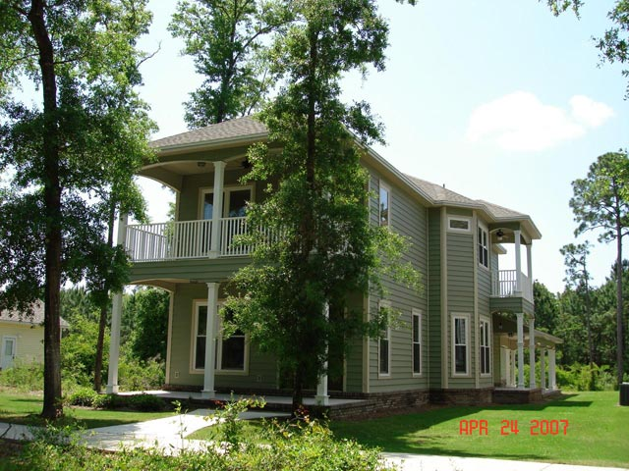

 | Features

1 | The Prevailing Interest Rate on Housing Loan is 10.4% pa
2 | If Rs. 100,000/- could be invested each year i.e pay an EMI of |  |  |  | 8,333 | Per month, then we have to see the value of
 | the House after 15 years to decide whether it Is a worthwhile Investment
3 | Other considerations also governs this investment like the Security & comfort of owning your own House
4 | The Total Cost of this house over a period of 15 years is Rs. 15,00,000/- i.e EMI's of 8,333/- was paid every month for 180 months i.e 15 years
5 | However when the house was first purchased the value of the house was Rs. 758,092 i.e equal to the Loan borrowed
6 | We will have to see the value of the House after a period of 15 years.

 | METHODOLOGY TO ESTIMATE HOUSING PRICES AFTER 15 YEARS

1 | National Housing Bank has come up with an index to value the prices of properties. It is called the NHB Residex
2 | It considers the actual movement of prices of Residential properties in 15 cities
3 | We will consider this as a base for valuation of our house property
4 | Lets assume that the property is in Delhi

a) | Loan Amount |  | 758,092 |  |  |  |  | TABLE SHOWING THE PRICE OF HOUSE PROPERTY AFTER 15 YEARS
b) | Percentage Interest |  | 10.40%
 |  |  |  |  |  |  |  | Value of the House during Purchase |  |  | 758,092
SL No | EMI | Interest | Principal | Loan Balance | Tax Savings on Interest | Tax Savings on Principal |  | SL.No | Year | % Increase | NHB Residex | Value of the House Property
 |  |  |  | 758,092 |  |  |  |  | 2007 |  | 100
1 | 8,333 | 6,570 | 1,763 | 756,329 | 1,971 | 529 |  | Jan-June 2008 | 2008 | 24.00% | 124
2 | 8,333 | 6,555 | 1,778 | 754,551 | 1,966 | 533 |  | Jan-June 2009 | 2009 | -2.42% | 121
3 | 8,333 | 6,539 | 1,794 | 752,758 | 1,962 | 538 |  | Jan-March 2010 | 2010 | -12.40% | 106
4 | 8,333 | 6,524 | 1,809 | 750,948 | 1,957 | 543 |  | Jan-March 2011 | 2011 | 18.87% | 126
5 | 8,333 | 6,508 | 1,825 | 749,124 | 1,952 | 547 |  | 1 | 2012 | 32.54% | 167 | 758,092
6 | 8,333 | 6,492 | 1,841 | 747,283 | 1,948 | 552 |  | 2 | 2013 | 12.12% | 187 | 849,960
7 | 8,333 | 6,476 | 1,857 | 745,427 | 1,943 | 557 |  | 3 | 2014 | 12.12% | 210 | 952,961
8 | 8,333 | 6,460 | 1,873 | 743,554 | 1,938 | 562 |  | 4 | 2015 | 12.12% | 235 | 1,068,444
9 | 8,333 | 6,444 | 1,889 | 741,665 | 1,933 | 567 |  | 5 | 2016 | 12.12% | 264 | 1,197,921
10 | 8,333 | 6,428 | 1,905 | 739,760 | 1,928 | 572 |  | 6 | 2017 | 12.12% | 296 | 1,343,089
11 | 8,333 | 6,411 | 1,922 | 737,838 | 1,923 | 577 |  | 7 | 2018 | 12.12% | 332 | 1,505,848
12 | 8,333 | 6,395 | 1,938 | 735,900 | 1,918 | 582 |  | 8 | 2019 | 12.12% | 372 | 1,688,332
13 | 8,333 | 6,378 | 1,955 | 733,944 | 1,913 | 587 |  | 9 | 2020 | 12.12% | 417 | 1,892,929
14 | 8,333 | 6,361 | 1,972 | 731,972 | 1,908 | 592 |  | 10 | 2021 | 12.12% | 468 | 2,122,320
15 | 8,333 | 6,344 | 1,989 | 729,983 | 1,903 | 597 |  | 11 | 2022 | 12.12% | 524 | 2,379,510
16 | 8,333 | 6,327 | 2,006 | 727,977 | 1,898 | 602 |  | 12 | 2023 | 12.12% | 588 | 2,667,866
17 | 8,333 | 6,309 | 2,024 | 725,953 | 1,893 | 607 |  | 13 | 2024 | 12.12% | 659 | 2,991,166
18 | 8,333 | 6,292 | 2,041 | 723,911 | 1,887 | 612 |  | 14 | 2025 | 12.12% | 739 | 3,353,645
19 | 8,333 | 6,274 | 2,059 | 721,852 | 1,882 | 618 |  | 15 | 2026 | 12.12% | 828 | 3,760,050
20 | 8,333 | 6,256 | 2,077 | 719,775 | 1,877 | 623
21 | 8,333 | 6,238 | 2,095 | 717,680 | 1,871 | 628
22 | 8,333 | 6,220 | 2,113 | 715,567 | 1,866 | 634
23 | 8,333 | 6,202 | 2,131 | 713,436 | 1,860 | 639
24 | 8,333 | 6,183 | 2,150 | 711,286 | 1,855 | 645
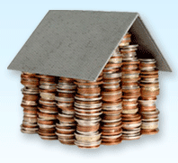
25 | 8,333 | 6,164 | 2,169 | 709,117 | 1,849 | 651
26 | 8,333 | 6,146 | 2,187 | 706,930 | 1,844 | 656
27 | 8,333 | 6,127 | 2,206 | 704,724 | 1,838 | 662
28 | 8,333 | 6,108 | 2,225 | 702,498 | 1,832 | 668
29 | 8,333 | 6,088 | 2,245 | 700,254 | 1,826 | 673
30 | 8,333 | 6,069 | 2,264 | 697,990 | 1,821 | 679
31 | 8,333 | 6,049 | 2,284 | 695,706 | 1,815 | 685
32 | 8,333 | 6,029 | 2,304 | 693,402 | 1,809 | 691
33 | 8,333 | 6,009 | 2,324 | 691,079 | 1,803 | 697
34 | 8,333 | 5,989 | 2,344 | 688,735 | 1,797 | 703
35 | 8,333 | 5,969 | 2,364 | 686,371 | 1,791 | 709
36 | 8,333 | 5,949 | 2,384 | 683,987 | 1,785 | 715
37 | 8,333 | 5,928 | 2,405 | 681,582 | 1,778 | 722
38 | 8,333 | 5,907 | 2,426 | 679,156 | 1,772 | 728
39 | 8,333 | 5,886 | 2,447 | 676,709 | 1,766 | 734
40 | 8,333 | 5,865 | 2,468 | 674,240 | 1,759 | 740
41 | 8,333 | 5,843 | 2,490 | 671,751 | 1,753 | 747
42 | 8,333 | 5,822 | 2,511 | 669,240 | 1,747 | 753
43 | 8,333 | 5,800 | 2,533 | 666,707 | 1,740 | 760
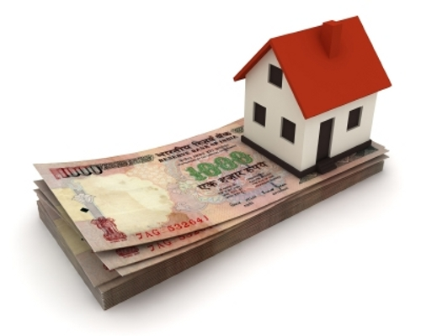
44 | 8,333 | 5,778 | 2,555 | 664,152 | 1,733 | 766
45 | 8,333 | 5,756 | 2,577 | 661,575 | 1,727 | 773
46 | 8,333 | 5,734 | 2,599 | 658,975 | 1,720 | 780
47 | 8,333 | 5,711 | 2,622 | 656,354 | 1,713 | 787
48 | 8,333 | 5,688 | 2,645 | 653,709 | 1,707 | 793
49 | 8,333 | 5,665 | 2,668 | 651,041 | 1,700 | 800
50 | 8,333 | 5,642 | 2,691 | 648,351 | 1,693 | 807
51 | 8,333 | 5,619 | 2,714 | 645,637 | 1,686 | 814
52 | 8,333 | 5,596 | 2,737 | 642,899 | 1,679 | 821
53 | 8,333 | 5,572 | 2,761 | 640,138 | 1,672 | 828
54 | 8,333 | 5,548 | 2,785 | 637,353 | 1,664 | 836
55 | 8,333 | 5,524 | 2,809 | 634,544 | 1,657 | 843
56 | 8,333 | 5,499 | 2,834 | 631,710 | 1,650 | 850
57 | 8,333 | 5,475 | 2,858 | 628,852 | 1,642 | 857
58 | 8,333 | 5,450 | 2,883 | 625,969 | 1,635 | 865
59 | 8,333 | 5,425 | 2,908 | 623,061 | 1,628 | 872
60 | 8,333 | 5,400 | 2,933 | 620,128 | 1,620 | 880
61 | 8,333 | 5,374 | 2,959 | 617,169 | 1,612 | 888
62 | 8,333 | 5,349 | 2,984 | 614,185 | 1,605 | 895
63 | 8,333 | 5,323 | 3,010 | 611,175 | 1,597 | 903
64 | 8,333 | 5,297 | 3,036 | 608,139 | 1,589 | 911
65 | 8,333 | 5,271 | 3,062 | 605,077 | 1,581 | 919
66 | 8,333 | 5,244 | 3,089 | 601,988 | 1,573 | 927
67 | 8,333 | 5,217 | 3,116 | 598,872 | 1,565 | 935
68 | 8,333 | 5,190 | 3,143 | 595,729 | 1,557 | 943
69 | 8,333 | 5,163 | 3,170 | 592,559 | 1,549 | 951
70 | 8,333 | 5,136 | 3,197 | 589,361 | 1,541 | 959
71 | 8,333 | 5,108 | 3,225 | 586,136 | 1,532 | 968
72 | 8,333 | 5,080 | 3,253 | 582,883 | 1,524 | 976
73 | 8,333 | 5,052 | 3,281 | 579,602 | 1,515 | 984
74 | 8,333 | 5,023 | 3,310 | 576,292 | 1,507 | 993
75 | 8,333 | 4,995 | 3,338 | 572,954 | 1,498 | 1,002
76 | 8,333 | 4,966 | 3,367 | 569,586 | 1,490 | 1,010
77 | 8,333 | 4,936 | 3,397 | 566,190 | 1,481 | 1,019
78 | 8,333 | 4,907 | 3,426 | 562,763 | 1,472 | 1,028
79 | 8,333 | 4,877 | 3,456 | 559,308 | 1,463 | 1,037
80 | 8,333 | 4,847 | 3,486 | 555,822 | 1,454 | 1,046

81 | 8,333 | 4,817 | 3,516 | 552,306 | 1,445 | 1,055
82 | 8,333 | 4,787 | 3,546 | 548,760 | 1,436 | 1,064
83 | 8,333 | 4,756 | 3,577 | 545,183 | 1,427 | 1,073
84 | 8,333 | 4,725 | 3,608 | 541,575 | 1,417 | 1,082
85 | 8,333 | 4,694 | 3,639 | 537,935 | 1,408 | 1,092
86 | 8,333 | 4,662 | 3,671 | 534,264 | 1,399 | 1,101
87 | 8,333 | 4,630 | 3,703 | 530,562 | 1,389 | 1,111
88 | 8,333 | 4,598 | 3,735 | 526,827 | 1,379 | 1,120
89 | 8,333 | 4,566 | 3,767 | 523,060 | 1,370 | 1,130
90 | 8,333 | 4,533 | 3,800 | 519,260 | 1,360 | 1,140
91 | 8,333 | 4,500 | 3,833 | 515,427 | 1,350 | 1,150
92 | 8,333 | 4,467 | 3,866 | 511,561 | 1,340 | 1,160
93 | 8,333 | 4,434 | 3,899 | 507,662 | 1,330 | 1,170
94 | 8,333 | 4,400 | 3,933 | 503,729 | 1,320 | 1,180
95 | 8,333 | 4,366 | 3,967 | 499,761 | 1,310 | 1,190
96 | 8,333 | 4,331 | 4,002 | 495,759 | 1,299 | 1,201
97 | 8,333 | 4,297 | 4,036 | 491,723 | 1,289 | 1,211
98 | 8,333 | 4,262 | 4,071 | 487,652 | 1,278 | 1,221
99 | 8,333 | 4,226 | 4,107 | 483,545 | 1,268 | 1,232
100 | 8,333 | 4,191 | 4,142 | 479,403 | 1,257 | 1,243
101 | 8,333 | 4,155 | 4,178 | 475,225 | 1,246 | 1,253
102 | 8,333 | 4,119 | 4,214 | 471,010 | 1,236 | 1,264
103 | 8,333 | 4,082 | 4,251 | 466,759 | 1,225 | 1,275
104 | 8,333 | 4,045 | 4,288 | 462,471 | 1,214 | 1,286
105 | 8,333 | 4,008 | 4,325 | 458,147 | 1,202 | 1,297
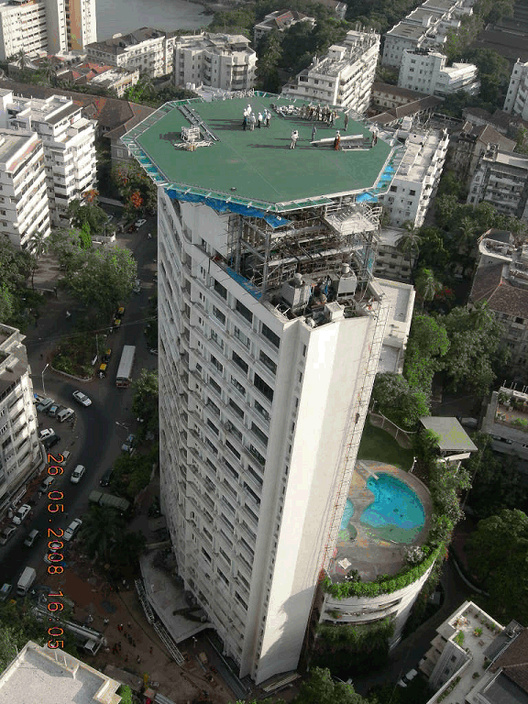
106 | 8,333 | 3,971 | 4,362 | 453,784 | 1,191 | 1,309
107 | 8,333 | 3,933 | 4,400 | 449,384 | 1,180 | 1,320
108 | 8,333 | 3,895 | 4,438 | 444,946 | 1,168 | 1,332
109 | 8,333 | 3,856 | 4,477 | 440,469 | 1,157 | 1,343
110 | 8,333 | 3,817 | 4,516 | 435,953 | 1,145 | 1,355
111 | 8,333 | 3,778 | 4,555 | 431,398 | 1,133 | 1,366
112 | 8,333 | 3,739 | 4,594 | 426,804 | 1,122 | 1,378
113 | 8,333 | 3,699 | 4,634 | 422,170 | 1,110 | 1,390
114 | 8,333 | 3,659 | 4,674 | 417,496 | 1,098 | 1,402
115 | 8,333 | 3,618 | 4,715 | 412,781 | 1,085 | 1,414
116 | 8,333 | 3,577 | 4,756 | 408,026 | 1,073 | 1,427
117 | 8,333 | 3,536 | 4,797 | 403,229 | 1,061 | 1,439
118 | 8,333 | 3,495 | 4,838 | 398,391 | 1,048 | 1,452
119 | 8,333 | 3,453 | 4,880 | 393,510 | 1,036 | 1,464
120 | 8,333 | 3,410 | 4,923 | 388,588 | 1,023 | 1,477
121 | 8,333 | 3,368 | 4,965 | 383,623 | 1,010 | 1,490
122 | 8,333 | 3,325 | 5,008 | 378,614 | 997 | 1,502
123 | 8,333 | 3,281 | 5,052 | 373,563 | 984 | 1,516
124 | 8,333 | 3,238 | 5,095 | 368,467 | 971 | 1,529
125 | 8,333 | 3,193 | 5,140 | 363,328 | 958 | 1,542
126 | 8,333 | 3,149 | 5,184 | 358,143 | 945 | 1,555
127 | 8,333 | 3,104 | 5,229 | 352,914 | 931 | 1,569
128 | 8,333 | 3,059 | 5,274 | 347,640 | 918 | 1,582
129 | 8,333 | 3,013 | 5,320 | 342,320 | 904 | 1,596
130 | 8,333 | 2,967 | 5,366 | 336,953 | 890 | 1,610
131 | 8,333 | 2,920 | 5,413 | 331,541 | 876 | 1,624
132 | 8,333 | 2,873 | 5,460 | 326,081 | 862 | 1,638
133 | 8,333 | 2,826 | 5,507 | 320,574 | 848 | 1,652
134 | 8,333 | 2,778 | 5,555 | 315,019 | 833 | 1,666
135 | 8,333 | 2,730 | 5,603 | 309,417 | 819 | 1,681
136 | 8,333 | 2,682 | 5,651 | 303,765 | 804 | 1,695
137 | 8,333 | 2,633 | 5,700 | 298,065 | 790 | 1,710
138 | 8,333 | 2,583 | 5,750 | 292,315 | 775 | 1,725
139 | 8,333 | 2,533 | 5,800 | 286,515 | 760 | 1,740
140 | 8,333 | 2,483 | 5,850 | 280,666 | 745 | 1,755
141 | 8,333 | 2,432 | 5,901 | 274,765 | 730 | 1,770
142 | 8,333 | 2,381 | 5,952 | 268,813 | 714 | 1,786
143 | 8,333 | 2,330 | 6,003 | 262,810 | 699 | 1,801
144 | 8,333 | 2,278 | 6,055 | 256,755 | 683 | 1,817
145 | 8,333 | 2,225 | 6,108 | 250,647 | 668 | 1,832
146 | 8,333 | 2,172 | 6,161 | 244,486 | 652 | 1,848
147 | 8,333 | 2,119 | 6,214 | 238,272 | 636 | 1,864
148 | 8,333 | 2,065 | 6,268 | 232,004 | 620 | 1,880
149 | 8,333 | 2,011 | 6,322 | 225,682 | 603 | 1,897
150 | 8,333 | 1,956 | 6,377 | 219,305 | 587 | 1,913
151 | 8,333 | 1,901 | 6,432 | 212,872 | 570 | 1,930
152 | 8,333 | 1,845 | 6,488 | 206,384 | 553 | 1,946
153 | 8,333 | 1,789 | 6,544 | 199,840 | 537 | 1,963
154 | 8,333 | 1,732 | 6,601 | 193,239 | 520 | 1,980
155 | 8,333 | 1,675 | 6,658 | 186,581 | 502 | 1,997
156 | 8,333 | 1,617 | 6,716 | 179,865 | 485 | 2,015
157 | 8,333 | 1,559 | 6,774 | 173,091 | 468 | 2,032
158 | 8,333 | 1,500 | 6,833 | 166,258 | 450 | 2,050
159 | 8,333 | 1,441 | 6,892 | 159,366 | 432 | 2,068
160 | 8,333 | 1,381 | 6,952 | 152,414 | 414 | 2,086
161 | 8,333 | 1,321 | 7,012 | 145,402 | 396 | 2,104
162 | 8,333 | 1,260 | 7,073 | 138,329 | 378 | 2,122
163 | 8,333 | 1,199 | 7,134 | 131,195 | 360 | 2,140
164 | 8,333 | 1,137 | 7,196 | 123,999 | 341 | 2,159
165 | 8,333 | 1,075 | 7,258 | 116,740 | 322 | 2,178
166 | 8,333 | 1,012 | 7,321 | 109,419 | 304 | 2,196
167 | 8,333 | 948 | 7,385 | 102,034 | 284 | 2,215
168 | 8,333 | 884 | 7,449 | 94,586 | 265 | 2,235
169 | 8,333 | 820 | 7,513 | 87,072 | 246 | 2,254
170 | 8,333 | 755 | 7,578 | 79,494 | 226 | 2,274
171 | 8,333 | 689 | 7,644 | 71,850 | 207 | 2,293
172 | 8,333 | 623 | 7,710 | 64,140 | 187 | 2,313
173 | 8,333 | 556 | 7,777 | 56,363 | 167 | 2,333
174 | 8,333 | 488 | 7,845 | 48,518 | 147 | 2,353
175 | 8,333 | 420 | 7,913 | 40,605 | 126 | 2,374
176 | 8,333 | 352 | 7,981 | 32,624 | 106 | 2,394
177 | 8,333 | 283 | 8,050 | 24,574 | 85 | 2,415
178 | 8,333 | 213 | 8,120 | 16,454 | 64 | 2,436
179 | 8,333 | 143 | 8,190 | 8,264 | 43 | 2,457
180 | 8,333 | 72 | 8,261 | 2 | 21 | 2,478
TOTAL | 1,500,000 | 741,910 | 758,090 |  | 222,555 | 227,427

SOURCE
http://www.housingindia.info/NHBStatisticsResult.aspx?pathid%20=%20StatisticsContent/en-US/Residex.html
http://timesofindia.indiatimes.com/business/india-business/SBI-cuts-interest-rates-on-home-car-loans/articleshow/15317425.cms?

XIII | Life Insurance


 | Features
1 | There are various life Insurance schemes available in the market
2 | Various Other Considerations also govern this investment, like security and compensation to family members in case of death of assured

3 | For our purpose, I have chosen LIC's - Bima I Account
4 | Under this scheme, the sum assured is 10 times the Annualised Premium
5 | LIC Bima I Account earns an Interest rate of 6% p.a
6 | The maturity period is 7 years
7 | Expenses and Commission charges are as under
 | 1st year | 2nd & 3rd year | Thereafter
 | 27.50% | 7.50% | 5.00%
8 | Mortality Charges per Rs. 1000/- Sum Assured (Excluding Service tax 12.36%)
 | Age | 20 | 30 | 40 | 50
 | Rs | 1.25 | 1.46 | 2.57 | 6.56

 | Assumptions

1 | Assumed that age of the Insured is 30 years
2 | The sum assured is Rs. |  | 1,000,000
3 | The Policy can be extended for another 8 years

 | SOURCE
 | http://www.licindia.in/bima_account1_features.html
 | http://www.licindia.in/bima_account1_illustration.html

STATEMENT SHOWING INVESTMENT IN LIC BIMA ACCOUNT I

SL.NO | Annual Premium | % of Commission & Expenses | Commission & Expenses | Net Premuim | Risk Premium (Mortality Charge) - 1.46 & 2.57 per Rs.1000 (Sum assured) | Interest @6% | Balance in account | Surrender Value | Death Benefit | Tax Savings of Investment | Tax Savings on Interest
 |  |  |  |  |  |  | 72,500
1 | 100,000 | 27.50% | 27,500 | 72,500 | 1,640 | 4,252 | 75,112 |  | 1,075,112 | 30,000 | 1,275
2 | 100,000 | 7.50% | 7,500 | 92,500 | 1,640 | 9,958 | 175,930 |  | 1,175,930 | 30,000 | 2,987
3 | 100,000 | 7.50% | 7,500 | 92,500 | 1,640 | 16,007 | 282,797 | 282,797 | 1,282,797 | 30,000 | 4,802
4 | 100,000 | 5.00% | 5,000 | 95,000 | 1,640 | 22,569 | 398,727 | 398,727 | 1,398,727 | 30,000 | 6,771
5 | 100,000 | 5.00% | 5,000 | 95,000 | 1,640 | 29,525 | 521,612 | 521,612 | 1,521,612 | 30,000 | 8,858
6 | 100,000 | 5.00% | 5,000 | 95,000 | 1,640 | 36,898 | 651,870 | 651,870 | 1,651,870 | 30,000 | 11,069
7 | 100,000 | 5.00% | 5,000 | 95,000 | 1,640 | 44,714 | 789,944 | 789,944 | 1,789,944 | 30,000 | 13,414
8 | 100,000 | 5.00% | 5,000 | 95,000 | 1,640 | 52,998 | 936,302 | 936,302 | 1,936,302 | 30,000 | 15,899
9 | 100,000 | 5.00% | 5,000 | 95,000 | 1,640 | 61,780 | 1,091,442 | 1,091,442 | 2,091,442 | 30,000 | 18,534
10 | 100,000 | 5.00% | 5,000 | 95,000 | 1,640 | 71,088 | 1,255,890 | 1,255,890 | 2,255,890 | 30,000 | 21,326
11 | 100,000 | 5.00% | 5,000 | 95,000 | 2,888 | 80,880 | 1,428,882 | 1,428,882 | 2,428,882 | 30,000 | 24,264
12 | 100,000 | 5.00% | 5,000 | 95,000 | 2,888 | 91,260 | 1,612,254 | 1,612,254 | 2,612,254 | 30,000 | 27,378
13 | 100,000 | 5.00% | 5,000 | 95,000 | 2,888 | 102,262 | 1,806,628 | 1,806,628 | 2,806,628 | 30,000 | 30,679
14 | 100,000 | 5.00% | 5,000 | 95,000 | 2,888 | 113,924 | 2,012,664 | 2,012,664 | 3,012,664 | 30,000 | 34,177
15 | 100,000 | 5.00% | 5,000 | 95,000 | 2,888 | 126,287 | 2,231,063 | 2,231,063 | 3,231,063 | 30,000 | 37,886

 | 1,500,000 |  | 102,500 | 1,397,500 | 30,840 | 864,403 |  |  |  | 450,000 | 259,321

XIV | Shares & Index Funds

 | Features
1 | Since predicting the movement of Share prices are very difficult, the past 15 years trend of BSE is considered
2 | The BSE SENSEX is an Index which tracks the movement/change in the prices of 30 Major Bluechip companies
3 | Index Funds are Mutual Funds which invest in companies which make up the BSE Index. i.e the NAV of these funds move
 | in the Exact Same direction as the BSE SENSEX

TABLE SHOWING RETURNS ON SHARES AND INDEX FUNDS

SLNo | Year | BSE SENSEX at year beginning | 1 | 2 | 3 | 4 | 5 | 6 | 7 | 8 | 9 | 10 | 11 | 12 | 13 | 14 | 15
 |  | BSE SENSEX (Closing Points) | 3,694.62 | 3,060.34 | 5,375.11 | 3,955.08 | 3,246.15 | 3,390.12 | 5,915.47 | 6,679.20 | 9,390.14 | 13,942.24 | 20,300.71 | 9,903.46 | 17,558.73 | 20,561.05 | 15,517.92
1 | 1998 | 3,694.62 | 100,000.00 | 82,832.33 | 145,484.79 | 107,049.71 | 87,861.54 | 91,758.29 | 160,110.38 | 180,781.79 | 254,157.13 | 377,366.01 | 549,466.79 | 268,050.84 | 475,251.31 | 556,513.25 | 420,013.97
2 | 1999 | 3,060.34 |  | 100,000.00 | 175,637.67 | 129,236.62 | 106,071.55 | 110,775.93 | 193,294.54 | 218,250.26 | 306,833.23 | 455,578.14 | 663,348.19 | 323,606.53 | 573,750.96 | 671,855.09 | 507,065.23
3 | 2000 | 5,375.11 |  |  | 100,000.00 | 73,581.38 | 60,392.25 | 63,070.71 | 110,053.00 | 124,261.64 | 174,696.70 | 259,385.20 | 377,679.90 | 184,246.65 | 326,667.36 | 382,523.33 | 288,699.58
4 | 2001 | 3,955.08 |  |  |  | 100,000.00 | 82,075.46 | 85,715.59 | 149,566.38 | 168,876.48 | 237,419.72 | 352,514.74 | 513,281.91 | 250,398.47 | 443,953.85 | 519,864.33 | 392,354.14
5 | 2002 | 3,246.15 |  |  |  |  | 100,000.00 | 104,435.10 | 182,230.33 | 205,757.59 | 289,270.06 | 429,500.79 | 625,378.06 | 305,083.25 | 540,909.38 | 633,398.03 | 478,040.76
6 | 2003 | 3,390.12 |  |  |  |  |  | 100,000.00 | 174,491.46 | 197,019.57 | 276,985.48 | 411,260.96 | 598,819.81 | 292,127.12 | 517,938.30 | 606,499.18 | 457,739.55
7 | 2004 | 5,915.47 |  |  |  |  |  |  | 100,000.00 | 112,910.72 | 158,738.70 | 235,691.16 | 343,180.00 | 167,416.28 | 296,827.30 | 347,581.00 | 262,327.76
8 | 2005 | 6,679.20 |  |  |  |  |  |  |  | 100,000.00 | 140,587.79 | 208,741.17 | 303,939.24 | 148,273.15 | 262,886.72 | 307,837.02 | 232,332.02
9 | 2006 | 9,390.14 |  |  |  |  |  |  |  |  | 100,000.00 | 148,477.45 | 216,191.77 | 105,466.59 | 186,991.14 | 218,964.25 | 165,257.60
10 | 2007 | 13,942.24 |  |  |  |  |  |  |  |  |  | 100,000.00 | 145,605.80 | 71,032.06 | 125,939.09 | 147,473.07 | 111,301.48
11 | 2008 | 20,300.71 |  |  |  |  |  |  |  |  |  |  | 100,000.00 | 48,783.81 | 86,493.18 | 101,282.42 | 76,440.28
12 | 2009 | 9,903.46 |  |  |  |  |  |  |  |  |  |  |  | 100,000.00 | 177,298.94 | 207,614.81 | 156,691.90
13 | 2010 | 17,558.73 |  |  |  |  |  |  |  |  |  |  |  |  | 100,000.00 | 117,098.73 | 88,377.23
14 | 2011 | 20,561.05 |  |  |  |  |  |  |  |  |  |  |  |  |  | 100,000.00 | 75,472.41
15 | 2012 | 15,517.92 |  |  |  |  |  |  |  |  |  |  |  |  |  |  | 100,000.00
 |  |  | 100,000 | 182,832 | 421,122 | 409,868 | 436,401 | 555,756 | 1,069,746 | 1,307,858 | 1,938,689 | 2,978,516 | 4,436,891 | 2,264,485 | 4,114,908 | 4,918,505 | 3,812,114

END

Written By: Vignesh Killur

DISCLAIMER: This material is not meant to be a substitute for Professional Investment Advise. It aims to provide a basic understanding of various Investments and help the Investors in making an Informed decision

