READ
STEP TO CREATE FORM 27A
1 | REMIAN IN CELL A1 IN WORKING SHEET
2 | GO IN DATA & GET EXTENAL DATA
3 | SELECT FUV FILE & OPEN IT

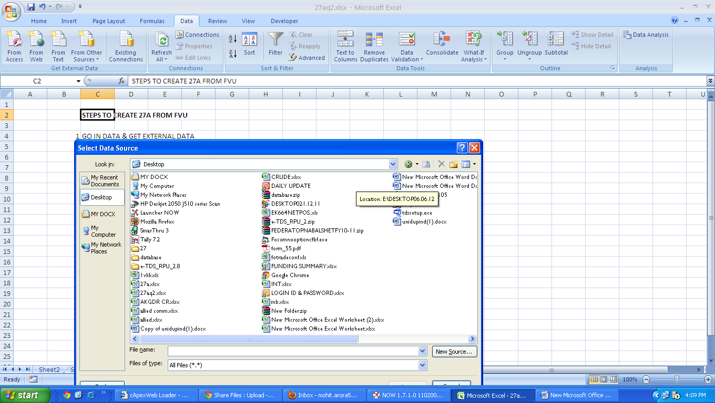

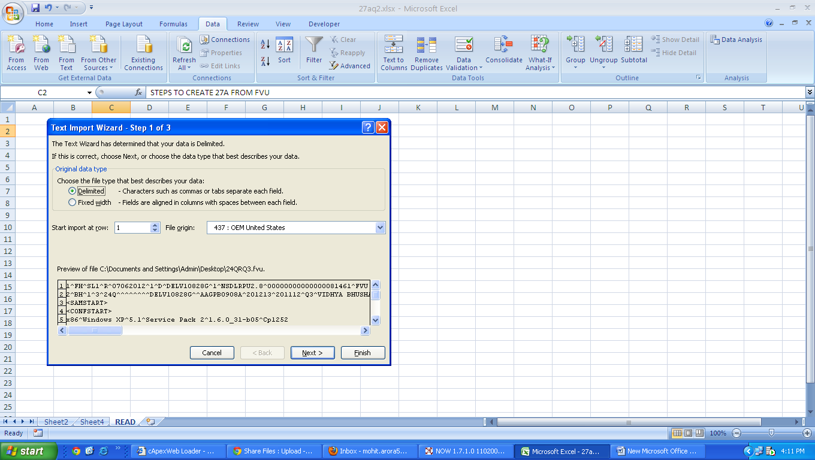

4 | NEXT

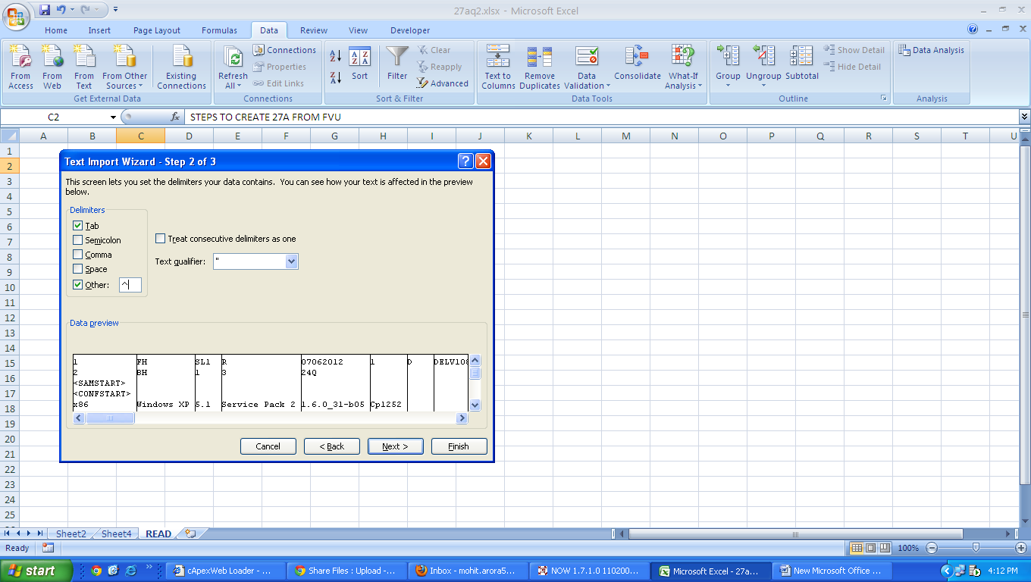

5 | AFETR TICKING OTHER & MAKING SIGN ^ IN SIDE COLUMN OF OTHER CLICK NEXT
6 | FINISH
7 | OK

