TDS
 |  | - | - | - |  |  | - | -
S.No | Section & TDS On | Total Deducted | Total deposited | Excess/ Short | Due date | Deposit Date | Total Interest | Interest Deposited | Excess/ Short | Total Excess/ Short | Int Provision (Interest-March)
1 | 192B Salary | - | - | - |  |  | - | - | - | - | -
a | Opening |  |  | - | 30-Apr-16 |  | - |  | - | -
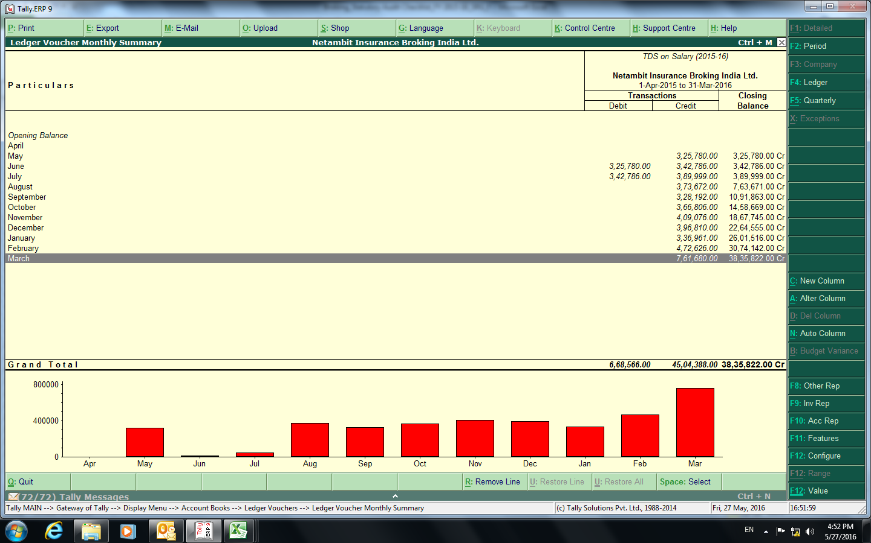
b | 2016-04-01 |  |  | - | 7-May-16 |  | - |  | - | -
c | 2016-05-01 |  |  | - | 7-Jun-16 |  | - |  | - | -
d | 2016-06-01 |  |  | - | 7-Jul-16 |  | - |  | - | -
e | 2016-07-01 |  |  | - | 7-Aug-16 |  | - |  | - | -
f | 2016-08-01 |  |  | - | 7-Sep-16 |  | - |  | - | -
g | 2016-09-01 |  |  | - | 7-Oct-16 |  | - |  | - | -
h | 2016-10-01 |  |  | - | 7-Nov-16 |  | - |  | - | -
i | 2016-11-01 |  |  | - | 7-Dec-16 |  | - |  | - | -
j | 2016-12-01 |  |  | - | 7-Jan-17 |  | - |  | - | -
k | 2017-01-01 |  |  | - | 7-Feb-17 |  | - |  | - | -
l | 2017-02-01 |  |  | - | 7-Mar-17 |  | - |  | - | -
m | 2017-03-01 |  |  | - | 30-Apr-17 |  | - |  | - | -
2 | 193 Interest on Securities | - | - | - |  |  | - | - | - | - | -
a | Opening |  |  | - | 30-Apr-16 |  | - |  | - | -
b | 2016-04-01 |  |  | - | 7-May-16 |  | - |  | - | -
c | 2016-05-01 |  |  | - | 7-Jun-16 |  | - |  | - | -
d | 2016-06-01 |  |  | - | 7-Jul-16 |  | - |  | - | -
e | 2016-07-01 |  |  | - | 7-Aug-16 |  | - |  | - | -
f | 2016-08-01 |  |  | - | 7-Sep-16 |  | - |  | - | -
g | 2016-09-01 |  |  | - | 7-Oct-16 |  | - |  | - | -
h | 2016-10-01 |  |  | - | 7-Nov-16 |  | - |  | - | -
i | 2016-11-01 |  |  | - | 7-Dec-16 |  | - |  | - | -
j | 2016-12-01 |  |  | - | 7-Jan-17 |  | - |  | - | -
k | 2017-01-01 |  |  | - | 7-Feb-17 |  | - |  | - | -
l | 2017-02-01 |  |  | - | 7-Mar-17 |  | - |  | - | -
m | 2017-03-01 |  |  | - | 30-Apr-17 |  | - |  | - | -
5 | 194C Payment to contractors (Non Company) & (Company) | - | - | - |  |  | - | - | - | - | -
a | Opening |  |  | - | 30-Apr-16 |  | - |  | - | -
b | 2016-04-01 |  |  | - | 7-May-16 |  | - |  | - | -
c | 2016-05-01 |  |  | - | 7-Jun-16 |  | - |  | - | -
d | 2016-06-01 |  |  | - | 7-Jul-16 |  | - |  | - | -
e | 2016-07-01 |  |  | - | 7-Aug-16 |  | - |  | - | -
f | 2016-08-01 |  |  | - | 7-Sep-16 |  | - |  | - | -
g | 2016-09-01 |  |  | - | 7-Oct-16 |  | - |  | - | -
h | 2016-10-01 |  |  | - | 7-Nov-16 |  | - |  | - | -
i | 2016-11-01 |  |  | - | 7-Dec-16 |  | - |  | - | -
j | 2016-12-01 |  |  | - | 7-Jan-17 |  | - |  | - | -
k | 2017-01-01 |  |  | - | 7-Feb-17 |  | - |  | - | -
l | 2017-02-01 |  |  | - | 7-Mar-17 |  | - |  | - | -
m | 2017-03-01 |  |  | - | 30-Apr-17 |  | - |  | - | -
6 | 194J Payment for Professional Services | - | - | - |  |  | - | - | - | - | -
a | Opening |  |  | - | 30-Apr-16 |  | - |  | - | -
b | 2016-04-01 |  |  | - | 7-May-16 |  | - |  | - | -
c | 2016-05-01 |  |  | - | 7-Jun-16 |  | - |  | - | -
d | 2016-06-01 |  |  | - | 7-Jul-16 |  | - |  | - | -
e | 2016-07-01 |  |  | - | 7-Aug-16 |  | - |  | - | -
f | 2016-08-01 |  |  | - | 7-Sep-16 |  | - |  | - | -
g | 2016-09-01 |  |  | - | 7-Oct-16 |  | - |  | - | -
h | 2016-10-01 |  |  | - | 7-Nov-16 |  | - |  | - | -
i | 2016-11-01 |  |  | - | 7-Dec-16 |  | - |  | - | -
j | 2016-12-01 |  |  | - | 7-Jan-17 |  | - |  | - | -
k | 2017-01-01 |  |  | - | 7-Feb-17 |  | - |  | - | -
l | 2017-02-01 |  |  | - | 7-Mar-17 |  | - |  | - | -
m | 2017-03-01 |  |  | - | 30-Apr-17 |  | - |  | - | -
7 | 194H Commission or Brokerage | - | - | - |  |  | - | - | - | - | -
a | Opening |  |  | - | 30-Apr-16 |  | - |  | - | -
b | 2016-04-01 |  |  | - | 7-May-16 |  | - |  | - | -
c | 2016-05-01 |  |  | - | 7-Jun-16 |  | - |  | - | -
d | 2016-06-01 |  |  | - | 7-Jul-16 |  | - |  | - | -
e | 2016-07-01 |  | - | - | 7-Aug-16 |  | - |  | - | -
f | 2016-08-01 |  |  | - | 7-Sep-16 |  | - |  | - | -
g | 2016-09-01 |  |  | - | 7-Oct-16 |  | - |  | - | -
h | 2016-10-01 |  |  | - | 7-Nov-16 |  | - |  | - | -
i | 2016-11-01 |  |  | - | 7-Dec-16 |  | - |  | - | -
j | 2016-12-01 |  |  | - | 7-Jan-17 |  | - |  | - | -
k | 2017-01-01 |  | - | - | 7-Feb-17 |  | - |  | - | -
l | 2017-02-01 |  |  | - | 7-Mar-17 |  | - |  | - | -
m | 2017-03-01 |  |  | - | 30-Apr-17 |  | - |  | - | -
8 | 194I Rent | - | - | - |  |  | - | - | - | - | -
a | Opening |  |  | - | 30-Apr-16 |  | - |  | - | -
b | 2016-04-01 |  |  | - | 7-May-16 |  | - |  | - | -
c | 2016-05-01 |  |  | - | 7-Jun-16 |  | - |  | - | -
d | 2016-06-01 |  |  | - | 7-Jul-16 |  | - |  | - | -
e | 2016-07-01 |  |  | - | 7-Aug-16 |  | - |  | - | -
f | 2016-08-01 |  |  | - | 7-Sep-16 |  | - |  | - | -
g | 2016-09-01 |  |  | - | 7-Oct-16 |  | - |  | - | -
h | 2016-10-01 |  |  | - | 7-Nov-16 |  | - |  | - | -
i | 2016-11-01 |  |  | - | 7-Dec-16 |  | - |  | - | -
j | 2016-12-01 |  |  | - | 7-Jan-17 |  | - |  | - | -
k | 2017-01-01 |  |  | - | 7-Feb-17 |  | - |  | - | -
l | 2017-02-01 |  |  | - | 7-Mar-17 |  | - |  | - | -
m | 2017-03-01 |  |  | - | 30-Apr-17 |  | - |  | - | -
9 | 195 Foreign Payment | - | - | - |  |  | - | - | - | - | -
a | Opening |  |  | - | 30-Apr-16 |  | - |  | - | -
b | 2016-04-01 |  |  | - | 7-May-16 |  | - |  | - | -
c | 2016-05-01 |  |  | - | 7-Jun-16 |  | - |  | - | -
d | 2016-06-01 |  |  | - | 7-Jul-16 |  | - |  | - | -
e | 2016-07-01 |  |  | - | 7-Aug-16 |  | - |  | - | -
f | 2016-08-01 |  |  | - | 7-Sep-16 |  | - |  | - | -
g | 2016-09-01 |  |  | - | 7-Oct-16 |  | - |  | - | -
h | 2016-10-01 |  |  | - | 7-Nov-16 |  | - |  | - | -
i | 2016-11-01 |  |  | - | 7-Dec-16 |  | - |  | - | -
j | 2016-12-01 |  |  | - | 7-Jan-17 |  | - |  | - | -
k | 2017-01-01 |  |  | - | 7-Feb-17 |  | - |  | - | -
l | 2017-02-01 |  |  | - | 7-Mar-17 |  | - |  | - | -
m | 2017-03-01 |  |  | - | 30-Apr-17 |  | - |  | - | -
10 | 194LA | - | - | - |  |  | - | - | - | - | -
a | Opening |  |  | - | 30-Apr-16 |  | - |  | - | -
b | 2016-04-01 |  |  | - | 7-May-16 |  | - |  | - | -
c | 2016-05-01 |  |  | - | 7-Jun-16 |  | - |  | - | -
d | 2016-06-01 |  |  | - | 7-Jul-16 |  | - |  | - | -
e | 2016-07-01 |  |  | - | 7-Aug-16 |  | - |  | - | -
f | 2016-08-01 |  |  | - | 7-Sep-16 |  | - |  | - | -
g | 2016-09-01 |  |  | - | 7-Oct-16 |  | - |  | - | -
h | 2016-10-01 |  |  | - | 7-Nov-16 |  | - |  | - | -
i | 2016-11-01 |  |  | - | 7-Dec-16 |  | - |  | - | -
j | 2016-12-01 |  |  | - | 7-Jan-17 |  | - |  | - | -
k | 2017-01-01 |  |  | - | 7-Feb-17 |  | - |  | - | -
l | 2017-02-01 |  |  | - | 7-Mar-17 |  | - |  | - | -
m | 2017-03-01 |  |  | - | 30-Apr-17 |  | - |  | - | -
11 | 194(A) | - | - | - |  |  | - | - | - | - | -
a | Opening |  |  | - | 30-Apr-16 |  | - |  | - | -
b | 2016-04-01 |  |  | - | 7-May-16 |  | - |  | - | -
c | 2016-05-01 |  |  | - | 7-Jun-16 |  | - |  | - | -
d | 2016-06-01 |  |  | - | 7-Jul-16 |  | - |  | - | -
e | 2016-07-01 |  |  | - | 7-Aug-16 |  | - |  | - | -
f | 2016-08-01 |  | - | - | 7-Sep-16 |  | - |  | - | -
g | 2016-09-01 |  |  | - | 7-Oct-16 |  | - |  | - | -
h | 2016-10-01 |  |  | - | 7-Nov-16 |  | - |  | - | -
i | 2016-11-01 |  |  | - | 7-Dec-16 |  | - |  | - | -
j | 2016-12-01 |  |  | - | 7-Jan-17 |  | - |  | - | -
k | 2017-01-01 |  |  | - | 7-Feb-17 |  | - |  | - | -
l | 2017-02-01 |  |  | - | 7-Mar-17 |  | - |  | - | -
m | 2017-03-01 |  |  | - | 30-Apr-17 |  | - |  | - | -

 | TDS Return
 | Quarter | Form | Due date of Return | Return Date | Penalty
 | Q1 | 26Q | 30-Jul-16 |  | Rs-
 | Q1 | 24Q | 30-Jul-16 |  | Rs-
 | Q1 | 27Q | 30-Jul-16 |  | Rs-

 | Q2 | 26Q | 30-Oct-16 |  | Rs-
 | Q2 | 24Q | 30-Oct-16 |  | Rs-
 | Q2 | 27Q | 30-Oct-16 |  | Rs-

 | Q3 | 26Q | 30-Jan-17 |  | Rs-
 | Q3 | 24Q | 30-Jan-17 |  | Rs-
 | Q3 | 27Q | 30-Jan-17 |  | Rs-

 | Q4 | 26Q | 30-May-17 |  | Rs-
 | Q4 | 24Q | 30-May-17 |  | Rs-
 | Q4 | 27Q | 30-May-17 |  | Rs-

 |  |  | TOTAL PENALTY |  | Rs-
 |  |  | TOTAL INT PROV. |  | Rs-

 |  |  | TOTAL PROVISION |  | Rs-

TDS not Deducted

S.no | Name of Vendor | Pan no. | Date of Credit | Date of payment | Section | Tax Rate | Amount | ST | VAT/CST | Other taxes | Total | TDS Amount | Balance payment | Actual Payment | Difference
 |  |  |  |  |  |  |  |  |  |  | - | - | - |  | -
 |  |  |  |  |  |  |  |  |  |  | - | - | - |  | -
 |  |  |  |  |  |  |  |  |  |  | - | - | - |  | -
 |  |  |  |  |  |  |  |  |  |  | - | - | - |  | -
 |  |  |  |  |  |  |  |  |  |  | - | - | - |  | -
 |  |  |  |  |  |  |  |  |  |  | - | - | - |  | -
 |  |  |  |  |  |  |  |  |  |  | - | - | - |  | -
 |  |  |  |  |  |  |  |  |  |  | - | - | - |  | -
 |  |  |  |  |  |  |  |  |  |  | - | - | - |  | -
 |  |  |  |  |  |  |  |  |  |  | - | - | - |  | -
 |  |  |  |  |  |  |  |  |  |  | - | - | - |  | -
 |  |  |  |  |  |  |  |  |  |  | - | - | - |  | -
 |  |  |  |  |  |  |  |  |  |  | - | - | - |  | -
 |  |  |  |  |  |  |  |  |  |  | - | - | - |  | -

TDS Deducted Late

S.no | Name of Vendor | Pan no. | Date of Credit | Date of payment | Section | Tax Rate | Amount | ST | VAT/CST | Other taxes | Total | TDS Amount | Balance payment | Actual Payment | Difference
 |  |  |  |  |  |  |  |  |  |  | - | - | - |  | -
 |  |  |  |  |  |  |  |  |  |  | - | - | - |  | -
 |  |  |  |  |  |  |  |  |  |  | - | - | - |  | -
 |  |  |  |  |  |  |  |  |  |  | - | - | - |  | -
 |  |  |  |  |  |  |  |  |  |  | - | - | - |  | -
 |  |  |  |  |  |  |  |  |  |  | - | - | - |  | -
 |  |  |  |  |  |  |  |  |  |  | - | - | - |  | -
 |  |  |  |  |  |  |  |  |  |  | - | - | - |  | -
 |  |  |  |  |  |  |  |  |  |  | - | - | - |  | -
 |  |  |  |  |  |  |  |  |  |  | - | - | - |  | -
 |  |  |  |  |  |  |  |  |  |  | - | - | - |  | -
 |  |  |  |  |  |  |  |  |  |  | - | - | - |  | -
 |  |  |  |  |  |  |  |  |  |  | - | - | - |  | -
 |  |  |  |  |  |  |  |  |  |  | - | - | - |  | -

Prepaid
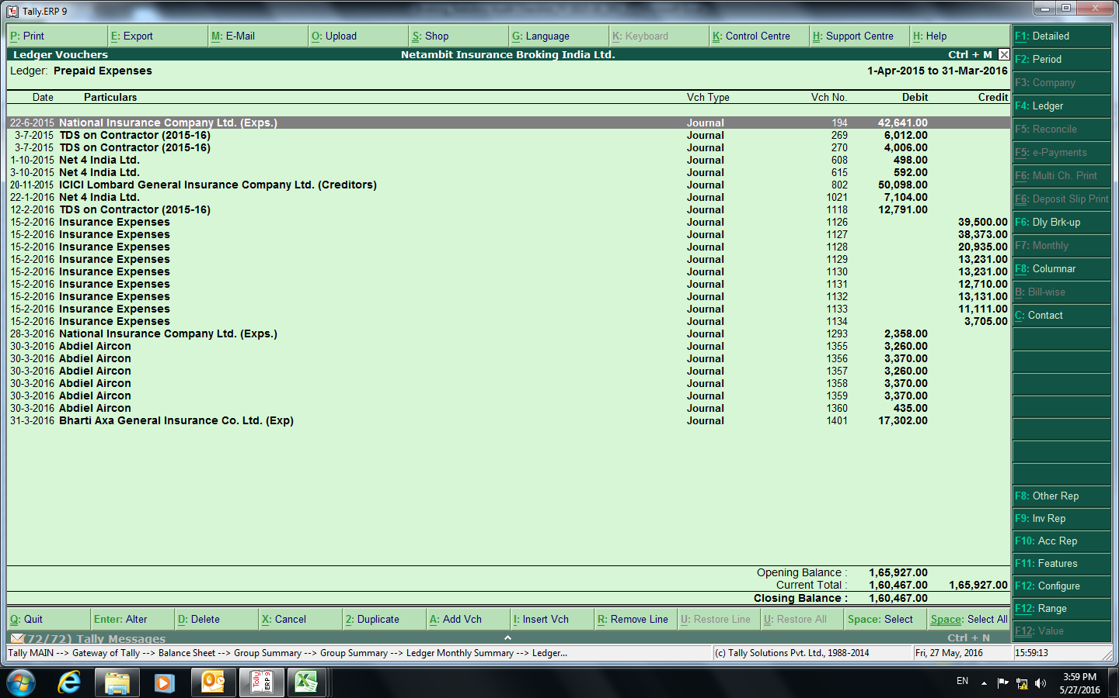
Prepaid sheet |  |  |  |  |  |  | 2016-03-31 | 2017-03-31 | 2018-03-31 | 2019-03-31 | 2020-03-31 | 2021-03-31 | 2022-03-31 | 2023-03-31
Vendor | Expense Head | F.Y | Period Beginning | Period end | Total Amount | Expense Off | Prepaid Amount | FY 2016-17 | FY 2017-18 | FY 2018-19 | FY 2019-20 | FY 2020-21 | FY 2021-22 | FY 2022-23
 |  | 1899-00 |  |  |  | - | - | - | - | - | - | - | - | -
 |  | 1899-00 |  |  |  | - | - | - | - | - | - | - | - | -
 |  | 1899-00 |  |  |  | - | - | - | - | - | - | - | - | -
 |  | 1899-00 |  |  |  | - | - | - | - | - | - | - | - | -
 |  | 1899-00 |  |  |  | - | - | - | - | - | - | - | - | -
 |  | 1899-00 |  |  |  | - | - | - | - | - | - | - | - | -
 |  | 1899-00 |  |  |  | - | - | - | - | - | - | - | - | -
 |  | 1899-00 |  |  |  | - | - | - | - | - | - | - | - | -
 |  | 1899-00 |  |  |  | - | - | - | - | - | - | - | - | -
 |  | 1899-00 |  |  |  | - | - | - | - | - | - | - | - | -
 |  | 1899-00 |  |  |  | - | - | - | - | - | - | - | - | -
 |  | 1899-00 |  |  |  | - | - | - | - | - | - | - | - | -
 |  | 1899-00 |  |  |  | - | - | - | - | - | - | - | - | -
 |  | 1899-00 |  |  |  | - | - | - | - | - | - | - | - | -
 |  | 1899-00 |  |  |  | - | - | - | - | - | - | - | - | -
 |  | 1899-00 |  |  |  | - | - | - | - | - | - | - | - | -
 |  | 1899-00 |  |  |  | - | - | - | - | - | - | - | - | -
 |  | 1899-00 |  |  |  | - | - | - | - | - | - | - | - | -
 |  | 1899-00 |  |  |  | - | - | - | - | - | - | - | - | -
 |  | 1899-00 |  |  |  | - | - | - | - | - | - | - | - | -
 |  | 1899-00 |  |  |  | - | - | - | - | - | - | - | - | -
 |  | 1899-00 |  |  |  | - | - | - | - | - | - | - | - | -
 |  | 1899-00 |  |  |  | - | - | - | - | - | - | - | - | -
 |  | 1899-00 |  |  |  | - | - | - | - | - | - | - | - | -
 |  | 1899-00 |  |  |  | - | - | - | - | - | - | - | - | -
 |  | 1899-00 |  |  |  | - | - | - | - | - | - | - | - | -
 |  | 1899-00 |  |  |  | - | - | - | - | - | - | - | - | -
 |  | 1899-00 |  |  |  | - | - | - | - | - | - | - | - | -
 |  | 1899-00 |  |  |  | - | - | - | - | - | - | - | - | -
 |  | 1899-00 |  |  |  | - | - | - | - | - | - | - | - | -
 |  | 1899-00 |  |  |  | - | - | - | - | - | - | - | - | -
 |  | 1899-00 |  |  |  | - | - | - | - | - | - | - | - | -
 |  | 1899-00 |  |  |  | - | - | - | - | - | - | - | - | -
 |  | 1899-00 |  |  |  | - | - | - | - | - | - | - | - | -
 |  | 1899-00 |  |  |  | - | - | - | - | - | - | - | - | -
 |  | 1899-00 |  |  |  | - | - | - | - | - | - | - | - | -
 |  | 1899-00 |  |  |  | - | - | - | - | - | - | - | - | -
 |  | 1899-00 |  |  |  | - | - | - | - | - | - | - | - | -
 |  | 1899-00 |  |  |  | - | - | - | - | - | - | - | - | -
 |  | 1899-00 |  |  |  | - | - | - | - | - | - | - | - | -
 |  | 1899-00 |  |  |  | - | - | - | - | - | - | - | - | -
 |  |  |  |  |  | - | - | - | - | - | - | - | - | -
 |  |  |  |  |  | - | - | - | - | - | - | - | - | -
 |  |  |  |  |  | - | - | - | - | - | - | - | - | -
 |  |  |  |  |  | - | - | - | - | - | - | - | - | -
 |  |  |  |  |  | - | - | - | - | - | - | - | - | -
Total |  |  |  |  | 0 | 0 | 0 | 0 | 0 | 0 | 0 | 0 | 0 | 0

