Instruction
Steps for use the file

1. | Go to sheet "List of Remitter Ac nos" & Fill all of your bank details in which will use for Remitter
2. | Go to sheet "List of Beneficiary Ac nos" & Fill all of your Parties' bank details which will use for Remitee
3. | Go to sheet "Fill Details" and Fill & Select Blue cells only
4. | Go to sheet "Cheque Print" and take print out of Cheque
5. | Go to sheet "Fill Details" and Fill Cheque No.
6. | Go to sheet "RTGS_NEFT Print" and take print out of RTGS / NEFT Form

Santosh Kumar Choudhary - 9958486885

Fill Details
Basic Detail |  |  |  |  | Avlvl. Space | Length | (Short)/Excess

 | RTGS / NEFT (Select) | : | NEFT | <<-Select
 | Date | : | 2016-02-13 | --->---> | 8 | 8 | Fit
 | Cheque No. | : | 007910 | <<-Fill | 8 | 4 | Fit
 | Amount (in figures) | : | ₹ 147,000 | <<-Fill | 8 | 6 | Fit
 | Remarks | : | Vendor Payment | <<-Select | 60 | 14 | Fit

Remitter Detail |  |  | FRANKFINN INSTITUTE OF AIR HOSTESS TRAINING

 | Remitter's Abbreviation (Select) | : | Frankfinn-0349 | <<-Select

 | Remitter (Applicant) Name | : | Frankfinn Institute of Air Hostess Training | --->---> | 43 | 43 | Fit
 | Remitter's HDFC Account No. | : | 101298630000349 | --->---> | 15 | 15 | Fit
 | NEFT / RTGS done (Select) | : | By Cheque HDFC | --->--->
 | Mobile / Phone Number of Remitter (Mandatory) * | : | 9717790304 | --->---> | 12 | 10 | Fit
 | E-Mail ID | : | finance@frankfinn.com | --->---> | 35 | 21 | Fit
 | Address of the Remitter | : | 201, Suneja Tower - 2, District Center, Janakpuri, Delhi | --->---> | 140 | 56 | Fit
 | Remarks | : | Vendor Payment | --->---> | 60 | 14 | Fit

Beneficiary Details |  |  | PARIETAL INNOVATIVE SOLUTIONS PVT. LTD.

 | Beneficiary Abbreviation (Select) | : | Parietal-SBIN-070 | <<-Select

 | A/C Name of Beneficiary | : | PARIETAL INNOVATIVE SOLUTIONS PVT. LTD. | --->---> | 39 | 39 | Fit
 | Bank Account Number | : | 31993508070 | --->---> | 18 | 11 | Fit
 | Reconfirm Account Number | : | 31993508070 | --->---> | 18 | 11 | Fit
 | Account Type Select | : | RESIDENT | --->---> | 8 | 8 | Fit
 | Beneficiary Address | : | F 5LORENCE ROAD , MUMBAI | --->---> | 24 | 24 | Fit
 | Beneficiary Bank Name | : | STATE BANK OF INDIA | --->---> | 19 | 19 | Fit
 | Beneficiary Bank Name & Branch | : | STATE BANK OF INDIA : POWAI, MUMBAI | --->---> | 100 | 36 | Fit
 | Bank's IFSC Code | : | SBIN0004234 | --->---> | 11 | 11 | Fit
 | Mob. No. | : | 9820530307 | --->---> | 10 | 10 | Fit
 | Amount (in figures) | : | 147,000 | --->---> | 10 | 6 | Fit

Santosh Kumar Choudhary - 9958486885

Cheque Print
 |  |  |  | 1 | 3 | 0 | 2 | 2 | 0 | 1 | 6

HDFC Bank Ltd. - NEFT - Parietal Innovative Solutions Pvt. Ltd.

One Lakh Forty Seven Thousand Only
 |  |  | ***147,000/-

 |  | Not Over Rs. 1,47,001.00

Santosh Kumar Choudhary - 9958486885

 | File Developed By SANTOSH KUMAR CHOUDHARY Mob. No. 9958486885

RTGS_NEFT Print
 | 2016-02-13

 |  |  |  |  |  |  |  |  |  |  |  |  |  |  |  |  |  |  |  |  | û |  |  |  |  |  | ü

 | 007910 |  |  |  |  | 1 |  | 4 |  | 7 |  | 0 |  | 0 |  | 0 |  | - |  | - |  | -

 |  |  |  |  | PARIETAL INNOVATIVE SOLUTIONS PVT. LTD.

 |  |  |  |  | 3 |  | 1 |  | 9 |  | 9 |  | 3 |  | 5 |  | 0 |  | 8 |  | 0 |  | 7 | 0 | - | - | - | - | - | - | -

 |  |  |  |  | 3 |  | 1 |  | 9 |  | 9 |  | 3 |  | 5 |  | 0 |  | 8 |  | 0 |  | 7 | 0 | - | - | - | - | - | - | -

 |  |  |  |  | F 5LORENCE ROAD , MUMBAI

 |  |  |  |  | STATE BANK OF INDIA : POWAI, MUMBAI

 |  |  |  |  | S |  | B |  | I |  | N |  | 0 |  | 0 |  | 0 |  | 4 |  | 2 |  | 3 | 4 | - | - | - | - | - |  |  |  |  |  | ü | û

 |  |  |  |  | 1 |  | 4 |  | 7 |  | 0 |  | 0 |  | 0 |  | - |  | - |  | -

 |  |  |  |  | Rupees :- One Lakh Forty Seven Thousand Only

 |  |  |  |  | FRANKFINN INSTITUTE OF AIR HOSTESS TRAINING

 |  |  |  |  | 1 |  | 0 |  | 1 |  | 2 |  | 9 |  | 8 |  | 6 |  | 3 |  | 0 |  | 0 | 0 | 0 | 3 | 4 | 9

 |  |  |  |  | - - - - - - - - - - -

 |  |  |  |  | 9 |  | 7 |  | 1 |  | 7 |  | 7 |  | 9 |  | 0 |  | 3 |  | 0 |  | 4 | - | - |  |  |  |  |  |  | FINANCE@FRANKFINN.COM

 |  |  |  |  | 201, SUNEJA TOWER - 2, DISTRICT CENTER, JANAKPURI, DELHI

 |  |  |  |  | VENDOR PAYMENT

 |  |  |  |  |  |  | û |  |  |  |  |  |  |  |  |  | ü
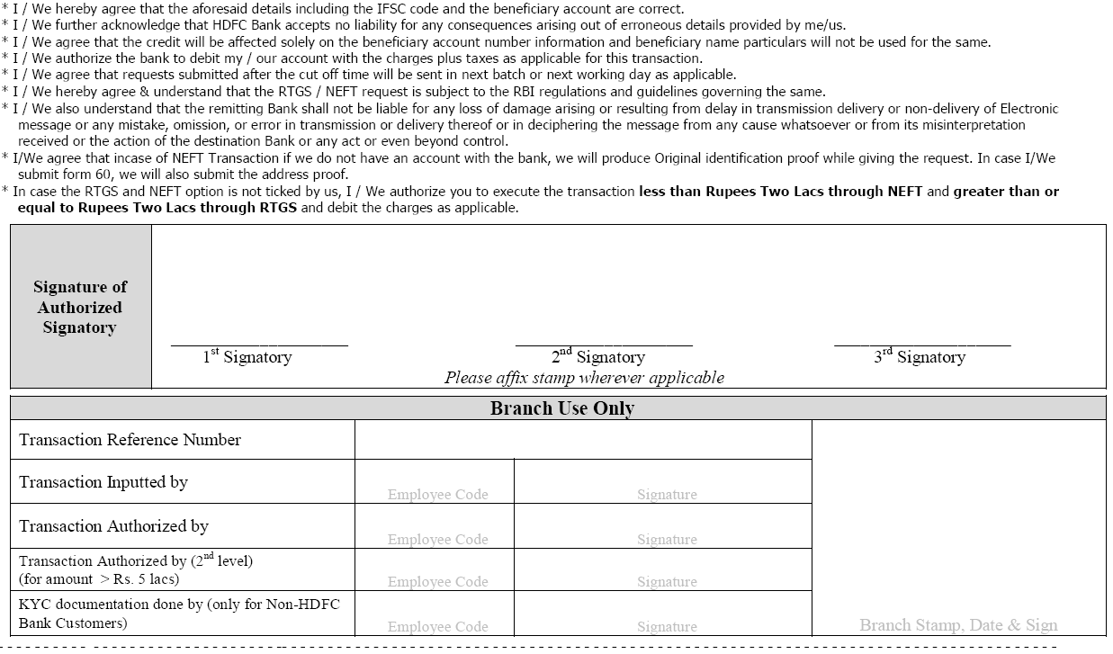

 |  | û | ü |  |  |  |  |  |  |  |  |  |  | 1,47,000 /- |  |  |  |  |  |  |  |  |  |  |  |  |  |  |  |  |  |  |  | 007910

31993508070 |  |  |  | STATE BANK OF INDIA |  |  |  |  |  |  |  |  |  |  |  |  |  |  |  |  |  |  |  |  |  |  |  |  |  |  |  |  | SBIN0004234

 |  |  |  |  |  |  |  |  |  |  |  |  |  |  |  |  |  |  |  |  |  |  |  |  |  |  |  |  |  |  |  |  |  |  |  |  | santosh choudhary

Cheque Print (Blank Manual)
 | Not Over Rs. 001.00

Santosh Kumar Choudhary - 9958486885

File Developed By SANTOSH KUMAR CHOUDHARY Mob. No. 9958486885

