Input Sheet
Form D Register
Input Sheet
Form E Report
LBT Challan
Instructions

Period | From | To
 | 2013-04-01 | 2014-03-31
Local Body Tax Registration No. | NGPLBT123455Q
Name and address of the dealer | M/s XYZ, Itwari, Nagpur-440010
Tel No. | 1234567890

Commodity Imported (Received) | Goods Covered By Schedule Entry | Rate of Local Body Tax Applicable
Plywoods | Schedule A | 2.30%
Gypsum Sheets | Schedule A | 5.00%
Wood | Schedule A | 3.00%
Charcoal | Schedule A | 10.00%
Rubber | Schedule A | 20.00%
Coca Coala | Schedule A | 200.00%
A | Schedule A | 300.00%
(+) Add New Rows

Form D
Input Sheet
Form D Register
Form E Report
LBT Challan
Instructions

Total LBT Liability
196
 | 196
Form D
(see rule 19)
Purchase Register or Register of Goods
For The Period: 01-04-2013 to 31-03-2014

Sr No. | Date of Receipt | Invoice Date | Invoice Number | Place from where goods moved for sale | L R Number (If Any) | Name and address of Vendor | Local Body Tax Regn No (If Any) | Commodity | LBT Rate | Qty | Purchase Value Of goods | Local Body Tax Payable
1 | 2013-04-01 | 2013-03-31 | 102 | Nanded | 1256 | A |  | Plywoods | 2.30% | 500 | 3,500 | 81
2 | 2013-05-02 | 2013-03-31 | 236 | Pune | 54645 | B |  | Plywoods | 2.30% |  | 5 | 0
3 | 2013-08-30 | 2013-07-25 | 8963 | Jalgaon | 575454 | C | 454544554 | Plywoods | 2.30% |  | 2,396 | -
4 | 2013-05-31 | 2012-08-30 | 5445 | Dhule | 54654 | D |  | Plywoods | 2.30% |  | 5,000 | 115
5 | 2013-12-11 | 2013-03-31 | 102 | Nanded |  | A |  | Plywoods | 2.30% | (200) | - | -
6 |  |  |  |  |  |  |  | chock | 0.00% |  |  | -
7 |  |  |  |  |  |  |  | Plywoods | 2.30% |  |  | -
8 |  |  |  |  |  |  |  |  | 0.00% |  |  | -
 |  |  |  |  |  |  |  | Total |  |  | 10,901 | 196
(+) Add New Row
(+)

Commodity
Plywoods
Gypsum Sheets
Wood
Charcoal
Rubber
Coca Coala
A

Form E report
Form D
FORME -II
[See rule 29(2) (b)]
Form of Annual Return
Return - cum - Challan
Period From |  |  |  | From | 2013-04-01 | To | 2014-03-31
LBT Challan
Local Body Tax Registration No |  |  |  | NGPLBT123455Q
Name and address of the dealer |  |  |  | M/s XYZ, Itwari, Nagpur-440010
Cell/ Telephone No |  |  |  | 1234567890

PART-I

Instructions
1 | Turnover of all sales (including value of goods sent outside the City on consignment basis
2 | Details of receipt of goods (by purchases, by transfers and by return of goods/rejection) |  |  |  |  |  | 10,901

PART -II

3 | Value of goods received for consumption use or sale, in rupees.
 | (a) By Import
 | (b) By Transfer
 | (c) By Return of goods/rejection
4 | Total Rs. |  |  |  |  |  | -

5 | Deduct:-
 | Value of goods in rupees-
 | ( a) purchased from local R.D.
 | (b) Received by transfer within the City
 | (c) Received back on account of Return/rejection within six months.
 | (d) Exempt U./section 152Q
 | (e) Exempt under rule 28
6 | Total of (a) to (e) |  |  |  |  |  | -

7 | Value of goods liable for Local body tax (4 - 6) |  |  |  |  |  | -

8 | Calculation of Local body tax payable on goods in part II:-

 | Commodity imported 1 | Goods covered by Schedule entry 2 | Rate of Local body tax applicable 3 | Value of goods liable for Local body tax 4 | Amount of Local body tax payable 5
 |  |  |  |  | #REF!
 |  |  |  |  | #REF!

 |  |  |  |  | #REF!
 | Total |  |  | #REF! | #REF!

PART -III

9 | Details of goods imported for export u/r 32 :-.
 | (a) Opening stock of goods imported for export as on 1st April
 | (b) Value of goods imported for export u/r32 during the year
10 | Total of (a) and (b) |  |  |  |  |  | -

11 | Value of goods exported within six months

12 | Value of goods not exported within six months and on which Local body tax is payable

13 | Balance value of goods which are not exported and in respect of which the period of six months is not over |  |  |  |  |  | -

14 | Refund admissible in respect of the goods exported within six months (column 11)

15 | Calculation of Local body tax leviable on the value of goods shown in 12.

 | Commodity imported 1 | Goods covered by Schedule entry 2 | Rate of Local body tax applicable 3 | Value of goods liable for Local body tax 4 | Amount of Local body tax payable 5
 |  |  |  |  | #REF!
 |  |  |  |  | #REF!
 |  |  |  |  | #REF!
 |  |  |  |  | #REF!
 | Total |  |  | #REF! | #REF!
PART-IV

Details of goods Imported for processing on job work basis under Sub-rule (4) of rule 28.

16 | (a) Value opening stock of goods imported and remained unprocessed as on 1st April
 | (b) Value of goods imported for processing on job work basis during the year
17 | Total of (a) and (b) |  |  |  |  |  | -

18 | Value of goods processed and exported within six months.

19 | (a) value of goods not processed and not exported within six months
 | (b) value of goods processed but not exported within six months
20 | Total of 19 (a) and (b) on which Local body tax is payable |  |  |  |  |  | -

21 | Balance value of goods which are not processed/processed and not exported and in respect of which the period of six months is not over |  |  |  |  |  | -

22 | Computation of local body tax payable on goods imported but not exported within six months as shown in Column 20:-

 | Commodity imported 1 | Goods covered by Schedule entry 2 | Rate of Local body tax applicable 3 | Value of goods liable for Local body tax 4 | Amount of Local body tax payable 5
 |  |  |  |  | #REF!
 |  |  |  |  | #REF!
 |  |  |  |  | #REF!
 |  |  |  |  | #REF!
 | Total |  |  | #REF! | #REF!
PART-V

Value of goods exported for processing out of the City and imported duly processed [see sub-rule(3) of rule-28]

23 | (a) value of opening stock of goods exported for processing out of the City and not imported as on 1st April
 | (b) value of goods exported out of the City for processing during the year
24 | Total of 23 (a) and (b) |  |  |  |  |  | -

25 | (a) value (excluding processing and other charges etc.) of goods exported for processing and re-imported after being duly processed, within six months.
 | (b)) value addition i.e. processing charges, transport, and other incidental charges etc. in respect of goods duly processed and re-imported from out of the City within six months

26 | Value of goods exported for processing and not received back within six months out of column 24.

27 | Value of goods exported for processing and where the period of six months is not over

28 | Computation of Local body tax in respect of column 25 (b)-

 | Goods imported by schedule entry 1 | Rate of Local body tax applicable 2 | Value of goods processed and imported 3 | Local body tax payable 4 | Corresponding value of goods sent for processing 5 | Local body tax paid on the value 6 | Balance to be paid 7
 |  |  |  | #REF! |  | #REF! | #REF!
 |  |  |  | #REF! |  | #REF! | #REF!
 |  |  |  | #REF! |  | #REF! | #REF!
 |  |  |  | #REF! |  | #REF! | #REF!
 | Total |  | #REF! | #REF! | #REF! | #REF! | #REF!
PART-VI
Claim for refund of Local body tax u/r32 (exported).

29 | Value of goods exported u/r32 (within six months)

30 | Computation of refund in respect of column 29:-

 | Commodity 1 | Goods covered by schedule entry 2 | Rate of Local body tax applicable 3 | Value of Goods exported in Rs. 4 | Corresponding Purchase value on which Local body tax paid. To be estimated if not available . (in Rs). 5 | Local body tax paid in Rs. 6 | Refund 90% of the amount paid earlier in Rs. 7
 |  |  |  |  |  | #REF! | #REF!
 |  |  |  |  |  | #REF! | #REF!
 |  |  |  |  |  | #REF! | #REF!
 |  |  |  |  |  | #REF! | #REF!
 | Total |  |  | #REF! | #REF! | #REF! | #REF!
PART-VII
Calculation of Total Local body tax payable

31 | Local body tax payable as per
 | (a) Item 08 |  |  |  |  |  | #REF!
 | (b) Item 15 |  |  |  |  |  | #REF!
 | (c) Item 22 |  |  |  |  |  | #REF!
 | (d) Item 28 |  |  |  |  |  | #REF!
32 | Total |  |  |  |  |  | #REF!

33 | Deduct-
 | (a) Amount of refund as per Item 30 |  |  |  |  |  | #REF!
 | (b) Amount paid vide Challan
34 | Total |  |  |  |  |  | #REF!

35 | Net amount of tax payable/(refundable) :-
 | (a) Tax |  |  |  |  |  | #REF!
 | (b) Interest
 | (c) Penalty
 | (d) Security Deposits
 | (e) Fees
36 | Total |  |  |  |  |  | #REF!

37 | Amount paid with this return cum challan (in figures) Rs.
 | (in words) Rs.

38 | Amount paid in cash/by Cheque No
 | dated |  | Of Bank |  |  | Branch
 | Bank A/c. No

 | The above statement is true to the best of my knowledge and belief.
 | Date:
 | Place: |  |  |  |  |  | Signature

For Office use

Received the amount of Rupees(in words ) ................................................................. (in figures) ......................
Date :
Place: |  |  |  |  |  |  | Cashier/ Accountant

Instructions
Input Sheet
Form D Register
Form E Report
LBT Challan
Instructions

Disclaimer

This excel utility is for preparation of Form D as required in Local Body Tax Rules. An efforts have been made to incorporate as many additional Fields as possible. In our opinion this excel utility contains all the fields of Form D as required by Local Body Tax Act and Rules made there under as on date of issue of this utility.
User's Discretion is required: Care has been taken to make this excel utility error free but we are expressly stating that, we are not responsible nor liable for any loss, penalty, interest or any other liability that may accrue or arise (directly or indirectly)because of any error, omission, calculations mistake or any defect in this excel utility.
This excel utility works best in Microsoft excel 2013

Instructions

Input Sheet

Input Sheet as the name suggest will be used as inputs for any further processing in this excel utility
1) Fill in the Input Sheet Completely and Properly.

2) | Commodities inserted in this page will serve as drop down list in the Form D commodity field. Hence be carefull while entering the details like rate of LBT and Name of Commodity etc.

(+) Add New Rows
3) | Use Button to add new rows to the commodities table
4) | A Care must be taken while adding new row that, once new row is added it cannot be deleted

THIS IS A MACRO DISSABLED VERSION OF THIS FILE. FOR FULL VERSION VISIT OUR WEBSITE
Form D

Form D contains various self explanatory fields with screen notes, please read them carefully

No Value should be entered in The LBT Number field Unless It is A Local Purchase/ Branch Transfer,as no tax is calculated for Local Purchase

Purchase Return: Purchase return can be entered in this register by entering negative (putting [-] minus sign before the value) value in Purchase Value Of Goods field. A care must be taken though, that no reversal/ credit is allowed if goods are returned after period of six months [also see instruction 3.1 for help on this issue]. Hence Nil [0] or No value should be entered in Purchase Value Of Goods Field, if Purchase return is for Period More Than Six Months
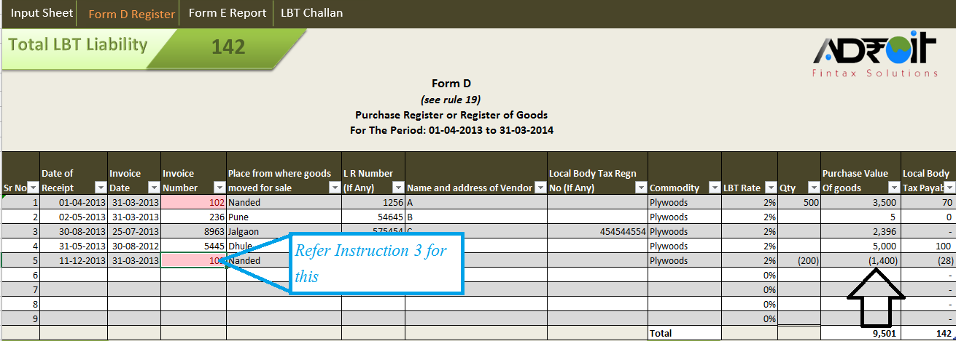

1) | Auto Complete: Various fields in this page have autocomplete function, but for this function to work a value must be entered in the column at least once
2) | Auto Filter: A Auto filter has been provided at the top of the table, which can be used to filter and/ or sort the data in the table. A care must be taken while using this funtion that, once you have done with sorting/ filtering you need to restore (remove/ undo the filtering and/ or sorting) to use this utility normally. This Utility does not restores its default settings

 | 2.1) This Function can be used to get the monthly LBT Liability as follows

 | > Click on drop down list in the Date Of Receipt field

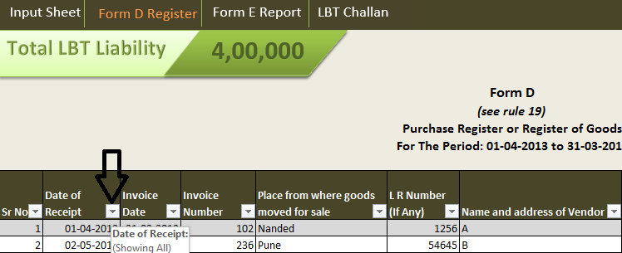

 | > A Menu list will pop up

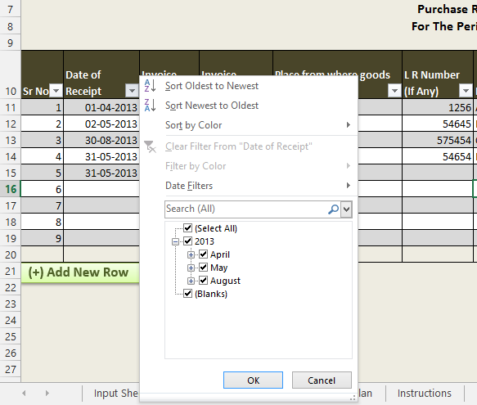

 | > Select the month for which LBT liability is needed

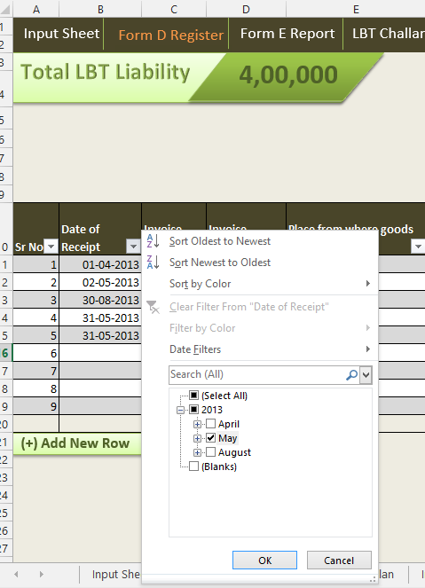

 | > Press Ok, LBT Liability for that month will be displayed

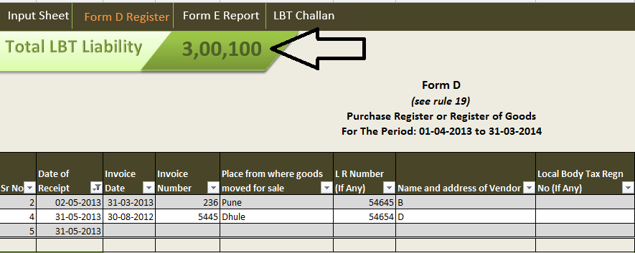

 | > Don’t forget to undo the filtering by clicking select all checkbox in the menu pop up

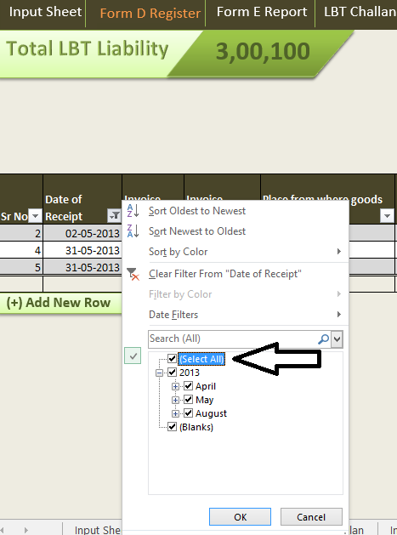

3) | Duplicate Invoice Number: A data validation has been used to identify the duplicate Invoice entered in the Invoice Number field, The field will turn Light Red Fill With Dark Red Text

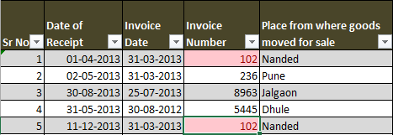

 | You need not enter unique vales in this field, this validation has been inserted just to indicate that a duplicate value is inserted in the field

 | 3.1) This Validation can be used to identify whether a purchase return is within six months time or not

 | > Click on drop down list in Invoice Number Field

 | > Selct Filter by color

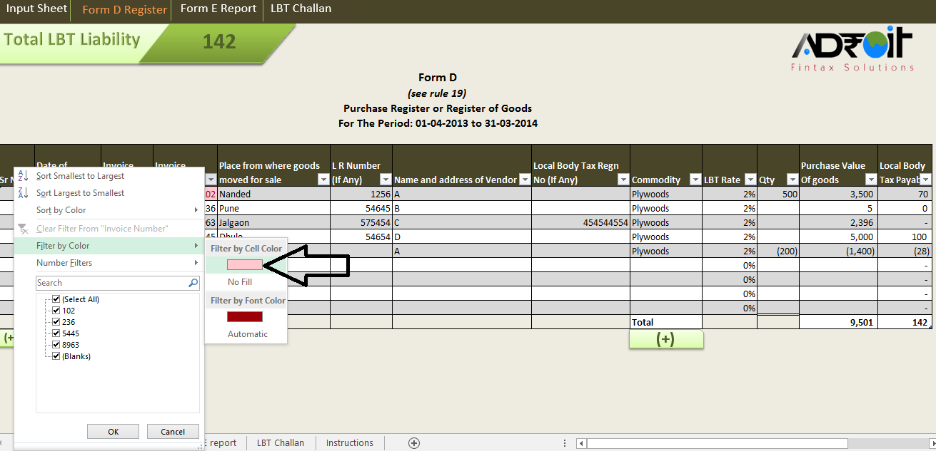

 | > Result will show values with same Invoice Numbers
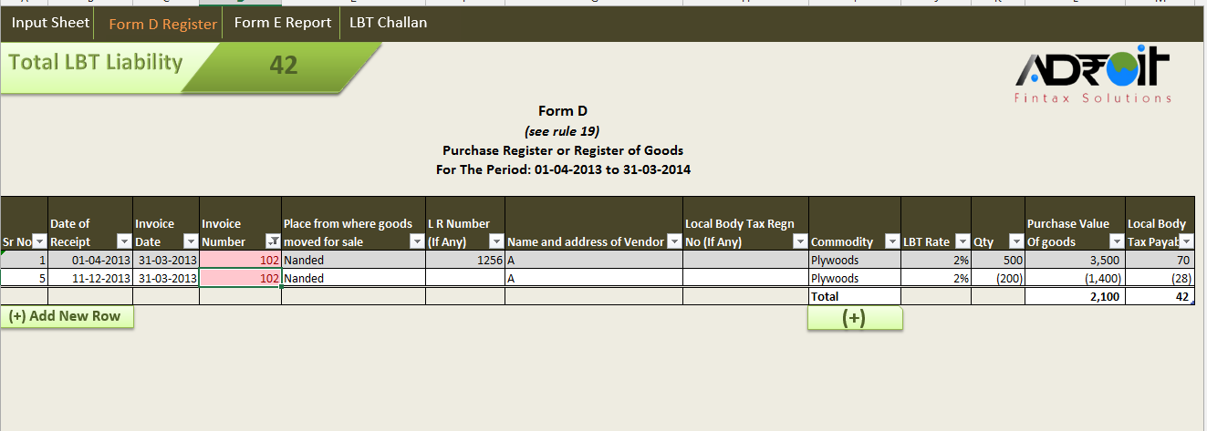

 | > Check the dates and enter Nil [0] or No Value in Purchase Value Of Goods Field, if period is more than six months

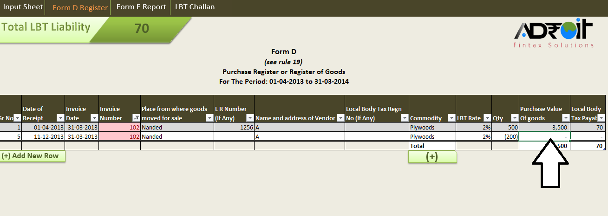

 | > Don’t forget to undo the filtering by clicking select all checkbox in the menu pop up

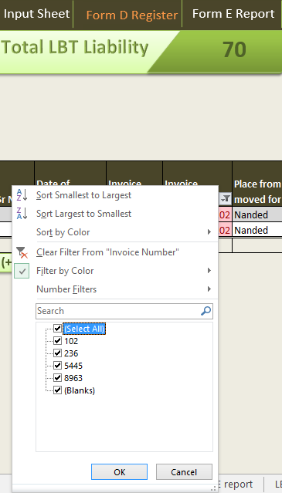

4) | A shortcut has been added at the bottom of the page to facilitate faster addition of New Commodity

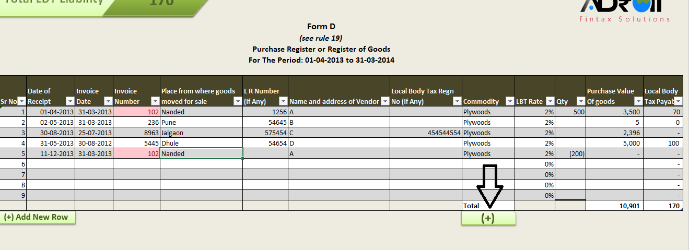

5) | Addiing New Row In The Form D: Click on Add New Row Tab to add new row in the table. A care should be taken while adding new row that, once a new row is added it cannot be deeleted

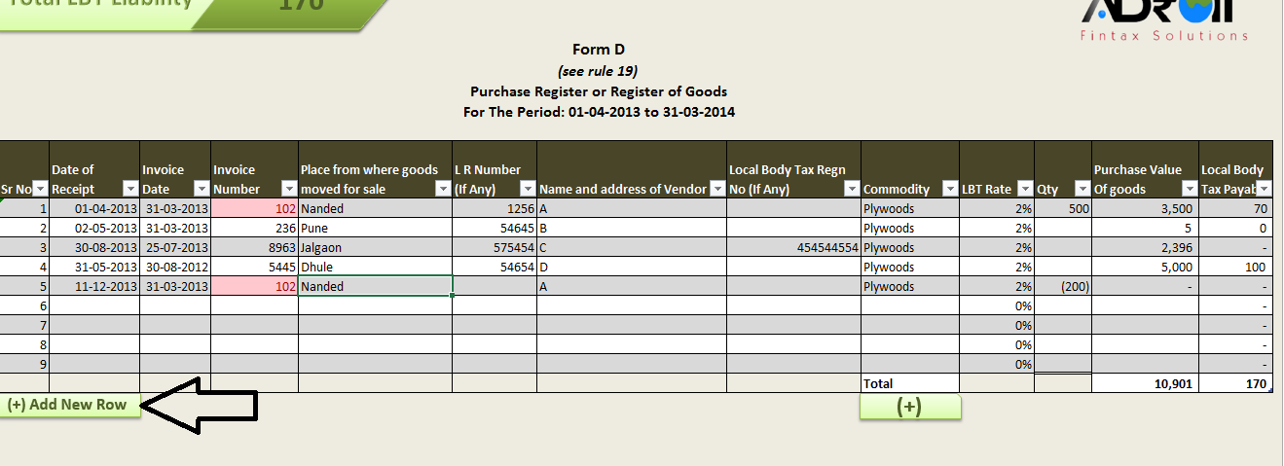

Form E Report

Form E Report is the annual return required to be filed every year within 90 Days from the end of financial year by every dealer. Form E is not linked to all the cells in Form D in this excel sheet and need to be filled maually

1) | Adding/ Deleting Rows In Form E:

 | > Select the last row of the Table

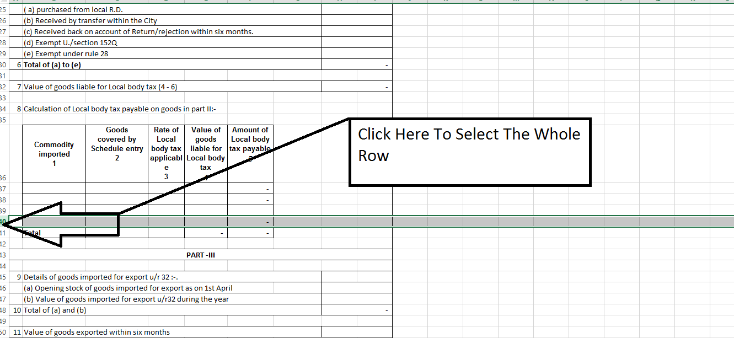

 | > Press CTRL & [+] button on the key board to add new row

 | > Press CTRL & [-] button on the key board to delete selected row

LBT Challan

LBT Challan need to be filed by 20th of every month [also see instruction 2.1 in autofilter above]. LBT Challan is not completely automated you need to enter LBT amount maually in the fisrt column only

LBT Challan is pre-formated for printing on A4 size paper, so need to adjust the challan for printing

