Sheet1
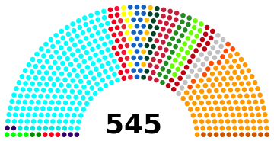

COMPOSITON OF LOK SABHA SEATS
S.NO. | NAME OF THE STATE | Seats
Column1 | Column2 | Column3
1 | Andra Pradesh | 42
2 | Arunchal Pradesh | 2
3 | Assam | 14
4 | Bihar | 40
5 | Chhattisgarh | 11
6 | Goa | 2
7 | Gujrat | 26
8 | Haryana | 10
9 | Himachal Pradesh | 4
10 | Jammu & Kashmir | 6
11 | Jharkhand | 14
12 | Karnatak | 28
13 | Kerala | 20
14 | Madhya Pradesh | 29
15 | Maharashtra | 48
16 | Manipur | 2
17 | Meghalay | 2
18 | Mizoram | 1
19 | Nagaland | 1
20 | Odisha | 21
21 | Punjab | 13
22 | Rajasthan | 25
23 | Sikkim | 1
24 | Tamil Nadu | 39
25 | Tripura | 2
26 | Uttarakhand | 5
27 | Uttar Pradesh | 80
28 | West Bengal | 42
29 | Puduchery | 1
30 | Delhi | 7
31 | Lakshadeep | 1
32 | daman Diu | 1
33 | Dadar Nagara Haveli | 1
34 | Chandigarh | 1
35 | Andman Nicobar | 1
 | Nominee By president | 2

