Yoga Basics
ORIGINS OF YOGA
A long, long time ago in the Himalayan kingdom of Tibet, legend has it that the goddess Parvati was so distressed by all the human suffering in the world that she climbed to the top of Mount Kailash, to the abode of the snows, where Lord Shiva was seated in deep meditation. She pleaded with him to teach her the divine science of self realization, so that she could then teach and help the suffering, ignorant and evil people of the world. Thus Lord Shiva gave Parvati the first teachings of yoga - the path to enlightenment and liberation. This ancient wisdom was recorded in the Tantric and Yogic Shastras, sacred text of the Vedas, giving guidance for peaceful, holistic and spiritual living. It was passed down from guru to student for thousands of years and on to our present day teachers. Yoga is the oldest personal development system in the world, encompassing mind, body and soul.

DEVELOPMENT OF YOGA
Yoga allows you to learn about your own body and mind, your potential and limitation. This assists you in developing a personal practice and holistic lifestyle, providing a strong foundation for advanced practice. Yoga brings health, happiness and inner peace to your mind, body and spirit and illuminates the path of self-discovery and enlightenment.
Yoga covers a range of techniques and philosophies. By exercising every part of the body, toning the muscles and joints, the spine, the entire skeletal system, the internal organs, glands and nerves, all systems are restored to radiant health. Powerful breathing techniques recharge the whole system with prana - life force energy. Relaxation and meditation techniques bring inner peace to the mind allowing you to explore higher realms of consciousness.
Regular practice of these techniques will revitalize the body and mind by removing energy blockages and improving circulation. It releases tension and stress, promoting strength and vitality, weight loss, resistance to disease. They develop love, wisdom and compassion inspiring self-discipline and spiritual living.

INTRODUCTION TO YOGA
There are four forms of yoga Gyan (Knowledge of understanding/Path of Knowledge), Bhakti (Love and Devotion), Karma (The path of selfless action and selfless service/ All action belong to Supreme Being) and Raja (Discipline of meditation practice/ Royal path to yoga).
Yoga is a practical system and universal philosophy designed to help you return you body and mind to radiant health, promoting peace and harmony in your daily life. This is achieved by regularly practicing yogic techniques in a systematic and progressive way. Under the guidance of an experienced yoga instructor you can develop a personal discipline that trains the mind and body to become healthy and live in balance and harmony. Most of the yoga styles taught today throughout the western world are variations of Hatha Yoga which involves stretching, breathing and relaxation techniques. This purifies the mind and body in preparation for meditation, which can lead to enlightenment.
Although popular belief is that the Sanskrit word yoga refers to union between body, mind and spirit, the traditional acceptance is union between the jivatman and paramatman, that is between one's individual consciousness and the Universal Consciousness. Therefore, yoga refers to a certain state of consciousness as well as to methods that help one reach that goal or state of union with the divine. The true meaning of yoga is to bring about this change using systematic purification of the mind and body through moral, spiritual physical and mental discipline.
The actual practice of yoga takes each person in a different direction. Each of us is required to pay careful attention to the direction we are taking, so that we know were we are going and how we are going to get there. This careful observation will allow us to discover something new about ourselves. When we gain more understanding of ourselves and reach a point we have personally never been before, that is yoga. The more we progress, the more we become aware of the holistic nature of our being, realizing that we are made of body, breath, mind, and more. If we are to become complete human beings we must incorporate all aspects of ourselves, emphasizing all aspects of human life, including our relationships with others, our behavior, our health, our breathing, and our meditation.
Progress on the path of Yoga depends on various physical and mental qualifications in an individual that have to be gradually cultivated and awakened. All these qualifications are listed in a yogic text called the Gherand Samita. They are; body purification, steadiness of the body, determination, patience, lightness of the body and mind, direct perception, detachment, and to be unaffected by the woes of the world and life. These practices and experiences are the means to achieve perfection. Yoga helps to develop these required qualifications in the aspirant, enabling him or her to progress along the path to perfection, allowing men, women and children of all ages to reach their full potential. This objective may only be achieved if there is balance and harmony between mind and body.To live harmoniously the mind, body and spirit must develop in a balanced way according to individual temperament and capacity. This all helps to make the purification process deep-rooted and ensure success.The vast science of yoga can be divided into five points: proper exercise, proper breathing, proper relaxation, proper diet and proper thinking and meditation. Following these simple points will make a positive change in all areas of your life.
Yoga is an evolutionary process and, like nature, if you study it long enough, you will come to understand that change is not a choice, it happens, and over time you are different. With patience, gentleness and determination yoga can make this change a positive one. Yoga introduces us to ways of seeing that create opportunities for us to recognize ourselves better. Yoga helps each of us to attain what was previously unobtainable. Therefore practice yoga everyday, if possible under the guidance of a qualified yoga instructor. Yoga is a journey of self-realization and self-discovery that cannot be bought by the hour. It must be earned through diligent selfpractice. It cannot be given in a book or lecture; you must experience it for yourself.

TEN PRINCIPLES OF YOGA
1 Discipline
To succeed in yoga one must have discipline. Regular, systematic practice is essential. Discipline also means yama and niyama - restraints on behaviour through universal moral commandments and self-purification through spiritual discipline. Swami Sivananda says “To achieve the goal of yoga one must have constant spiritualization of all activities and cultivation of virtues such as non-violence, truthfulness and celibacy.” If you are not religious try to maintain mindfulness and constantly be in the present moment aware of all actions and thoughts.

2 Food
Eat a nourishing and well balanced diet, based on natural foods. Avoid over-eating. Avoid fasting too much. Avoid over-processed foods. Eat only foods that are easily digestible. This keeps the body light and supple and the mind calm, giving a high resistance to disease. It is essential to drink plenty of water between meals, especially during periods of intense practice. Take natural remedies for illness, avoiding pharmaceuticals and synthetic medicines except in emergencies. Advanced students should consider a purely vegetarian diet to enhance spiritual progress.

3 Sex
Hatha Yoga teaches that sexual energy should be conserved and used for spiritual progress. Complete sexual suppression is not necessary, but it should be reduced and controlled as much as possible. This will save huge amounts of energy and considerably decelerate the aging process. It will also help in reducing the great attachment that people have with sex and the material world. Hatha Yoga does not utilize the transcendental experience of sexual union for the path to spiritual awareness. Hatha Yoga advises celibacy - reduced sexual activity and thoughts.

4 Sleep
Too much sleep makes the body lazy and weak and reduces the amount of waking time. It is only necessary to have about 5 to 6 hours sleep per night but most people have 8 to 10 hours. Try to go to sleep at 9 or 10 P.M. and get up around 5 or 6 A.M. This is ample time to get a good night’s sleep and gives you enough time in the morning for yoga practice.

5 Relaxation
The technique of yoga nidra {deep relaxation} releases tension and stress in the mind and body and rests the whole system, leaving you as refreshed as after a good night’s sleep. It carries over into all your activities and teaches you to conserve energy and let go of all worries and fears. Deep relaxation leads into pratyahara – withdrawal of the senses – leading to inner awareness and greater concentration. However, in yoga nidra you are not allowed to sleep.

6 Exercise
Try to exercise regularly for a healthy heart, muscles and circulation with jogging, swimming and asanas. In Hatha Yoga proper exercise is given by the salutations to the sun and the asana, which work systematically on all parts of the body, stretching and toning the muscles and ligaments, keeping the spine and joints flexible. and improving circulation and the flow of prana. This brings steadiness and lightness to the body and mind. Never exert un-due force, as pain is signal to stop the practice.

7 Breathing
This means breathing fully and rhythmically through the nose, making use of all not just part of your lungs to increase your intake of oxygen. Pranayama - yogic breathing techniques - teaches how to recharge the body and control our mental state by increasing and regulating the flow of prana - vital energy - conserved in the chakras - energy centres.

8 Concentration and meditation
Being in the present moment, with continuous mindfulness and awareness of every present moment, is the key to spiritual evolution. Concentration techniques help improve mental stability and awareness. This helps to still the mind, reducing stress and tension in preparation for meditation. Meditation helps us to find inner peace and teaches how to become aware of the inner self, ultimately transcending all thought, leading to complete absorption with the Divine.

9 Positive thinking and determination
There are many obstacles on the path of yoga. It is extremely important to have a strong determination to succeed while maintaining a positive mental attitude. Positive thinking promotes mental health and helps to remove negative thoughts, avoiding anxiety and depression through life’s ups and downs. This includes awareness of all thoughts, speech and actions, and maintaining a high standard of morality.

10 Patience and gentleness
Do not try to rush your progress. Hatha Yoga takes many years of discipline to achieve safe results, and in time you will understand the need for patience and gentleness. Rushing this process may result from not understanding basic concepts and theories and may cause many problems including physical and mental injury, ego inflation and exhaustion. Relax. Take your time, advancing slowly but surely, day by day.

PRANA and CHAKRA
The healing process of yoga not only operates on the physical and mental levels, but also on the subtle or astral energy level. Central to Hatha Yoga is the cleansing and purifying of these subtle energy channels and awakening of the charkas through the movement of prana. Prana is the vital life-force energy that pervades the universe. Prana travels through the human body along thousands of subtle channels called nadis, which correspond to nerves in the physical body. The nadis cross at thousands of junctions in the body called charkas.
Chakra is the ancient Indian Sanskrit word for wheel or vortex. Chakras are vortices of pranic energy at specific areas in the body, which control the circulation of prana permeating the entire human structure. These chakras contain our physical, mental, psychic and karmic history. On a physical level charkas correspond to the major nerve plexuses and endocrine glands in the body. In most people these chakras lie dormant or inactive. It is with the practice of yoga that these centres of energy may be awakened and cleansed, thus purifying and unblocking each chakras, allowing free movement of prana throughout the body. The chakras are then able to absorb and store greater quantities of prana, promoting vitality and strength. Below is a list of the grand chakra system and their positions along the spine.

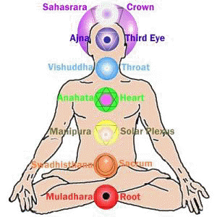

VIOLET/PURPLE governs the CROWN chakra, at the top of the head.
BEAUTY, CREATIVITY, INSPIRATION
Related organ: brain
Endocrine gland: pineal gland.
Associated problems: depression, Parkinson's disease, Schizophrenia, Epilepsy, seniledementia, Alzheimer's, many mental disorders, confusion, and dizziness.
Personality Traits: Inspirational leaders, kindly and just, humanitarians, self-sacrifing, visionary, creative, and strong mentally.
Violet relates to self knowledge/spiritual awareness. It is the union with your higher self, with spirituality, and your higher consciousness. Dis-ease can result with an in-balance of energy in this chakra, either too much or too little. The violet energy connects us to our spiritual self bringing guidance, wisdom and inner strength and purifies our thoughts and feelings giving us inspiration in all undertakings. Enhances artistic talent and creativity.

positive aspects of violet
- a reverence for all life
- self sacrificing in the service of others
- idealism
- an ability to see the appropriate route for the benefit of the higher self

negative aspects of violet
- no concern for others
- feelings of superiority
- lack of contact with reality

INDIGO governs the BROW chakra or third eye, in the centre of the forehead.
INTUITION, MYSTICISM, UNDERSTANDING
Related organs: eyes, lower head and sinuses
Endocrine gland: pituitary gland.
Associated problems: tension headache, migraine, visual defects, short-sightedness, long-sightedness, glaucoma, cataracts, sinus problems, ear problems.
Personality Traits: Intuitive, fearless, practical, idealistic, wise, and a truth seeker.
Indigo relates to self responsibility - being responsible for one's own life, responsible to oneself to follow the soul's path and needs and trusting one's own intuition. (the ability to see things from a 'higher' viewpoint rather than purely for satisfaction of the ego or one's material comfort.). The indigo energy connects us to our unconscious self, and gives us the experience of being part of the whole universe. Strengthens intuition, imagination, psychic powers, and increases dream activity.

positive aspects of indigo
- highly intuitive
- faithful
- clear sighted
- integrity
- orderly mind

negative aspects of indigo
- inability to trust intuition
- scattered mind
- inconsiderate
- blinkered vision

BLUE governs the THROAT chakra. KNOWLEDGE, HEALTH, DECISIVENESS
Related organs: throat and lungs
Endocrine gland: thyroid gland. The upper digestive tract can be affected by imbalance in this area.TURQUOISE can also be helpful for both the throat and the heart chakra.
Associated problems: Thyroid problems - over active/under active; Anorexia nervosa (this is a multi-chakra problem but has a strong connection to the throat chakra); asthma; bronchitis; hearing problems; tinnitus - may also be connected to problems with the brow chakra; problems of the upper digestive tract; mouth ulcers, sore throats, tonsillitis.
Personality Traits: Loyal, tactful, affectionate, inspiring, inventive, caring, and cautious.
Blue is the colour of the spirit and relates to self expression - speech, communication, the ability to communicate our needs and requirements; Spirit of truth and purpose. This is a mentally-relaxing colour. Blue has a pacifying effect on the nervous system and brings great relaxation - ideal for sleep problems, and hyper-active children. Connects us to holistic thought, and gives us wisdom and clarity enhancing communication and speech.

positive aspects of blue
- loyal
- trustworthy
- tactful
- calm

negative aspects of blue
- unfaithful
- untrustworthy
- self-righteous
- cold

GREEN governs the HEART chakra.
BALANCE, LOVE, SELF CONTROL
Related organs: heart and breasts
Endocrine gland: thymus gland
Associated problems: heart diseases, diseases of the Immune system eg.AIDS and ME (myalgia encephalomyelitis,sometimes referred to as chronic fatigue syndrome); other problems related to the immune system, allergies, cancer of the breast. TURQUOISE also has a helpful effect on the immune system and also helpful in relation to the throat chakra. PINK also relates to the heart chakra being the colour of love.
Personality Traits: Understanding, self-controlled, adaptable, sympathetic, compassionate, generous, humble, nature loving, and romantic.
Green chakra relates to love/self love - the ability to give and take unconditionally. When balanced we are able to give love and also to love and nurture ourselves. Helps relax muscles, nerves, and thoughts. Cleanses and balances our energy, to give a feeling of renewal, peace and harmony. Green connects us to unconditional love and is used for balancing our whole being.

positive aspects of green
- compassion
- generosity
- harmony/balance
- loving

negative aspects of green
- indifference
- jealousy
- miserly
- bitterness

YELLOW governs the SOLAR PLEXUS chakra, situated below the ribs.
WISDOM, CLARITY, SELF-ESTEEM
Related organs: liver, spleen, stomach and small intestine.
Endocrine gland: pancreas
Associated problems: diabetes, pancreatitis, liver disease, peptic ulcer, Coeliac's disease, and gall stones.
Personality Traits: Good-humored, optimistic, confident, practical, and intellectual.
Yellow is a creative colour and relates to self worth. How we feel about ourselves and how we feel others perceive us. This is the area of the personality, the ego and the intellect. Gives us clarity of thought, increases awareness, and stimulates interest and curiosity. Yellow energy is related to the ability to perceive and understand. The yellow energyconnects us to our mental self.

positive aspects of yellow
- confident
- alert
- optimistic
- good humored

negative aspects of yellow
- feelings of inferiority
- over analytical
- sarcastic
- pessimistic

ORANGE governs the SACRAL chakra situated in the lower abdomen.
HAPPINESS, CONFIDENCE, RESOURCEFULNESS
Related organs: uterus, large bowel, prostate, ovaries and testes. (In the fetus the testes develop in the lower abdomen, thus linking with the sacral chakra energy, then descending to the scrotum by birth.)
Endocrine glands: ovaries and testes
Associated problems: pre-menstrual syndrome, problems with menstrual flow, uterine fibroids, ovarian cysts, irritable bowel syndrome, endometriosis, testicular disease, prostate disease.
Personality Traits: Enthusiastic, happy, sociable, energetic, sporty, self-assured, and constructive.
Orange is the colour of success and relates to self respect; having the ability to give ourselves the freedom to be ourselves and helps you expand your interests and activities. Brings joy to our workday and strengthens our appetite for life! Orange is the best emotional stimulant. It connects us to our senses and helps to remove inhibitions and makes us independent and social.

positive aspects of orange
- sociable
- creative
- joyous
- independent

negative aspects of orange
- withdrawn
- destructive
- despondent
- over-dependent

RED governs the BASE chakra situated at the base of the spine.
VITALITY, COURAGE, SELF CONFIDENCE
Related organs: kidneys and bladder, the vertebral column, hips and legs are also areas related to this chakra.
Endocrine gland: adrenal gland.
Associated problems: constipation, diarrhea, piles, colitis, Crohn's disease, cold fingers and toes, frequency of urination, hypertension (high blood pressure), kidney stones, impotence, hip problems, legs and feet. PINK can also be used here when a more gentle energy is required.
Personality Traits: Courageous, confident, humanistic, strong-willed, spontaneous, honest, and extroverted.
Red relates to self awareness. It is the area of survival and stability and your place on this earth. The colour red provides the power from the earth and gives energy on all levels. It connects us to our physical body. Everything that is to be commenced needs the life vitality of red.

positive aspects of red:
- security
- courage
- strength of will
- pioneering

negative aspects of red:
- insecurity
- self pitying
- aggressive
- fearful

Poses
Sr. No | Asana | Benefits
1 | Adho Mukha Svanasana | 1 The yoga pose can be used to overcome stress and depression.
 |  | 2 It improves the digestive system.
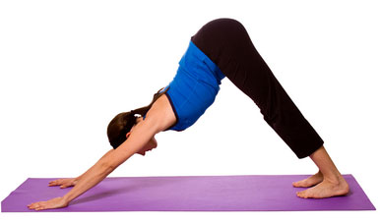
 |  | 3 Adho Mukha Svanasana can be very beneficial for patients of high blood pressure, asthma, sciatica and sinusitis.
 |  | 4 The shoulders, legs, spine and whole body get stretched.
 |  | 5 Woman with menopause can benefit from this posture.
 |  | 6 This yoga pose relieves fatigue and rejuvenates the body.

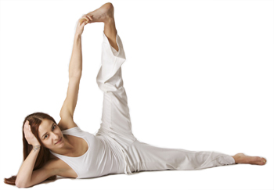
2 | Anantasana | 1 Anantasana can improve blood circulation.
 |  | 2 This yoga pose helps stretch hamstring and calves.

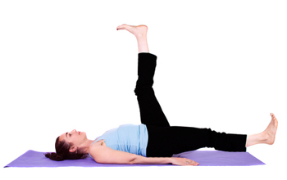
3 | Ardha Halasana | 1 You can practice this asana even on your bed before you get up in the morning. This will help cure constipation.
 |  | 2 Ardha Halasana helps regulate bowel movements.
 |  | 3 It helps build up elasticity of the abdominal region.
 |  | 4 Practicing the asana several times a day brings relief to people with varicose veins.
 |  | 5 The pose prevents hernia.
 |  | 6 Women suffering from menstrual disorders should practice Ardha halasana.

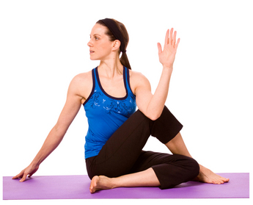
4 | Ardha Matsyendrasana | 1 The pose massages the entire spine and makes it supple.
 |  | 2 As each vertebra rotates in this pose, it increases the flexibility of the spinal column, particularly of the lumbar region.

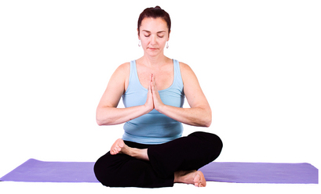
5 | Ardha Padmasana | 1 Those who find Padmasana or the Lotus Pose difficult can start with this pose. It increases the flexibility of hips, knees and ankles.
 |  | 2 This pose is very good for meditation.

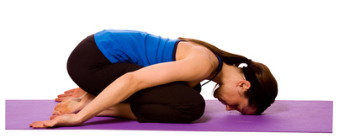
6 | Balasana | 1 This asana provides relaxation of body and mind.
 |  | 2 The spinal column becomes stronger.
 |  | 3 Balasana can help you overcome fatigue.
 |  | 4 You can get relief from back and neck pain.
 |  | 5 Your entire back, hips, thighs and knees get a good stretch and thus get relaxed.

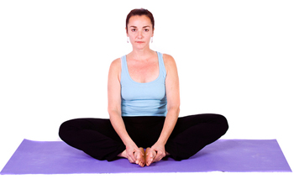
7 | Bhadrasana | 1 The pose can relieve stiffness of knees, hips and ankle-joints
 |  | 2 Bhadrasana should be practiced for healthy kidneys, prostrate, and urinary bladder.
 |  | 3 Tension is released from the spinal coccygeal and sacral regions.
 |  | 4 Practicing of this posture helps in blood supply to the muscles and ligaments of the uro-genital region.
 |  | 5 The pelvis and groin muscles are strengthened.
 |  | 6 Inner thighs get toned up.

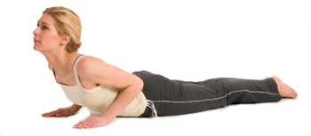
8 | Bhujangasana | 1 Flab is reduced especially of the hips, abdomen and waist.
 |  | 2 This asana helps overcome fatigue after a tiring day.
 |  | 3 Bhujangasana helps to get a proper posture and also get rid of back humps.
 |  | 4 Your posterior, arms, shoulders and wrists will become stronger.
 |  | 5 People with low blood pressure should practice Bhujangasana
 |  | 6 Stiff neck and back can be treated with this pose.
 |  | 7 It helps relieve all pains in the neck and the back.
 |  | 8 Your digestive system improves and can be helpful in treating loss of appetite.

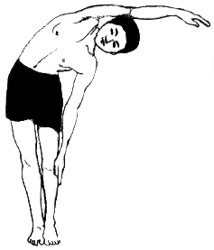
9 | Chakrasana - Standing Wheel Pose | 1 The lateral bend in Chakrasana makes the spinal column elastic.
 |  | 2 This pose also makes the hip joint flexible..
 |  | 3 The pose is good for checking the rigidity of the rib cage, resulting in an increase of lung capacity.
 |  | 4 Chakrasana results in a supple and resilient body..

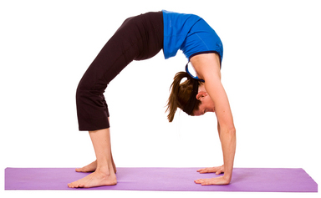
10 | Chakrasana - The Wheel Pose Supine | 1 The pelvic and abdominal muscles gain strength with this pose.
 |  | 2 Supine Chakrasana benefits all parts of the body.
 |  | 3 The posture also helps strengthen the neck, arms, wrists, fingers, spine, backside, thighs, knees, ankles and feet.

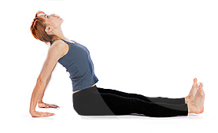
11 | Dandasana | 1 The legs, arms, back and spine all get stretched.
 |  | 2 Tired feet get relief from this pose.
 |  | 3 Practice of Dandasana corrects bad posture.
 |  | 4 Dandasana can alleviate sciatica pain.
 |  | 5 This pose improves digestion.

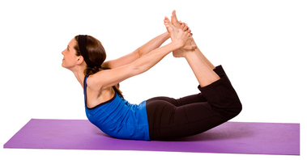
12 | Dhanurasana | 1 Pain in the neck, back and lumbar region can be treated with this pose.
 |  | 2 Diabetic patients should perform this pose.
 |  | 3 Dhanusasana can relieve you of rheumatic pain.
 |  | 4 The pose benefits women a lot in reducing flab of abdomen, waist, hips and thighs.
 |  | 5 The pose improves the flexibility of the entire body.
 |  | 6 If you suffer from constipation or flatulence,Dhanurasanacan give you relief.
 |  | 7 The pose improves the digestive system.
 |  | 8 Urinary problems and dyspepsia can be cured with this pose.
 |  | 9 The buttocks and thigh muscles are both strengthened.
 |  | 10 Muscles of the pelvic region, lumbar region, and the abdominal area are made stronger and suppler.
 |  | 11 Sciatica can be treated with regular practice of Dhanurasana.
 |  | 12 The heart, liver, spleen, bladder, the genital organs and the solar plexus also benefit form this pose.

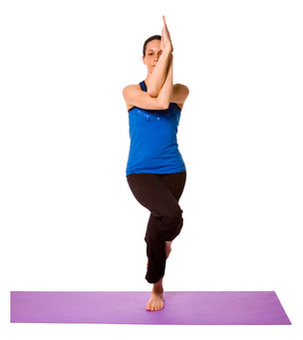
13 | Garudasana | 1 The hips, thighs and shoulders are stretched.
 |  | 2 The yoga pose helps improve the balance of your body.
 |  | 3 Ankles and knees are strengthened with regular practice of Garudasana.

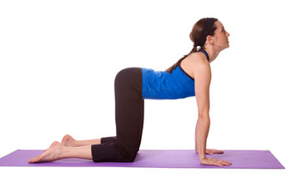
14 | Gavasana | 1 The neck and upper part of the body get stretched.
 |  | 2 The abdominal organs benefit from this pose.
 |  | 3 The spinal column gets massaged.

15 | Gomukhasana | 1 Muscles of the thighs, hips, upper back, upper arm and shoulders are strengthened.
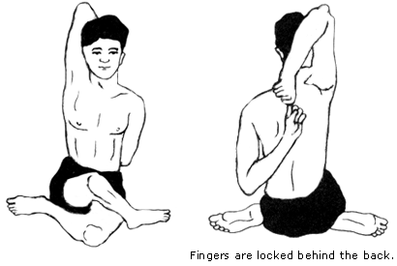

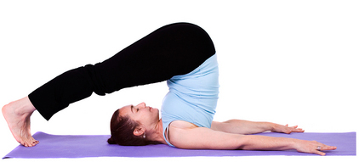
16 | Halasana | 1 The pose helps in treatment of rheumatism.
 |  | 2 It relieves tension from the neck and back, by stretching the muscles of the region.
 |  | 3 It cures slouching and helps in attaining a straight standing posture..
 |  | 4 It helps attain a slimmer waist as well as makes the hips suppler..
 |  | 5 Halasana exercises the entire spinal column and provides flexibility.
 |  | 6 This pose should be practiced by people wanting to lose weight and attain a flat tummy.
 |  | 7 It helps in removing laziness and fatigue
 |  | 8 Your heart gets strengthened owing to the alternate pressure put on the heart muscle. Blood circulation is also improved.

17 | Janusirsana | 1 Sciatica and the solar plexus get great benefit from this pose.
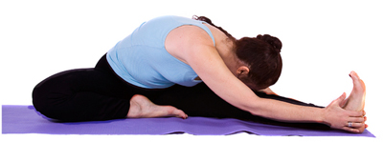

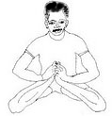
18 | Kandasana | 1 The asana is a cure for several sexual disorders.
 |  | 2 It also helps overcome impotency.
 |  | 3 Joint pains are relieved with practice of this pose.
 |  | 4 It provides flexibility of hips by removing stiffness.
 |  | 5 The pose is beneficial for the lower part of your body.

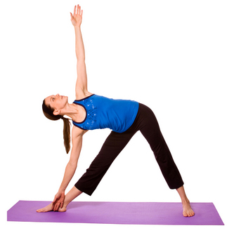
19 | Konasana | 1 This pose is helpful in relieving back pain.
 |  | 2 Flexibility of the spine increases.

20 | Makarasana | 1 Makarasana is the perfect pose for relaxation of both mind and body.
 |  | 2 It helps relieve fatigue after a strenuous yoga session.
 |  | 3 The asana helps keep control over high blood pressure.
 |  | 4 Breathing problems and genito-urinary disorders are cured.
 |  | 5 Makarsana is beneficial to the digestive system.
 |  | 6 It helps get rid of flatulence and scoliosis.

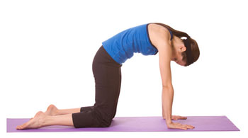
21 | Marjari Asana | 1 The spinal cord is stretched and gets massaged.
 |  | 2 The abdominal organs benefit from this pose.
 |  | 3 Practice of Cat pose helps reduce stress.

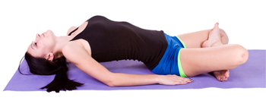
22 | Matsyasana | 1 The spinal column gets toned.
 |  | 2 It increases your lung capacity.
 |  | 3 It helps in correcting any abnormal curvature of your spine.
 |  | 4 Flexibility of dorsal and cervical regions increases with regular practice.

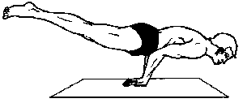
24 | Mayurasana | 1 Mayurasana keeps your pancreas and liver healthy.
 |  | 2 Diabetic patients can benefit from this pose.
 |  | 3 The abdominal muscles get toned up.
 |  | 4 Dyspepsia and visceroptosis can get cured with this pose.

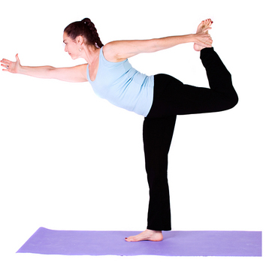
25 | Natarajasana | 1 Natarajasana helps in increasing your concentration power.
 |  | 2 Hips and legs get toned up.
 |  | 3 Natarajasana can induce stimulation of the chest.
 |  | 4 The pose helps you attain balance as well as stability of mind and body.

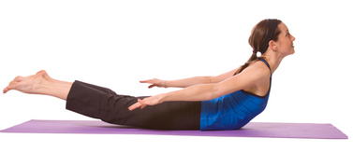
26 | Naukasana | 1 Hips, arms, thighs, knees, calves, feet are strengthened by this pose.
 |  | 2 Any abnormal curvature of the spine is corrected by Naukasana.
 |  | 3 Spine attains flexibility with regular practice.
 |  | 4 Muscles of the back, abdomen, the lower limbs, neck and shoulders become stronger.

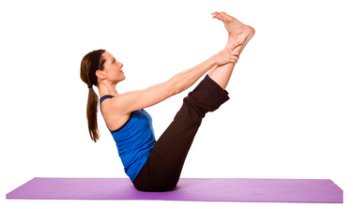
27 | Oordhwa Padahastasana | 1 The pose makes the back, hips and pelvic region suppler.
 |  | 2 Muscles of thighs and knees get strengthened.
 |  | 3 The feet, calves, knees, thighs, posterior, arms, diaphragm, shoulders and the neck are simultaneously exercised with Oordhwa Padahastasana.
 |  | 4 The abdomen as well as solar plexus attains strength with practice of this pose.
 |  | 5 Women should perform the pose for a healthy uterus.

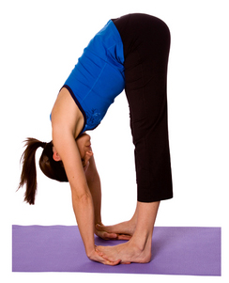
28 | Padahastasana | 1 The entire body is flexed and thus it is good for the overall exercise of the shoulders, neck, chest, abdomen, waist, thighs and knees.
 |  | 2 It helps strengthen the hamstrings.
 |  | 3 The pose gets the buttocks toned.
 |  | 4 Ligaments and tendons of the entire legs get stretched.
 |  | 5 Sciatic nerves get pulled.

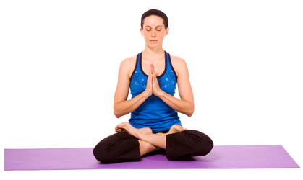
29 | Padmasana | 1 Padmasana helps to get rid of flab around abdomen, thighs and buttocks.
 |  | 2 The thigh and calf muscles become stronger.
 |  | 3 Arthritis of knee, ankle and hip joints is relieved with practice of Padmasana.
 |  | 4 The pose helps attain a straight posture.
 |  | 5 Padmasana ensures the required blood supply to the abdomino-genital and pelvic areas.
 |  | 6 All muscles, tendons and ligaments are flexed and extended during Padmasana. They are then relaxed when you relax.
 |  | 7 Padmasana tones up the abdomen and spine.
 |  | 8 The erect spine attained in this posture prevents compression of the abdominal viscera.

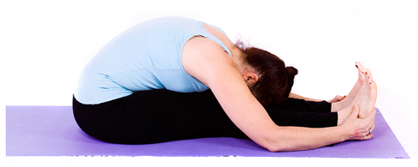
30 | Paschimotanasana | 1 This yoga pose helps relax the entire body with the stretching of the muscles of neck, chest, shoulders, the spinal column, abdomen, hips, waist, legs and feet.
 |  | 2 It helps overcome menstrual disorders.
 |  | 3 The pose is helpful in slimming down a flabby waist.
 |  | 4 Spinal column gets supple and flexible.
 |  | 5 It activates your pancreas; hence diabetic patients should perform this asana.
 |  | 6 With the pressing of the abdomen the inner organs attain strength.
 |  | 7 Paschimotanasana relieves rheumatism especially in the muscular portion of the back.
 |  | 8 Deformities of the spine are treated and thus the pose helps in correcting your posture.
 |  | 9 Regular practice of Paschimotanasana can help get rid of fat around abdomen, hips, backside and thighs.
 |  | 10 A protruding belly can be treated with this yoga pose.
 |  | 11 Paschimotanasana cures seminal weakness and impotency.
 |  | 12 Paschimotanasana improves the peristaltic action of the bowels curing constipation and other digestive disorders.
 |  | 13 Lung capacity is expanded due to stretching of the rib cage.
 |  | 14 Problems related to intestines and piles can be checked with the posture.
 |  | 15 Elasticity of arms, elbows, shoulders, legs, knees, ankles and hip joints improves.

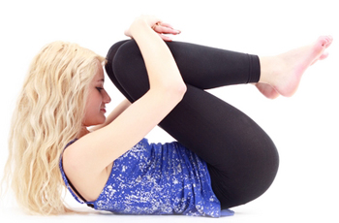
31 | Pavanamuktasana | 1 The pose cures flatulence.
 |  | 2 It gives relief from constipation and also improves the digestive system.
 |  | 3 The lower back is strengthened.
 |  | 4 Pavanmuktasana also helps remove flab from your back and abdomen.
 |  | 5 The neck and back is stretched.
 |  | 6 Impotency can be treated with the practice of this posture.
 |  | 7 Circulatory system performs better.
 |  | 8 Pavanmuktasana should be practiced by persons suffering from jaundice.

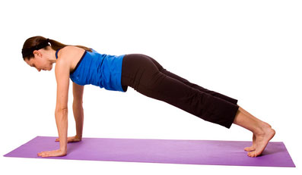
32 | Plank Pose | 1 The plank pose is good for toning the abdomen.
 |  | 2 Arms, legs and spine are stretched.
 |  | 3 Wrists become stronger with regular practice of this yoga posture.

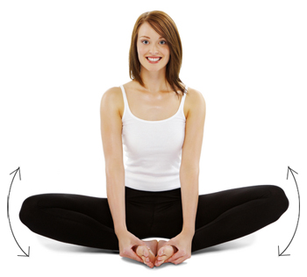
33 | Purna Titali Asana | 1 The pose is known for its benefits in relieving stress and lifting your spirits.
 |  | 2 Inner thighs get relaxed.
 |  | 3 It helps overcome fatigue.
 |  | 4 Purna Titali Asana soothes your legs.
 |  | 5 It is also beneficial to the uro-genital system.

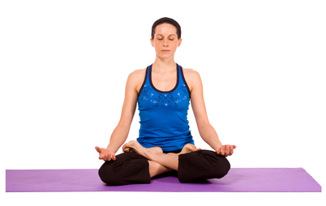
34 | Samasana | 1 Functioning of spine improves with practice of this posture.
 |  | 2 The pose is good for meditation and concentration.
 |  | 3 The relaxing effect of the pose helps in stabilizing heart beats.
 |  | 4 It helps in healing the strained muscles of the heart.

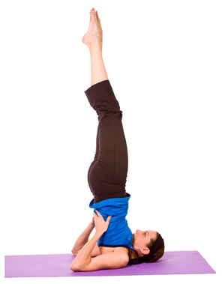
35 | Sarvangasana | 1 This yoga pose delays aging and prevents appearance of wrinkles.
 |  | 2 This asana boosts the functioning of the vocal cords as well as the throat vessels.
 |  | 3 The spinal column becomes suppler and flexible.
 |  | 4 The posture corrects abnormal curvature of the spine.
 |  | 5 Sarvangasana can benefit people suffering from palpitation, bronchitis, tonsillitis, headache, insomnia and epilepsy.
 |  | 6 Leprosy can be treated with this pose.
 |  | 7 This yoga pose helps you regulate your body weight.
 |  | 8 Sarvangasana keeps many vital organs of the body healthy and stabilizes the metabolic processes.
 |  | 9 You can get a leaner figure as the pose helps reduce flab from around abdomen, waist and hips.
 |  | 10 Pain of the neck and back is also relieved.
 |  | 11 Hernia, piles and urinary diseases can be cured.
 |  | 12 Liver and kidneys function better.
 |  | 13 Sarvangasana exercises the legs.

36 | Sasankasana | 1 Sasankasana helps get a toned abdomen.
 |  | 2 The upper back, shoulders and arms are stretched.
 |  | 3 The yoga pose can relieve spinal problems.
 |  | 4 Slipped disc can be cured with practice of this yoga pose.
 |  | 5 Knees and ankles attain strength.
 |  | 6 Drooping shoulders can be treated thereby correcting one's posture.

37 | Savasana | 1 This is the best asana to attain relaxation of mind and body.
 |  | 2 The pose can serve as a stress buster.
 |  | 3 It helps improve your work efficiency.
 |  | 4 It rejuvenates your body.
 |  | 5 Regular practice of Savasana helps overcome insomnia.
 |  | 6 The physical and mental stress and strain during a hectic day can be suitably addressed through a few minutes practice of Savasana.
 |  | 7 Savasana helps overcome fatigue.
 |  | 8 Savasana alleviates headache, angina pectoris and dyspepsia.
 |  | 9 Different pains and aches are effectively healed.
 |  | 10 Spinal abnormalities are rectified.

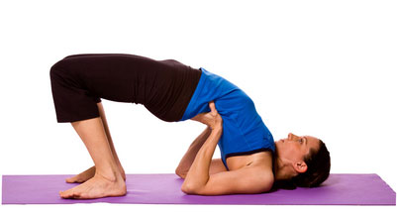
38 | Setu Bandha Sarvangasana | 1 This yoga posture alleviates stress and mild depression.
 |  | 2 Patients of asthma, high blood pressure, osteoporosis, and sinusitis can benefit from this pose.
 |  | 3 The neck, chin and spine are stretched.
 |  | 4 Regular practice of this pose improves digestion.
 |  | 5 The yoga pose can relieve headache, insomnia and fatigue.
 |  | 6 It is beneficial to women in menopause.
 |  | 7 Bridge pose helps rejuvenate tired legs.

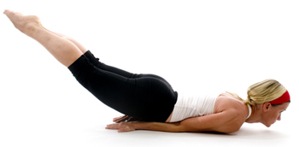
39 | Shalabhasana | 1 Muscles of lower back and legs get strengthened.
 |  | 2 It helps reduce flab from thighs, hips, waist, abdomen and buttocks.
 |  | 3 Waist becomes supple and resilient.
 |  | 4 Heart muscles get massaged and function well.
 |  | 5 Regular practice of the pose can get rid of a bulging tummy.
 |  | 6 Edema of ankles and feet can be treated with Shalabahsana.
 |  | 7 Regular practice of the pose increases lung capacity.
 |  | 8 Faulty spinal curvature is corrected.
 |  | 9 Person suffering from bronchitis can get relief with this yoga pose.

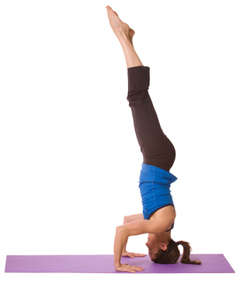
40 | Sirshasana | 1 Sensitivity of all sense organs is enhanced.
 |  | 2 This yoga pose is beneficial to all the metabolic systems of the body.
 |  | 3 The pineal and the pituitary glands are stimulated and thus they function better.

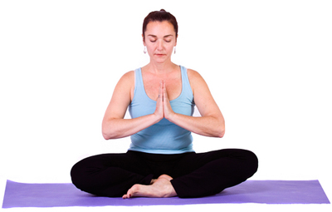
41 | Sukhasna | 1 It is the easiest yoga pose and can be practiced by one and all.
 |  | 2 This asana can help you relax your mind and body.
 |  | 3 This is the posture you should assume for sitting.

42 | Supta Udkarshansana | 1 This yoga pose helps the waist and hip get into better shape.
 |  | 2 This pose relieves constipation by improving bowel movements.
 |  | 3 Supta Udkarshasana helps tone the legs.
 |  | 4 Regular practice of the asana can result in weight loss.
 |  | 5 The spinal column gets toned and strengthened.

43 | Supta Vajrasana | 1 The pose tones the muscles of the bowels, pancreas, liver, and kidneys.
 |  | 2 Circulation of blood to the thighs, knees, back and neck is improved.
 |  | 3 Supta Vajrasana keeps the gonads and pelvic organs in better health..
 |  | 4 The muscles of the legs, thighs, pelvis and abdomen are stretched and toned up in the final position of the asana.
 |  | 5 This pose increases your lung capacity by expanding the chest.

44 | Surya Namaskar | 1 The nervous system gets toned.
 |  | 2 Surya Namaskar enhances memory.
 |  | 3 Hair related problems like dandruff, hair fall, premature graying can all be treated with this pose.
 |  | 4 Blood circulation to all parts of the body improves.
 |  | 5 Surya Namaskar helps in reducing abdominal flab.
 |  | 6 Your spine gets stretched and becomes supple.
 |  | 7 It restores a young glow to your face and helps get rid of signs of aging.
 |  | 8 Insomnia can be overcome with this yoga pose.
 |  | 9 Surya Namaskar revitalizes you and makes you stronger.
 |  | 10 It stimulates the peristalsis and thereby helps in regulating bowel functioning.

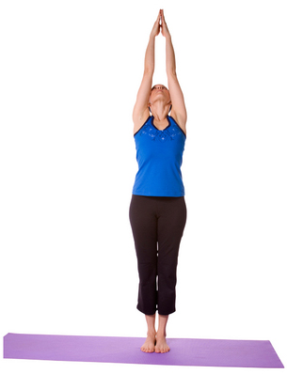
45 | Tadasana | 1 This pose can correct your posture.
 |  | 2 Regular practice can help in increasing height.
 |  | 3 Back pain and visceroptosis can be treated with Tadasana.
 |  | 4 Flexibility of spine increases.

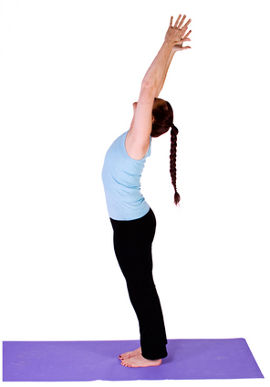
46 | Talasana | 1 This yoga pose straightens the spinal column and thus any abnormal curvature can be rectified.
 |  | 2 The lung capacity increases.
 |  | 3 Regular practice of Talasana not only strengthens your body but also makes it supple and flexible.
 |  | 4 The upper body is totally stretched.
 |  | 5 The respiratory muscles become firmer.
 |  | 6 This yoga posture strengthens the muscles of the neck, lower back, abdomen and pelvis.

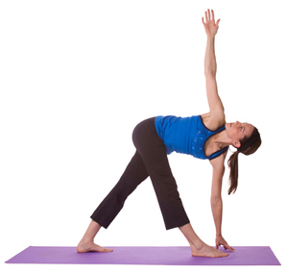
47 | Trikonasana | 1 Trikonasana relieves pain of the knees, waistline, joints, hips, elbows and the neck besides back pain.
 |  | 2 Trikonasana also boosts appetite.
 |  | 3 The pose can cure constipation by enhancing bowel movements.
 |  | 4 The hips and buttocks get toned.
 |  | 5 The pose can rejuvenate you after a hard day.
 |  | 6 Excess flab in the hips, waist and abdomen will be reduced with regular practice of Trikonasana.

48 | Ugrasana | 1 This pose makes the abdomen stronger.
 |  | 2 The back muscles get stretched and toned.
 |  | 3 It tones up kidneys, stomach, liver and other abdominal organs.
 |  | 4 The excess fat around the abdomen is reduced by practicing this asana.

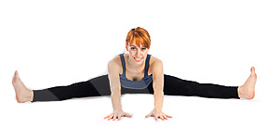
49 | Upavistha Konasana | 1 The spinal column is stretched and toned.
 |  | 2 The hamstrings and calves become stronger.
 |  | 3 The abdominal organs are stimulated.
 |  | 4 Upavistha Konasana can help you relax your mind by serving as a de-stressor.

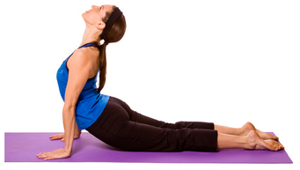
50 | Urdhva Mukha Svanasana | 1 This yoga pose helps get rid of signs of aging from the face and neck.
 |  | 2 Digestion improves with the practice of Urdhvamukha Svanasana.
 |  | 3 Urdhvamukha Svanasana is a good toning exercise for the arms and legs.
 |  | 4 The spinal column gets a good stretch and thus gives you mental and physical relaxation.
 |  | 5 If practiced in the morning, it keeps you rejuvenated all day long.

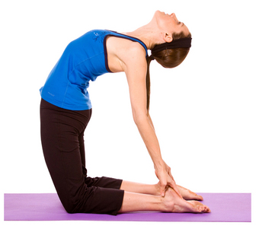
51 | Ushtrasana | 1 This pose helps expand the chest and thus increases lung capacity.
 |  | 2 The abdominal organs are stimulated.
 |  | 3 The entire chest, abdomen and neck get a good stretching making them flexible.
 |  | 4 Slouching can be rectified with regular practice of Ushtrasana.
 |  | 5 The lumbar vertebrae are massaged and they attain flexibility.

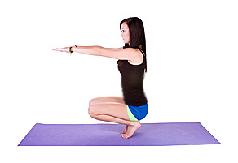
52 | Utkatasana | 1 The toe muscles become stronger.
 |  | 2 People suffering from stiff knees and hip problems can practice Utkatasana to facilitate their movement.
 |  | 3 Utkatasana is beneficial for the muscles of the feet, ankles, calves, thighs and the hips.
 |  | 4 Tendons of the legs get flexed and toned.

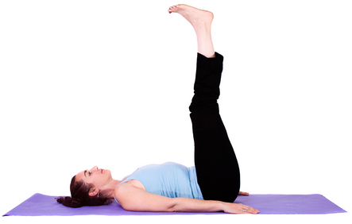
53 | Uttanapadasana | 1 Waist and thighs lose fat and get trimmer.
 |  | 2 The muscles of the abdomen and lower back become stronger.
 |  | 3 Leg muscles are stretched and toned.
 |  | 4 Regular practice of Uttanapadasana improves digestion.

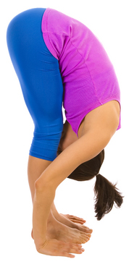
54 | Uttanasana | 1 Knees, thighs and calves are strengthened.
 |  | 2 The spinal column gets extended, hence becomes flexible.
 |  | 3 Uttanasana calms the brain and helps relieve stress and mild depression.
 |  | 4 Hamstrings, hips and lower back get good exercise.

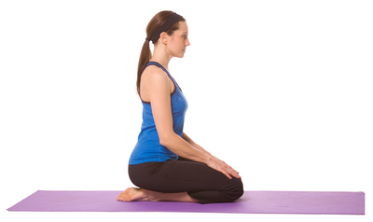
55 | Vajrasana | 1 The hips, thighs, knees, calves, ankles, insteps and toes become stronger with regular practice.
 |  | 2 Flabby thighs can get into shape.
 |  | 3 The muscles in the vertebral column will be firmed up and strengthened.
 |  | 4 Stiff joints and ligaments become flexible.

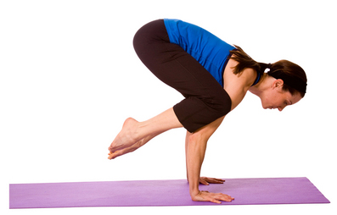
56 | Vakasana | 1 Arms and wrists attain power.
 |  | 2 The biceps get stronger and toned.

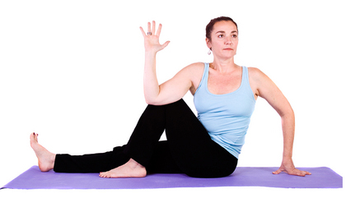
57 | Vakrasana | 1 Vakrasana alleviates backaches.
 |  | 2 The spine gets extended and attains elasticity.
 |  | 3 Flab on the lateral side of the abdomen gets reduced.
 |  | 4 Vakrasana is very beneficial to the nervous system.
 |  | 5 Vital abdominal organs like the liver, spleen and intestine get toned.


58 | Veerasana | 1 Shoulders, arms and legs gain strength.
 |  | 2 Thighs and calves get extended and thus toned.
 |  | 3 Spinal column becomes flexible with the practice of Veerasana.


59 | Viparit Karani | 1 Blood circulation to the neck, head and face is augmented.
 |  | 2 Adrenal, gonad, pituitary and thyroid glands function better.
 |  | 3 The pose can help you develop inner harmony.


60 | Virabhadrasana | 1 Pregnant women can get relief from backaches.
 |  | 2 Virabhadrasana can boost your energy.
 |  | 3 The stretching involved tones the body and makes it flexible.
 |  | 4 Regular practice can build your concentration power.
 |  | 5 Blood circulation as well as respiration capacity improves.
 |  | 6 Legs and ankles get strengthened.
 |  | 7 The yoga pose is beneficial to people with carpal tunnel syndrome.
 |  | 8 Infertility and insomnia can be treated with Virabhadrasana.


61 | Vrikshasana | 1 Rheumatism patients should practice this pose to alleviate the pain.
 |  | 2 Vrikshasana strengthens the ligaments of feet, tendons and arches.
 |  | 3 Neromuscular coordination improves with the practice of this yoga pose.
 |  | 4 Leg muscles become stronger and get toned.

