Sheet1
 | Asset Capitalisation procedure

1 | Run to KOB1
 | ↓
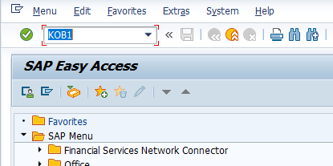

 | Enter
 | ↓
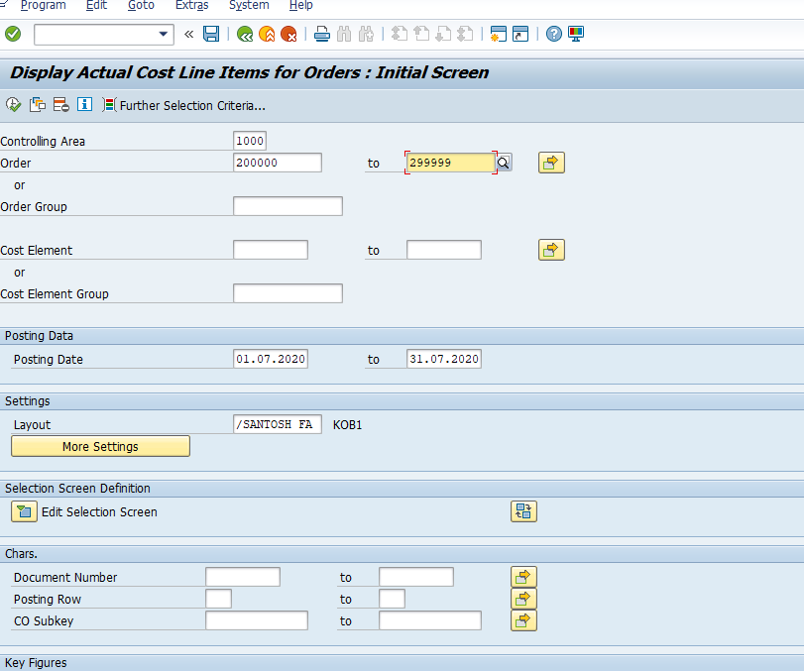

 |  |  |  |  |  |  |  |  | ← | Enter the IO Number

 |  |  |  |  |  |  |  |  | ← | Enter the Date

 | ↓

 |  | ← | Click on Execute button
 | ↓
 | Asset Details Export on Excel Format
 | ↓
 | Click on List Menu
 | ↓
 | Export
 | ↓
 | Spreadsheet
 | ↓
 | Enter the File Name & Location for saving purpose
 | ↓
 | After in Excel file click on Filter TAB
 | ↓
 | Select the other plant code & delete the other plant line Items
 | ↓
 | After Select the blank plant code & Identify the plant through document show in FB03
 | ↓
 | After Insert the New Two column in opened Excel Sheet
 | ↓
 | Repeat Asset Identification please download the Asset Register through this T-code- S_ALR_87012026
 | ↓
 | Identify the Asset through Material & IO Description
 | ↓
 | After all asset Identification file sent to Project head for Asset Number Confirmation
 | ↓
 | If received the file from Project head Please open the New Asset code through AS01
 | ↓
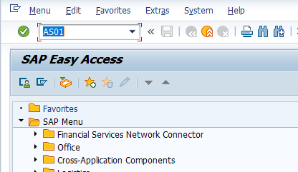

 | ↓ | ← | Click on Enter button
 | Find the Asset Class like a Plant & Machinery, Office Equipment, Tools & Tackle etc.,
 | ↓
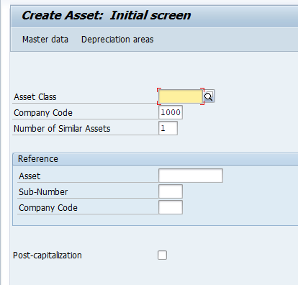

 |  |  | ← | Select the Asset Class
 |  |  | ← | Enter the company code
 |  |  | ← | Enter the How many Asset number you have require in this class

 | ↓
 | Press the Enter button
 | ↓
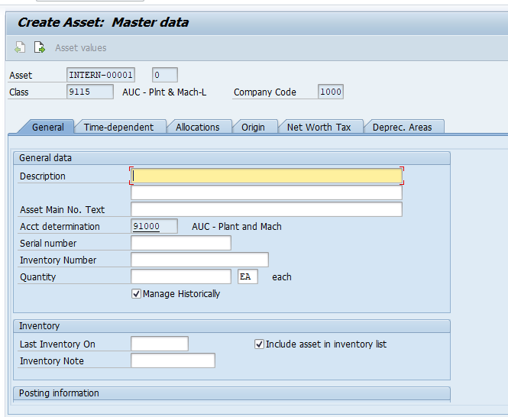

 |  |  |  |  |  |  | ← | Enter the Asset Name

 |  |  |  |  |  |  | ← | Enter the Asset Name

 |  |  |  |  |  |  | ← | Enter the Asset Qty

 | ↓
 | Click on Time dependent Tab
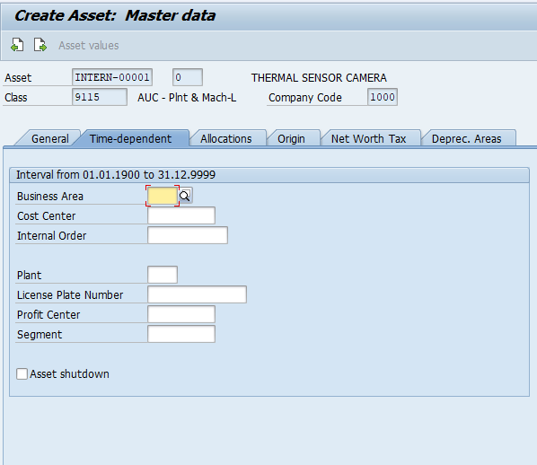

 |  |  |  |  |  | ← | Select the Business Area
 |  |  |  |  |  | ← | Select the cost center

 |  |  |  |  |  | ← | Select the Plant

 | ↓
 | Click on Deprec. Areas
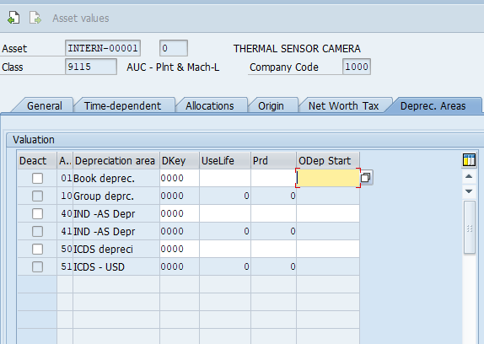

 |  |  |  |  | ← | Enter the Date

 |  |  |  |  | ← | Enter the Date

 |  |  |  |  | ← | Enter the Date

 | ↓
 |  | ← | Click on save button

 | ↓
 | Generated Asset Number update in Excel file
 | ↓
 | Asset Number updated Excel sheet arrange to IO number wise
 | ↓
 | IO settlement rule creation start through KO02 T-Code
 | ↓
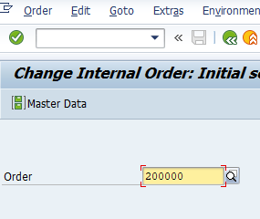

 |  | ← | Enter the IO Number

 | ↓
 | Press on Enter button
 | ↓
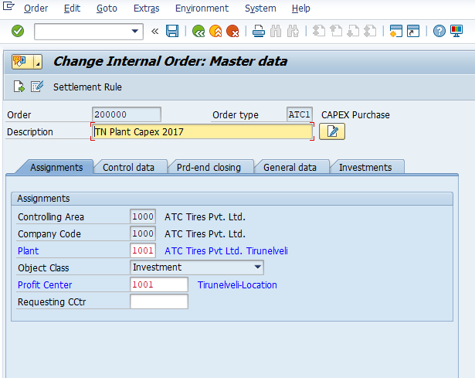

 |  |  |  |  |  | ← | Click on Settlement Rule

 | ↓

 | Enter this Details in above screen |  |  |  |  |  | ↓ | ↓ | ↓ | ↓
FXA | Enter the Asset Number | Enter the % or Enter the Amount |  |  |  |  | Enter period |  | Enter the year
 | Example

 | ↓
 |  | ← | Click on save button

 | ↓
 | Run on Second screen for Settlement through KO88 T-code
 | ↓
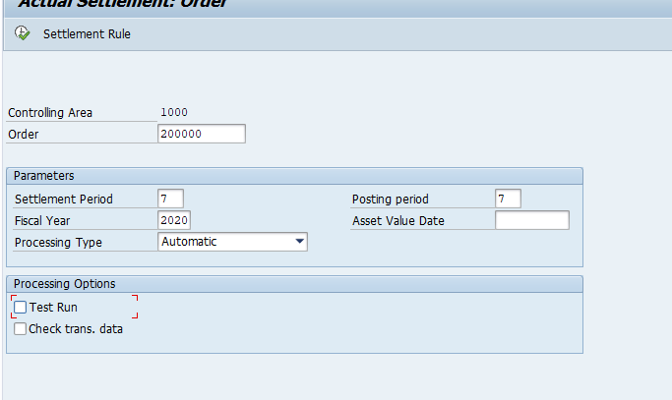

 |  |  |  |  |  |  | ← | Enter the IO Number

 |  |  |  |  |  |  | ← | Enter the period
 |  |  |  |  |  |  | ← | Enter the Year

 |  |  |  |  |  |  | ← | Erase the Test run click

 | ↓

 |  | ← | Click on Execute Button

 |  | ← | Click on Continue Button

